International Aviation Energy
 |  |  | 2025 | 2026 | 2027 | 2028 | 2029 | 2030 | 2031 | 2032 | 2033 | 2034 | 2035 | 2040 | 2045 | 2050
scen | commodity_fuel1 | unit
Ampol-1p5DS | Biofuel - Biokerosene | PJ | 0.00 | 0.00 | 0.00 | 0.00 | 0.00 | 0.00 | 0.00 | 0.06 | 0.16 | 27.53 | 58.55 | 122.27 | 211.11 | 276.71
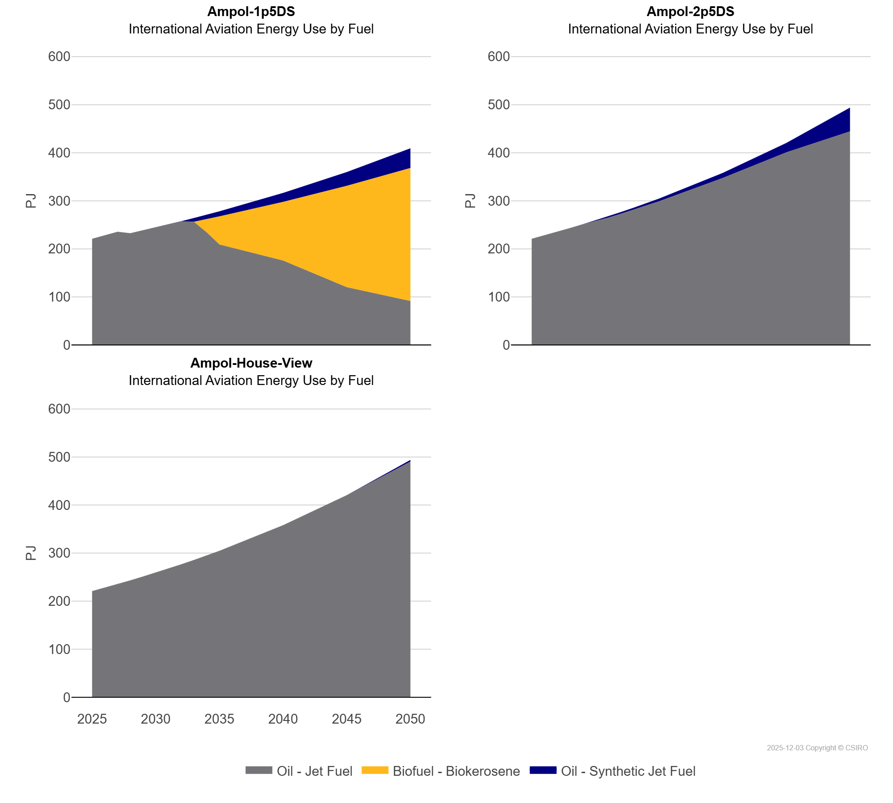
 | Oil - Jet Fuel | PJ | 220.68 | 227.91 | 235.37 | 232.30 | 238.36 | 244.57 | 250.95 | 256.92 | 256.34 | 234.53 | 209.18 | 175.65 | 120.23 | 91.62
 | Oil - Synthetic Jet Fuel | PJ | 0.00 | 0.00 | 0.00 | 0.00 | 0.00 | 0.00 | 0.00 | 0.51 | 7.71 | 9.04 | 10.43 | 18.45 | 28.49 | 40.92
Ampol-2p5DS | Biofuel - Biokerosene | PJ | 0.00 | 0.00 | 0.00 | 0.00 | 0.00 | 0.00 | 0.00 | 0.00 | 0.00 | 0.00 | 0.00 | 0.00 | 0.00 | 0.00
 | Oil - Jet Fuel | PJ | 220.68 | 227.91 | 235.37 | 243.08 | 251.04 | 257.42 | 264.96 | 273.07 | 281.41 | 290.02 | 298.88 | 347.40 | 400.77 | 444.53
 | Oil - Synthetic Jet Fuel | PJ | 0.00 | 0.00 | 0.00 | 0.00 | 0.00 | 1.84 | 2.79 | 3.45 | 4.16 | 4.91 | 5.70 | 10.42 | 19.61 | 49.34
Ampol-House-View | Biofuel - Biokerosene | PJ | 0.00 | 0.00 | 0.00 | 0.00 | 0.00 | 0.00 | 0.00 | 0.00 | 0.00 | 0.00 | 0.00 | 0.00 | 0.00 | 0.00
 | Oil - Jet Fuel | PJ | 220.68 | 227.91 | 235.37 | 243.08 | 251.04 | 259.26 | 267.75 | 276.52 | 285.57 | 294.92 | 304.58 | 357.83 | 420.38 | 490.47
 | Oil - Synthetic Jet Fuel | PJ | 0.00 | 0.00 | 0.00 | 0.00 | 0.00 | 0.00 | 0.00 | 0.00 | 0.00 | 0.00 | 0.00 | 0.00 | 0.00 | 3.39

