International Shipping Energy
 |  |  | 2025 | 2026 | 2027 | 2028 | 2029 | 2030 | 2031 | 2032 | 2033 | 2034 | 2035 | 2040 | 2045 | 2050
scen | commodity_fuel1 | unit
Ampol-1p5DS | Biofuel - Biodiesel | PJ | 0.00 | 0.00 | 0.00 | 0.00 | 0.00 | 0.00 | 0.00 | 0.00 | 0.00 | 0.00 | 0.00 | 0.00 | 0.00 | 3.96
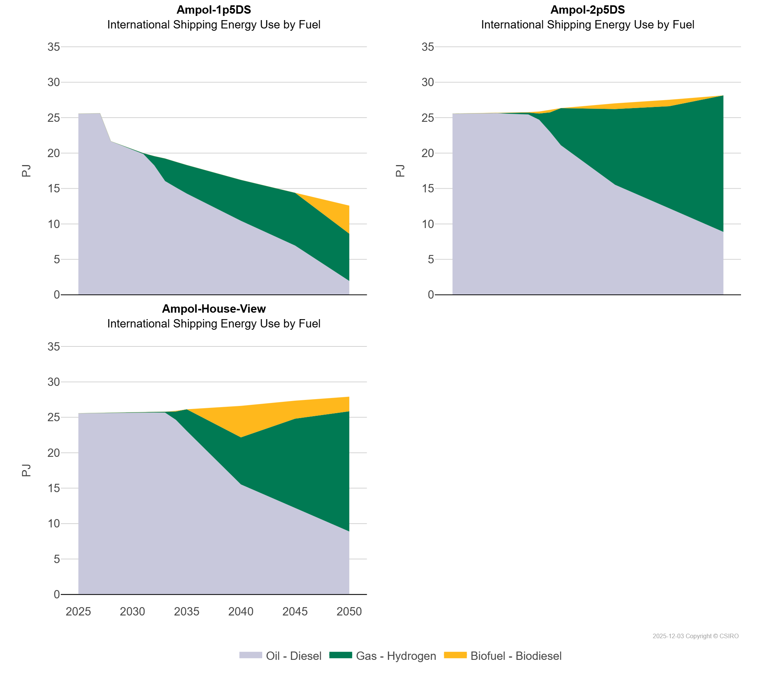
 | Gas - Hydrogen | PJ | 0.00 | 0.00 | 0.00 | 0.00 | 0.00 | 0.06 | 0.11 | 1.29 | 3.18 | 3.61 | 4.03 | 5.77 | 7.44 | 6.66
 | Oil - Diesel | PJ | 25.56 | 25.59 | 25.61 | 21.67 | 21.09 | 20.46 | 19.87 | 18.28 | 16.05 | 15.15 | 14.29 | 10.44 | 6.94 | 1.95
Ampol-2p5DS | Biofuel - Biodiesel | PJ | 0.00 | 0.00 | 0.00 | 0.00 | 0.00 | 0.00 | 0.02 | 0.05 | 0.28 | 0.33 | 0.00 | 0.80 | 0.91 | 0.00
 | Gas - Hydrogen | PJ | 0.00 | 0.00 | 0.00 | 0.00 | 0.00 | 0.15 | 0.21 | 0.27 | 0.88 | 2.74 | 5.23 | 10.69 | 14.41 | 19.26
 | Oil - Diesel | PJ | 25.56 | 25.59 | 25.61 | 25.64 | 25.67 | 25.55 | 25.51 | 25.44 | 24.70 | 23.00 | 21.11 | 15.52 | 12.20 | 8.88
Ampol-House-View | Biofuel - Biodiesel | PJ | 0.00 | 0.00 | 0.00 | 0.00 | 0.00 | 0.00 | 0.00 | 0.00 | 0.00 | 0.10 | 0.00 | 4.45 | 2.54 | 2.06
 | Gas - Hydrogen | PJ | 0.00 | 0.00 | 0.00 | 0.00 | 0.00 | 0.00 | 0.03 | 0.07 | 0.12 | 1.18 | 3.04 | 6.64 | 12.60 | 16.97
 | Oil - Diesel | PJ | 25.56 | 25.59 | 25.61 | 25.64 | 25.67 | 25.69 | 25.69 | 25.68 | 25.66 | 24.64 | 23.08 | 15.52 | 12.20 | 8.88

