New Vehicle Sales by Drivetrai
 |  |  | 2025 | 2026 | 2027 | 2028 | 2029 | 2030 | 2031 | 2032 | 2033 | 2034 | 2035 | 2040 | 2045 | 2050
scen | process_technology1 | unit
Ampol-1p5DS | Autonomous Electric Vehicle | Vehicles Sales (%) | 0.01 | 0.00 | 0.00 | 0.00 | 0.00 | 0.00 | 0.00 | 0.00 | 0.07 | 1.06 | 0.37 | 1.82 | 3.27 | 5.10
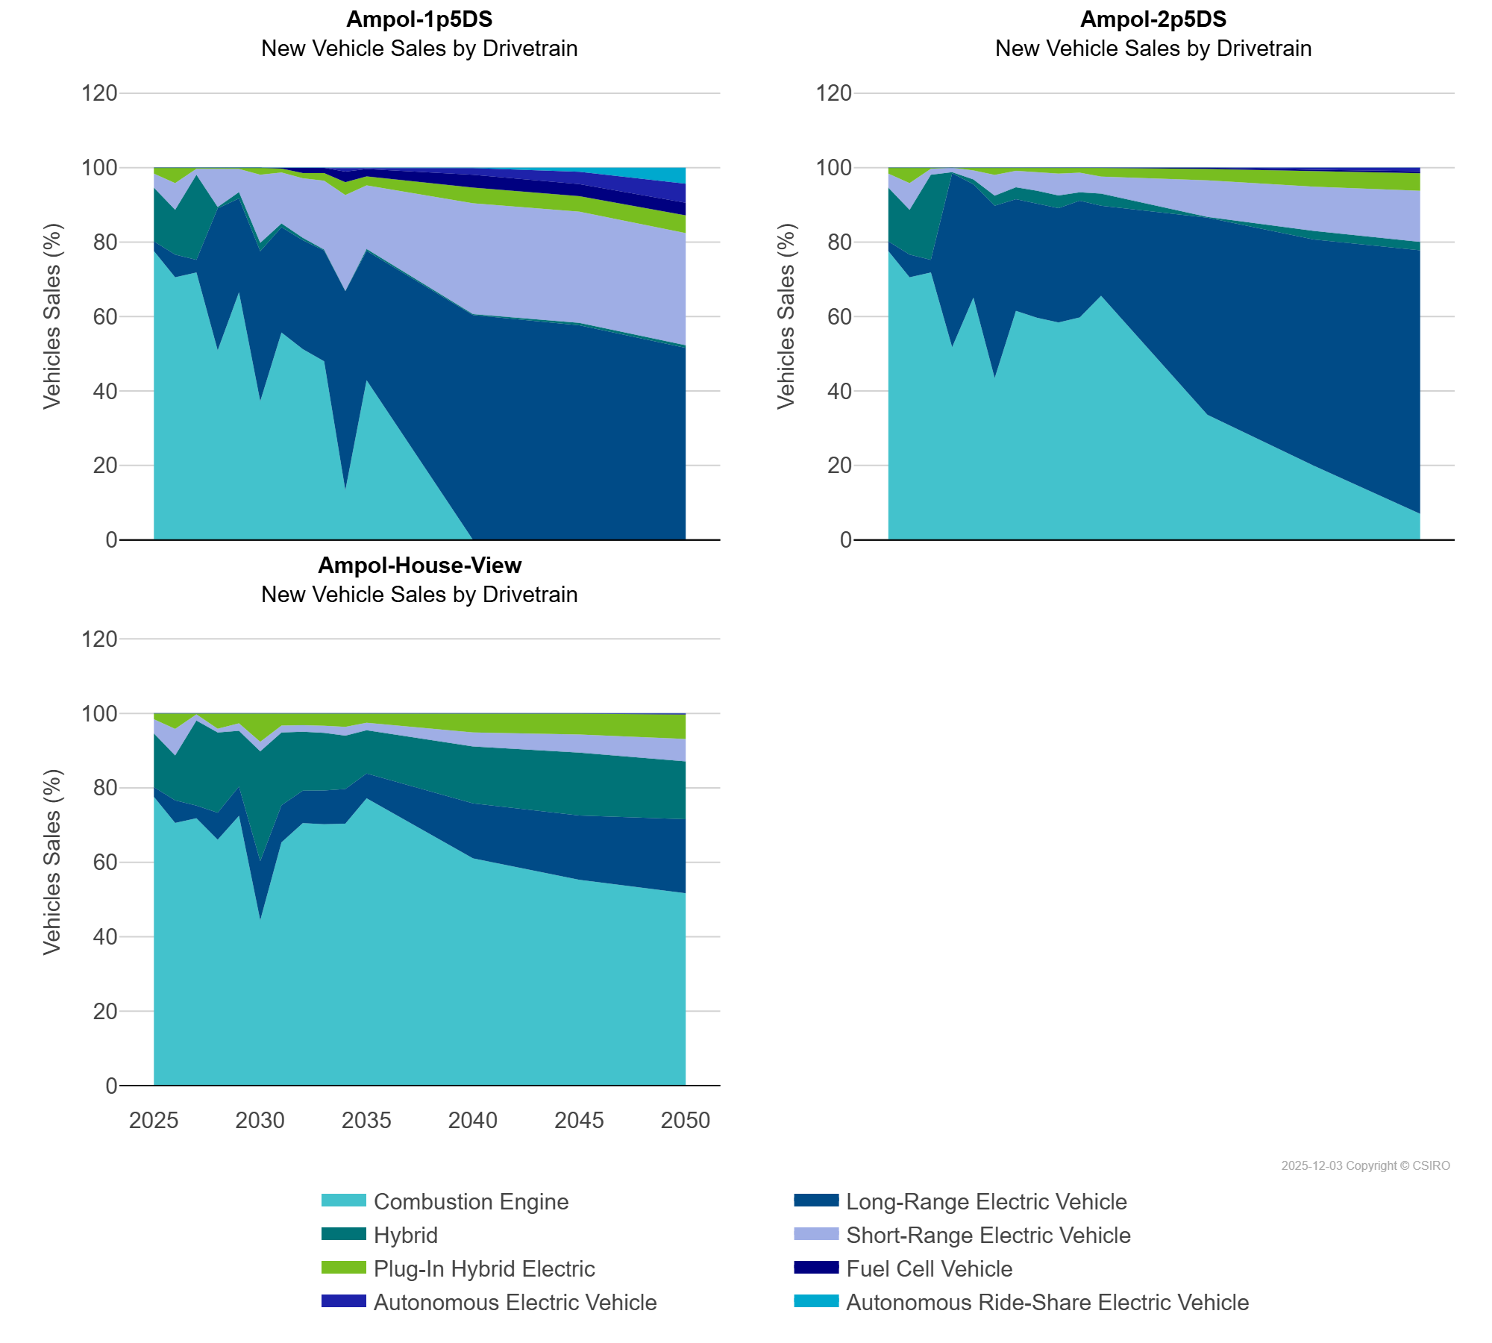
 | Autonomous Ride-Share Electric Vehicle | Vehicles Sales (%) | 0.00 | 0.00 | 0.00 | 0.00 | 0.00 | 0.00 | 0.00 | 0.00 | 0.00 | 0.00 | 0.00 | 0.08 | 1.12 | 4.32
 | Combustion Engine | Vehicles Sales (%) | 77.59 | 70.54 | 71.81 | 50.87 | 66.50 | 37.19 | 55.69 | 51.25 | 47.97 | 13.24 | 42.87 | 0.00 | 0.00 | 0.00
 | Fuel Cell Vehicle | Vehicles Sales (%) | 0.00 | 0.00 | 0.00 | 0.01 | 0.01 | 0.02 | 0.28 | 1.45 | 1.40 | 2.87 | 1.96 | 3.44 | 3.26 | 3.39
 | Hybrid | Vehicles Sales (%) | 14.43 | 12.05 | 22.83 | 0.34 | 1.70 | 2.26 | 0.98 | 0.64 | 0.27 | 0.02 | 0.53 | 0.27 | 0.64 | 0.68
 | Long-Range Electric Vehicle | Vehicles Sales (%) | 2.60 | 6.08 | 3.42 | 38.21 | 25.22 | 40.34 | 28.32 | 29.27 | 29.78 | 53.59 | 34.77 | 60.40 | 57.65 | 51.61
 | Plug-In Hybrid Electric | Vehicles Sales (%) | 1.59 | 4.17 | 0.28 | 0.35 | 0.37 | 1.90 | 1.01 | 1.42 | 2.02 | 3.42 | 2.45 | 4.25 | 4.19 | 4.79
 | Short-Range Electric Vehicle | Vehicles Sales (%) | 3.79 | 7.15 | 1.65 | 10.21 | 6.21 | 18.30 | 13.72 | 15.97 | 18.48 | 25.79 | 17.04 | 29.73 | 29.87 | 30.12
Ampol-2p5DS | Autonomous Electric Vehicle | Vehicles Sales (%) | 0.01 | 0.00 | 0.00 | 0.00 | 0.00 | 0.00 | 0.00 | 0.00 | 0.00 | 0.00 | 0.00 | 0.01 | 0.55 | 0.96
 | Autonomous Ride-Share Electric Vehicle | Vehicles Sales (%) | 0.00 | 0.00 | 0.00 | 0.00 | 0.00 | 0.00 | 0.00 | 0.00 | 0.00 | 0.00 | 0.00 | 0.00 | 0.00 | 0.00
 | Combustion Engine | Vehicles Sales (%) | 77.59 | 70.54 | 71.81 | 51.72 | 65.05 | 43.41 | 61.52 | 59.64 | 58.39 | 59.78 | 65.59 | 33.58 | 19.91 | 6.99
 | Fuel Cell Vehicle | Vehicles Sales (%) | 0.00 | 0.00 | 0.00 | 0.01 | 0.01 | 0.02 | 0.02 | 0.02 | 0.03 | 0.03 | 0.05 | 0.35 | 0.51 | 0.52
 | Hybrid | Vehicles Sales (%) | 14.43 | 12.05 | 22.83 | 0.29 | 1.29 | 2.70 | 3.22 | 3.43 | 3.37 | 2.26 | 3.27 | 0.18 | 2.28 | 2.26
 | Long-Range Electric Vehicle | Vehicles Sales (%) | 2.60 | 6.08 | 3.42 | 46.77 | 30.48 | 46.35 | 30.03 | 30.73 | 30.76 | 31.35 | 24.20 | 52.99 | 60.81 | 70.81
 | Plug-In Hybrid Electric | Vehicles Sales (%) | 1.59 | 4.17 | 0.28 | 0.01 | 0.73 | 1.92 | 0.85 | 1.19 | 1.56 | 1.33 | 2.35 | 3.04 | 4.06 | 4.74
 | Short-Range Electric Vehicle | Vehicles Sales (%) | 3.79 | 7.15 | 1.65 | 1.20 | 2.44 | 5.60 | 4.37 | 5.00 | 5.90 | 5.25 | 4.55 | 9.85 | 11.87 | 13.70
Ampol-House-View | Autonomous Electric Vehicle | Vehicles Sales (%) | 0.01 | 0.00 | 0.00 | 0.00 | 0.00 | 0.00 | 0.00 | 0.00 | 0.00 | 0.00 | 0.00 | 0.00 | 0.00 | 0.22
 | Autonomous Ride-Share Electric Vehicle | Vehicles Sales (%) | 0.00 | 0.00 | 0.00 | 0.00 | 0.00 | 0.00 | 0.00 | 0.00 | 0.00 | 0.00 | 0.00 | 0.00 | 0.00 | 0.01
 | Combustion Engine | Vehicles Sales (%) | 77.59 | 70.54 | 71.81 | 66.07 | 72.46 | 44.36 | 65.35 | 70.51 | 70.20 | 70.35 | 77.16 | 61.04 | 55.26 | 51.67
 | Fuel Cell Vehicle | Vehicles Sales (%) | 0.00 | 0.00 | 0.00 | 0.01 | 0.01 | 0.02 | 0.01 | 0.01 | 0.01 | 0.02 | 0.01 | 0.05 | 0.06 | 0.08
 | Hybrid | Vehicles Sales (%) | 14.43 | 12.05 | 22.83 | 21.54 | 15.02 | 29.51 | 19.57 | 15.81 | 15.49 | 14.34 | 11.61 | 15.30 | 16.89 | 15.57
 | Long-Range Electric Vehicle | Vehicles Sales (%) | 2.60 | 6.08 | 3.42 | 7.26 | 7.86 | 15.92 | 9.96 | 8.72 | 9.07 | 9.35 | 6.70 | 14.77 | 17.32 | 19.87
 | Plug-In Hybrid Electric | Vehicles Sales (%) | 1.59 | 4.17 | 0.28 | 4.14 | 2.69 | 7.64 | 3.29 | 3.15 | 3.34 | 3.63 | 2.53 | 5.08 | 5.65 | 6.57
 | Short-Range Electric Vehicle | Vehicles Sales (%) | 3.79 | 7.15 | 1.65 | 0.98 | 1.97 | 2.56 | 1.83 | 1.80 | 1.89 | 2.32 | 1.98 | 3.76 | 4.81 | 6.00

