New Vehicle Sales by Type
 |  |  | 2025 | 2026 | 2027 | 2028 | 2029 | 2030 | 2031 | 2032 | 2033 | 2034 | 2035 | 2040 | 2045 | 2050
scen | process_sector2 | unit
Ampol-1p5DS | Articulated Vehicles | vehicles | 432.87 | 7,729.79 | 5,435.34 | 10,729.75 | 7,039.10 | 6,859.49 | 7,088.01 | 7,579.82 | 7,668.43 | 9,181.69 | 11,523.83 | 47,510.55 | 51,389.44 | 57,464.93
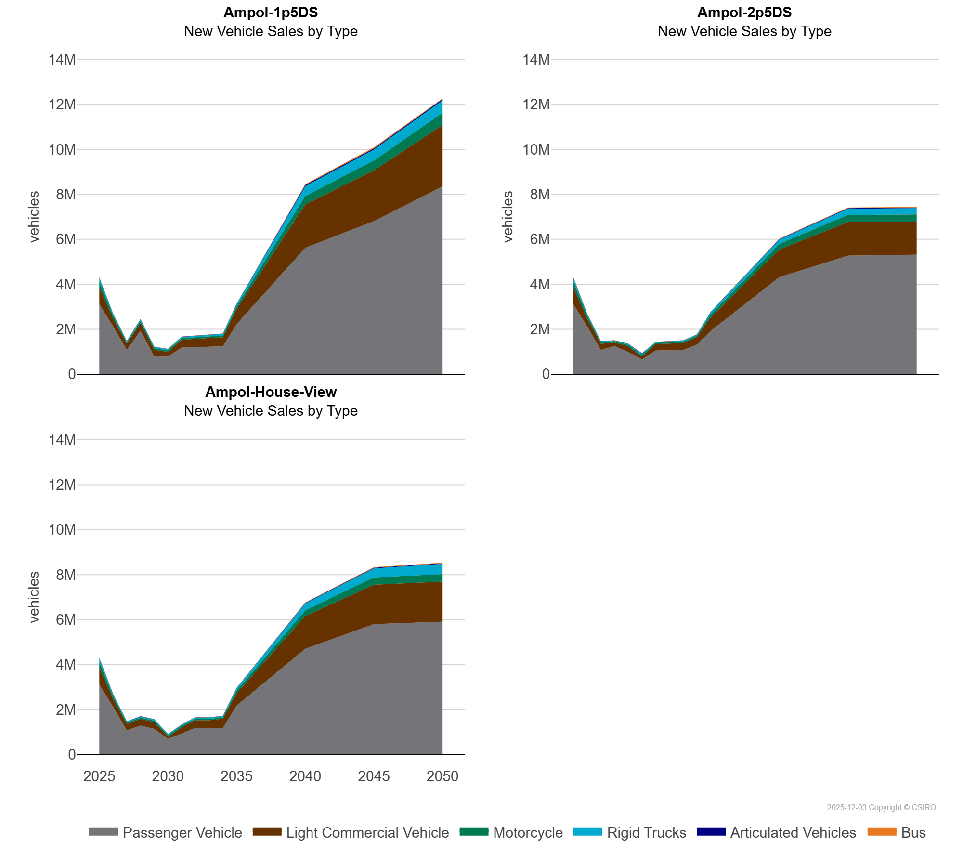
 | Bus | vehicles | 15,755.31 | 11,312.36 | 5,675.24 | 8,944.38 | 6,379.50 | 6,627.62 | 7,313.22 | 7,936.67 | 8,334.22 | 6,067.12 | 7,780.70 | 38,722.39 | 50,166.50 | 25,297.90
 | Light Commercial Vehicle | vehicles | 754,871.11 | 347,838.42 | 271,845.82 | 328,683.91 | 294,963.26 | 203,648.47 | 344,092.16 | 375,595.95 | 385,555.75 | 394,943.37 | 671,514.29 | 1,932,968.68 | 2,260,555.57 | 2,730,235.07
 | Motorcycle | vehicles | 249,064.93 | 127,978.24 | 66,149.32 | 92,650.14 | 73,625.71 | 74,074.71 | 74,114.28 | 74,269.47 | 74,284.40 | 73,489.13 | 131,573.66 | 366,394.96 | 439,179.56 | 543,533.17
 | Passenger Vehicle | vehicles | 3,116,718.90 | 2,130,630.98 | 1,081,565.56 | 1,938,366.86 | 790,611.36 | 784,156.23 | 1,188,722.20 | 1,209,144.28 | 1,226,420.60 | 1,242,840.87 | 2,223,958.85 | 5,622,221.96 | 6,806,367.91 | 8,353,772.38
 | Rigid Trucks | vehicles | 166,925.03 | 79,938.69 | 48,891.42 | 69,373.34 | 55,081.67 | 51,835.08 | 53,561.47 | 60,416.14 | 63,662.59 | 83,598.27 | 88,341.36 | 443,497.98 | 483,999.86 | 552,142.82
Ampol-2p5DS | Articulated Vehicles | vehicles | 432.87 | 7,729.79 | 5,435.34 | 5,536.61 | 5,536.44 | 18,930.74 | 4,318.93 | 4,576.53 | 4,573.14 | 4,746.79 | 9,536.21 | 21,487.90 | 27,418.92 | 29,395.36
 | Bus | vehicles | 15,755.31 | 11,312.36 | 5,675.24 | 5,813.11 | 5,812.90 | 8,799.23 | 4,895.55 | 5,248.08 | 5,149.77 | 5,034.39 | 9,851.02 | 20,729.34 | 26,721.95 | 26,765.34
 | Light Commercial Vehicle | vehicles | 754,871.11 | 347,838.42 | 271,845.82 | 160,814.72 | 255,503.43 | 123,718.60 | 284,187.36 | 306,432.77 | 308,216.64 | 338,893.60 | 608,806.58 | 1,235,151.52 | 1,489,962.22 | 1,458,569.73
 | Motorcycle | vehicles | 249,064.93 | 127,978.24 | 66,149.32 | 65,545.45 | 65,222.96 | 65,326.12 | 64,675.44 | 64,362.56 | 63,884.12 | 63,615.14 | 119,294.52 | 251,172.86 | 319,754.46 | 328,795.06
 | Passenger Vehicle | vehicles | 3,116,718.90 | 2,130,630.98 | 1,081,565.56 | 1,250,481.76 | 985,114.80 | 659,186.41 | 1,052,224.86 | 1,057,861.48 | 1,081,913.23 | 1,313,622.28 | 1,925,455.64 | 4,313,272.61 | 5,274,893.69 | 5,317,356.68
 | Rigid Trucks | vehicles | 166,925.03 | 79,938.69 | 48,891.42 | 19,255.29 | 40,212.62 | 61,734.03 | 28,490.48 | 31,436.30 | 44,010.38 | 44,169.37 | 107,360.36 | 188,876.95 | 272,836.34 | 280,485.20
Ampol-House-View | Articulated Vehicles | vehicles | 432.87 | 7,729.79 | 5,435.34 | 5,604.36 | 5,532.22 | 5,333.98 | 5,490.10 | 5,766.09 | 5,750.61 | 5,654.06 | 10,146.32 | 23,099.73 | 26,921.55 | 26,119.30
 | Bus | vehicles | 15,755.31 | 11,312.36 | 5,675.24 | 5,787.76 | 5,808.98 | 5,799.22 | 5,705.93 | 5,627.39 | 5,594.10 | 5,538.84 | 10,272.86 | 20,646.27 | 26,713.06 | 26,772.83
 | Light Commercial Vehicle | vehicles | 754,871.11 | 347,838.42 | 271,845.82 | 292,196.74 | 300,360.54 | 86,354.71 | 273,631.62 | 337,346.79 | 339,720.79 | 411,523.44 | 549,174.12 | 1,455,021.45 | 1,752,359.24 | 1,781,418.88
 | Motorcycle | vehicles | 249,064.93 | 127,978.24 | 66,149.32 | 66,509.10 | 66,473.09 | 66,341.16 | 66,101.83 | 65,841.83 | 65,346.55 | 65,074.47 | 120,939.19 | 257,822.16 | 323,835.56 | 333,717.78
 | Passenger Vehicle | vehicles | 3,116,718.90 | 2,130,630.98 | 1,081,565.56 | 1,288,349.52 | 1,146,133.04 | 704,134.73 | 937,111.60 | 1,190,463.48 | 1,184,391.30 | 1,180,588.11 | 2,180,563.29 | 4,704,980.21 | 5,801,926.28 | 5,911,427.26
 | Rigid Trucks | vehicles | 166,925.03 | 79,938.69 | 48,891.42 | 50,910.41 | 51,306.92 | 51,143.51 | 52,802.87 | 57,187.19 | 58,866.28 | 59,578.54 | 99,814.38 | 304,578.94 | 404,135.54 | 453,314.41

