Rail Energy Use by Fuel
 |  |  | 2025 | 2026 | 2027 | 2028 | 2029 | 2030 | 2031 | 2032 | 2033 | 2034 | 2035 | 2040 | 2045 | 2050
scen | commodity_fuel1 | unit
Ampol-1p5DS | Biodiesel | PJ | 0.00 | 0.00 | 0.00 | 0.00 | 0.00 | 0.00 | 0.00 | 0.00 | 0.00 | 0.00 | 6.32 | 20.28 | 20.61 | 20.61
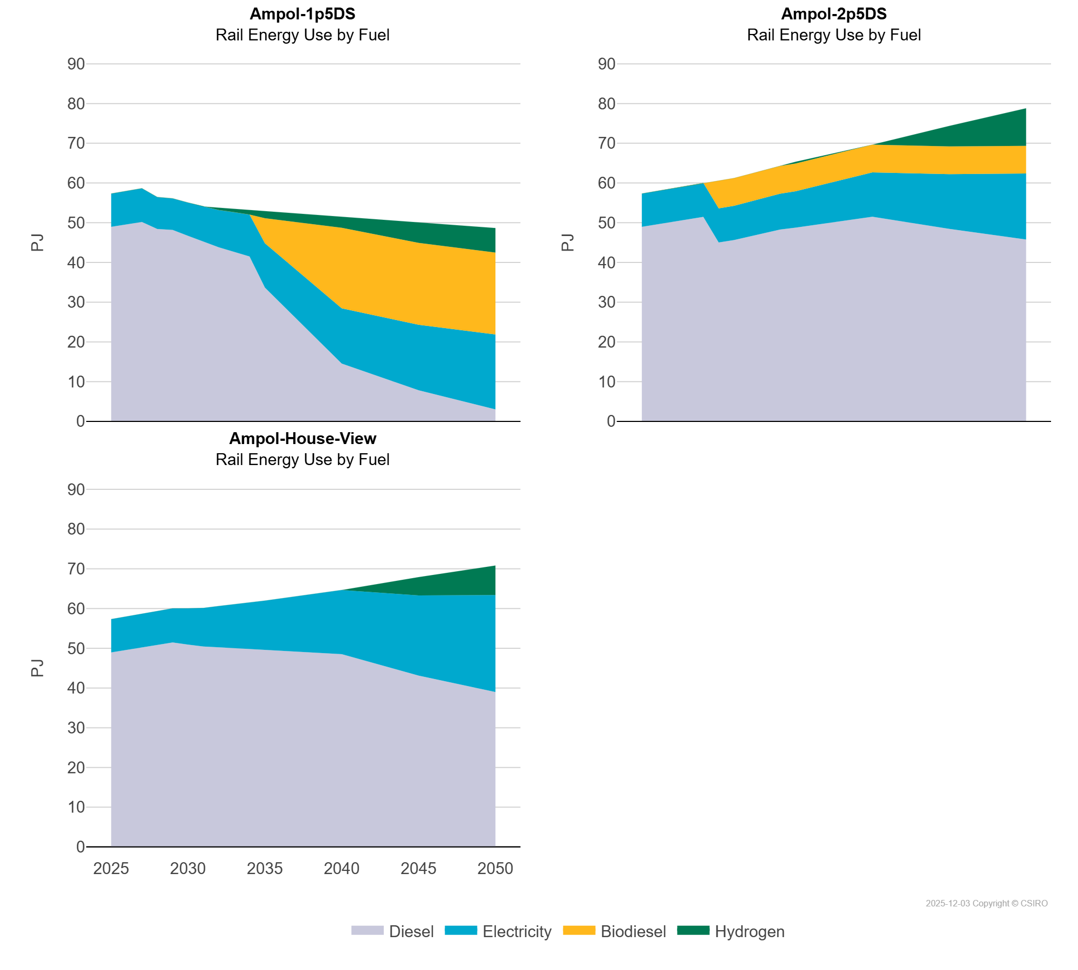
 | Diesel | PJ | 48.96 | 49.54 | 50.19 | 48.41 | 48.19 | 46.70 | 45.29 | 43.81 | 42.66 | 41.50 | 33.67 | 14.53 | 7.81 | 2.99
 | Electricity | PJ | 8.36 | 8.42 | 8.47 | 8.05 | 7.93 | 8.37 | 8.80 | 9.39 | 9.98 | 10.56 | 11.14 | 13.89 | 16.49 | 18.88
 | Hydrogen | PJ | 0.00 | 0.00 | 0.00 | 0.00 | 0.00 | 0.00 | 0.00 | 0.59 | 0.88 | 1.16 | 1.83 | 2.78 | 5.17 | 6.18
Ampol-2p5DS | Biodiesel | PJ | 0.00 | 0.00 | 0.00 | 0.00 | 0.00 | 6.97 | 6.97 | 6.97 | 6.97 | 6.97 | 6.97 | 6.97 | 6.97 | 6.97
 | Diesel | PJ | 48.96 | 49.54 | 50.19 | 50.84 | 51.46 | 45.02 | 45.63 | 46.52 | 47.42 | 48.28 | 48.75 | 51.51 | 48.43 | 45.76
 | Electricity | PJ | 8.36 | 8.42 | 8.47 | 8.52 | 8.56 | 8.59 | 8.61 | 8.76 | 8.89 | 9.02 | 9.16 | 11.16 | 13.78 | 16.62
 | Hydrogen | PJ | 0.00 | 0.00 | 0.00 | 0.00 | 0.00 | 0.00 | 0.00 | 0.00 | 0.00 | 0.00 | 0.45 | 0.00 | 5.18 | 9.47
Ampol-House-View | Biodiesel | PJ | 0.00 | 0.00 | 0.00 | 0.00 | 0.00 | 0.00 | 0.00 | 0.00 | 0.00 | 0.00 | 0.00 | 0.00 | 0.00 | 0.00
 | Diesel | PJ | 48.96 | 49.54 | 50.19 | 50.84 | 51.46 | 50.92 | 50.43 | 50.24 | 50.03 | 49.77 | 49.53 | 48.52 | 43.11 | 38.97
 | Electricity | PJ | 8.36 | 8.42 | 8.47 | 8.52 | 8.56 | 9.13 | 9.70 | 10.38 | 11.07 | 11.76 | 12.46 | 16.14 | 20.19 | 24.42
 | Hydrogen | PJ | 0.00 | 0.00 | 0.00 | 0.00 | 0.00 | 0.00 | 0.00 | 0.00 | 0.00 | 0.00 | 0.00 | 0.00 | 4.60 | 7.43

