Road Transport Energy Use by F
 |  |  | 2025 | 2026 | 2027 | 2028 | 2029 | 2030 | 2031 | 2032 | 2033 | 2034 | 2035 | 2040 | 2045 | 2050
scen | commodity_fuel1 | unit
Ampol-1p5DS | B20 | PJ | 0.30 | 0.63 | 0.78 | 0.73 | 0.08 | 0.77 | 0.12 | 0.00 | 0.00 | 0.00 | 0.10 | 0.00 | 0.01 | 0.00
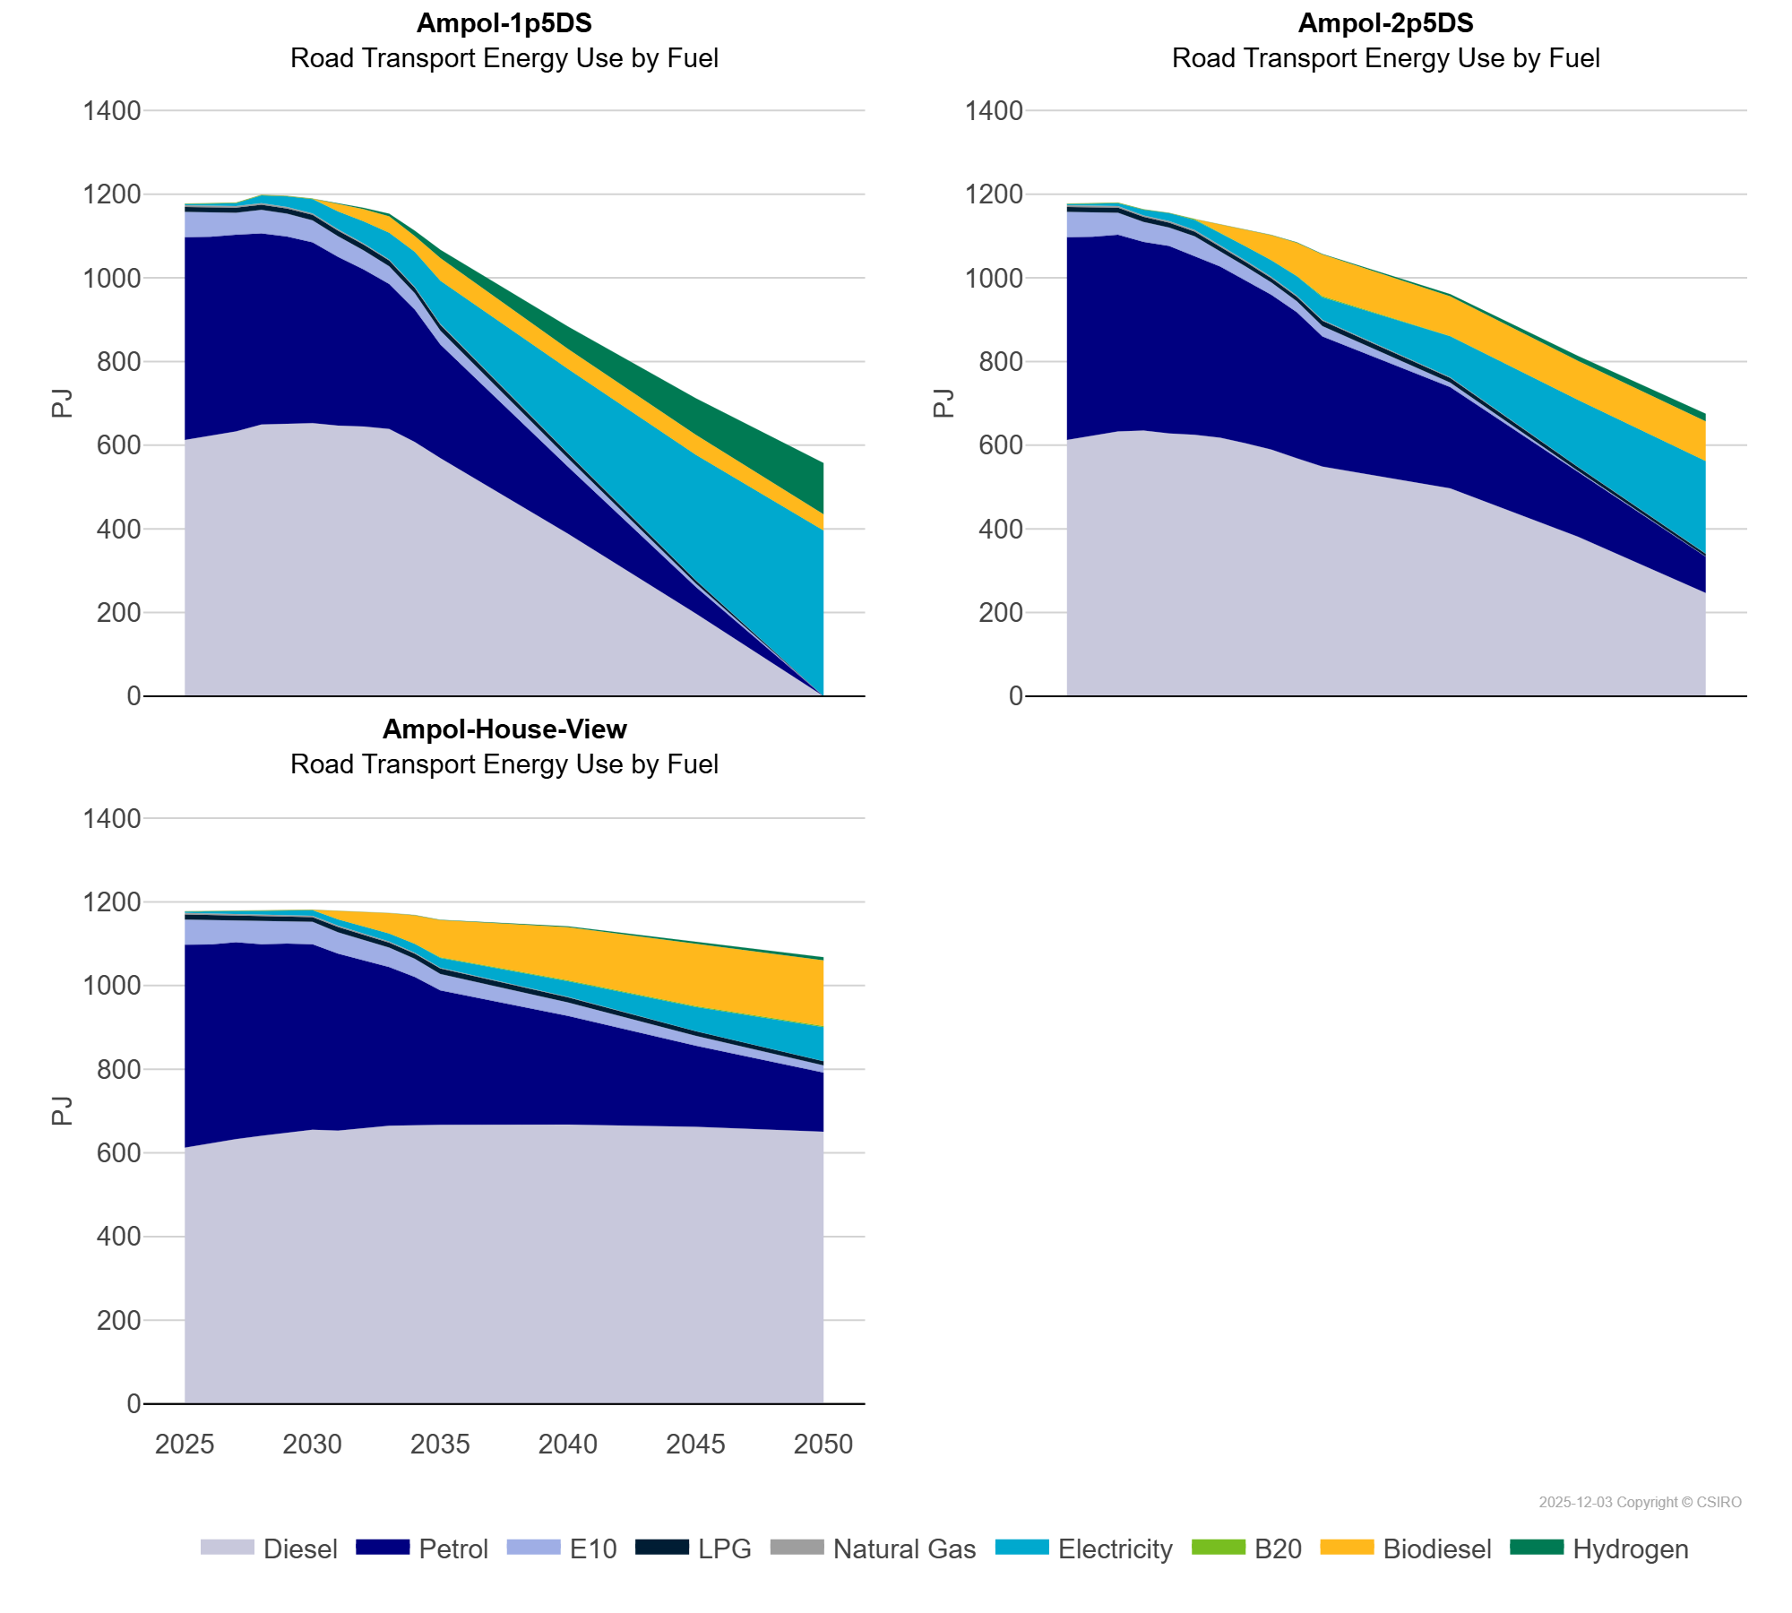
 | Biodiesel | PJ | 0.11 | 0.11 | 0.11 | 0.10 | 0.10 | 0.10 | 19.59 | 29.25 | 38.97 | 37.48 | 54.02 | 47.68 | 47.46 | 38.59
 | Diesel | PJ | 612.36 | 623.56 | 632.85 | 649.21 | 650.77 | 652.77 | 646.64 | 644.84 | 638.91 | 607.45 | 568.92 | 388.16 | 197.42 | 0.00
 | E10 | PJ | 60.06 | 58.51 | 52.45 | 56.46 | 54.67 | 52.55 | 49.08 | 45.78 | 42.46 | 38.98 | 33.39 | 20.29 | 7.97 | 0.00
 | Electricity | PJ | 3.15 | 4.85 | 7.10 | 18.62 | 26.07 | 34.07 | 42.92 | 53.05 | 64.24 | 83.94 | 103.42 | 201.49 | 300.10 | 396.33
 | Hydrogen | PJ | 0.00 | 0.00 | 0.01 | 0.04 | 0.06 | 0.09 | 0.97 | 3.13 | 6.18 | 12.95 | 19.75 | 53.65 | 87.55 | 122.28
 | LPG | PJ | 12.21 | 12.17 | 12.05 | 12.30 | 12.21 | 13.32 | 13.48 | 13.62 | 13.47 | 12.89 | 14.13 | 11.25 | 7.56 | 0.00
 | Natural Gas | PJ | 3.83 | 3.93 | 3.74 | 3.73 | 3.51 | 3.29 | 3.05 | 2.82 | 2.58 | 2.34 | 1.92 | 1.13 | 0.47 | 0.00
 | Petrol | PJ | 485.00 | 474.49 | 470.37 | 456.96 | 448.08 | 432.20 | 403.38 | 374.93 | 346.37 | 316.72 | 271.58 | 159.96 | 63.65 | 0.00
Ampol-2p5DS | B20 | PJ | 0.30 | 0.63 | 0.78 | 0.15 | 0.08 | 2.05 | 0.00 | 0.39 | 0.64 | 0.52 | 2.24 | 0.54 | 0.00 | 0.00
 | Biodiesel | PJ | 0.11 | 0.11 | 0.11 | 0.11 | 0.11 | 0.11 | 19.75 | 39.69 | 59.43 | 79.34 | 99.63 | 95.01 | 93.36 | 94.49
 | Diesel | PJ | 612.36 | 623.56 | 632.85 | 634.96 | 628.22 | 625.00 | 618.02 | 604.40 | 589.46 | 568.85 | 549.00 | 496.58 | 381.26 | 246.51
 | E10 | PJ | 60.06 | 58.51 | 52.45 | 47.77 | 44.36 | 46.32 | 36.89 | 33.64 | 29.45 | 26.12 | 24.76 | 10.44 | 3.36 | 0.63
 | Electricity | PJ | 3.15 | 4.85 | 7.10 | 13.89 | 18.80 | 23.86 | 29.04 | 34.32 | 39.67 | 46.63 | 54.25 | 97.87 | 159.90 | 221.31
 | Hydrogen | PJ | 0.00 | 0.00 | 0.01 | 0.03 | 0.05 | 0.08 | 0.15 | 0.33 | 0.58 | 0.92 | 1.42 | 5.09 | 11.74 | 18.34
 | LPG | PJ | 12.21 | 12.17 | 12.05 | 12.03 | 11.86 | 11.54 | 11.16 | 10.87 | 10.60 | 10.75 | 12.66 | 11.59 | 9.36 | 6.54
 | Natural Gas | PJ | 3.83 | 3.93 | 3.74 | 3.60 | 3.74 | 3.69 | 3.46 | 3.22 | 2.98 | 2.75 | 2.29 | 1.47 | 0.71 | 0.27
 | Petrol | PJ | 485.00 | 474.49 | 470.37 | 450.94 | 447.75 | 427.86 | 409.13 | 388.90 | 369.81 | 349.04 | 310.85 | 242.37 | 153.73 | 87.04
Ampol-House-View | B20 | PJ | 0.30 | 0.63 | 0.78 | 0.50 | 0.06 | 0.87 | 0.11 | 0.85 | 0.00 | 0.00 | 1.26 | 1.86 | 2.06 | 2.30
 | Biodiesel | PJ | 0.11 | 0.11 | 0.11 | 0.11 | 0.11 | 0.11 | 20.00 | 35.13 | 48.70 | 68.32 | 88.86 | 127.16 | 148.07 | 156.94
 | Diesel | PJ | 612.36 | 623.56 | 632.85 | 640.98 | 648.68 | 655.11 | 652.92 | 658.06 | 664.74 | 665.82 | 667.07 | 667.57 | 662.41 | 650.40
 | E10 | PJ | 60.06 | 58.51 | 52.45 | 56.07 | 55.12 | 53.95 | 51.34 | 48.71 | 46.20 | 43.79 | 39.10 | 31.75 | 23.51 | 17.26
 | Electricity | PJ | 3.15 | 4.85 | 7.10 | 9.36 | 11.33 | 13.27 | 15.18 | 17.18 | 19.25 | 21.53 | 23.73 | 37.74 | 57.68 | 81.64
 | Hydrogen | PJ | 0.00 | 0.00 | 0.01 | 0.03 | 0.05 | 0.08 | 0.10 | 0.22 | 0.33 | 0.49 | 0.66 | 2.16 | 4.58 | 7.84
 | LPG | PJ | 12.21 | 12.17 | 12.05 | 11.82 | 11.48 | 11.14 | 12.84 | 12.55 | 12.28 | 11.81 | 13.08 | 12.44 | 11.09 | 9.80
 | Natural Gas | PJ | 3.83 | 3.93 | 3.74 | 3.54 | 3.32 | 3.11 | 2.88 | 2.66 | 2.43 | 2.19 | 1.77 | 1.02 | 0.39 | 0.10
 | Petrol | PJ | 485.00 | 474.49 | 470.37 | 457.61 | 451.46 | 443.29 | 422.96 | 400.81 | 379.39 | 354.45 | 321.46 | 259.85 | 193.64 | 141.44

