Road Vehicle Distance Travelle
 |  |  | 2025 | 2026 | 2027 | 2028 | 2029 | 2030 | 2031 | 2032 | 2033 | 2034 | 2035 | 2040 | 2045 | 2050
scen | process_technology1 | unit
Ampol-1p5DS | Autonomous Electric Vehicle | Vehicle Kilometer Travelled (%) | 0.01 | 0.01 | 0.00 | 0.00 | 0.00 | 0.00 | 0.00 | 0.00 | 0.01 | 0.10 | 0.16 | 0.74 | 1.86 | 3.81
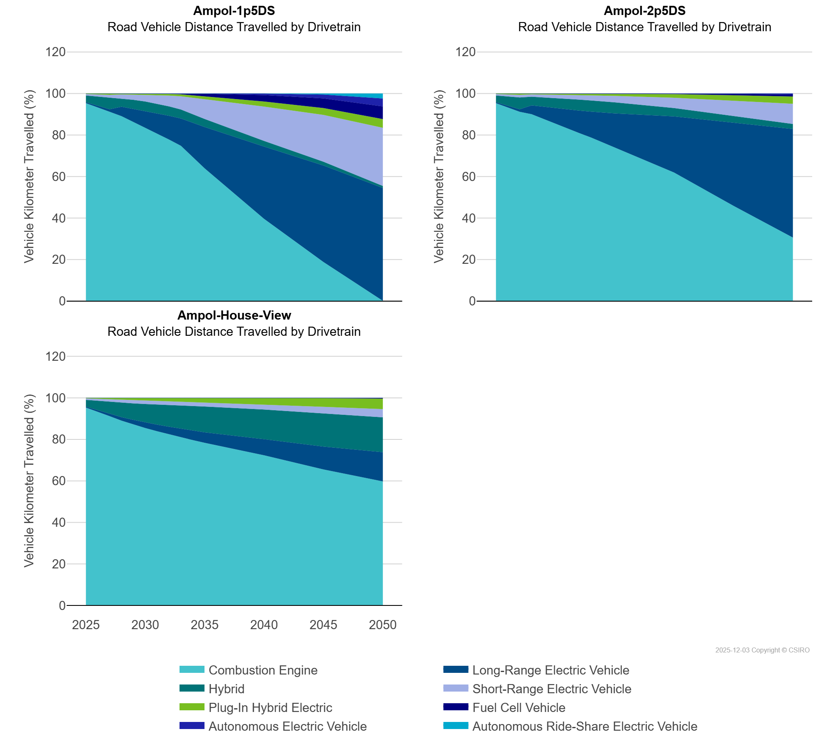
 | Autonomous Ride-Share Electric Vehicle | Vehicle Kilometer Travelled (%) | 0.00 | 0.00 | 0.00 | 0.00 | 0.00 | 0.00 | 0.00 | 0.00 | 0.00 | 0.00 | 0.00 | 0.03 | 0.48 | 2.39
 | Combustion Engine | Vehicle Kilometer Travelled (%) | 95.31 | 93.35 | 91.16 | 89.07 | 86.29 | 83.51 | 80.74 | 77.81 | 74.80 | 69.27 | 63.91 | 39.60 | 18.80 | 0.12
 | Fuel Cell Vehicle | Vehicle Kilometer Travelled (%) | 0.00 | 0.00 | 0.00 | 0.00 | 0.00 | 0.01 | 0.06 | 0.22 | 0.41 | 0.82 | 1.24 | 3.09 | 4.67 | 6.13
 | Hybrid | Vehicle Kilometer Travelled (%) | 3.24 | 4.40 | 5.65 | 4.06 | 4.37 | 4.58 | 4.62 | 4.52 | 4.33 | 4.08 | 3.83 | 2.74 | 1.78 | 1.00
 | Long-Range Electric Vehicle | Vehicle Kilometer Travelled (%) | 0.48 | 0.78 | 1.27 | 4.57 | 6.31 | 8.03 | 9.74 | 11.46 | 13.15 | 16.62 | 19.95 | 34.82 | 46.53 | 54.36
 | Plug-In Hybrid Electric | Vehicle Kilometer Travelled (%) | 0.26 | 0.45 | 0.67 | 0.44 | 0.52 | 0.60 | 0.69 | 0.81 | 0.94 | 1.18 | 1.41 | 2.46 | 3.34 | 4.19
 | Short-Range Electric Vehicle | Vehicle Kilometer Travelled (%) | 0.70 | 1.01 | 1.25 | 1.86 | 2.51 | 3.27 | 4.16 | 5.19 | 6.35 | 7.94 | 9.50 | 16.52 | 22.54 | 28.00
Ampol-2p5DS | Autonomous Electric Vehicle | Vehicle Kilometer Travelled (%) | 0.01 | 0.01 | 0.00 | 0.00 | 0.00 | 0.00 | 0.00 | 0.00 | 0.00 | 0.00 | 0.00 | 0.00 | 0.17 | 0.45
 | Autonomous Ride-Share Electric Vehicle | Vehicle Kilometer Travelled (%) | 0.00 | 0.00 | 0.00 | 0.00 | 0.00 | 0.00 | 0.00 | 0.00 | 0.00 | 0.00 | 0.00 | 0.00 | 0.00 | 0.00
 | Combustion Engine | Vehicle Kilometer Travelled (%) | 95.31 | 93.35 | 91.16 | 90.01 | 87.67 | 85.38 | 83.11 | 80.93 | 78.81 | 76.42 | 73.94 | 61.92 | 45.90 | 30.57
 | Fuel Cell Vehicle | Vehicle Kilometer Travelled (%) | 0.00 | 0.00 | 0.00 | 0.00 | 0.00 | 0.00 | 0.01 | 0.02 | 0.03 | 0.05 | 0.07 | 0.29 | 0.67 | 1.03
 | Hybrid | Vehicle Kilometer Travelled (%) | 3.24 | 4.40 | 5.65 | 4.15 | 4.56 | 4.89 | 5.13 | 5.29 | 5.36 | 5.37 | 5.32 | 4.03 | 3.18 | 2.41
 | Long-Range Electric Vehicle | Vehicle Kilometer Travelled (%) | 0.48 | 0.78 | 1.27 | 4.28 | 5.92 | 7.55 | 9.19 | 10.83 | 12.44 | 14.43 | 16.46 | 27.04 | 40.07 | 52.33
 | Plug-In Hybrid Electric | Vehicle Kilometer Travelled (%) | 0.26 | 0.45 | 0.67 | 0.41 | 0.49 | 0.57 | 0.67 | 0.76 | 0.86 | 0.95 | 1.08 | 1.75 | 2.63 | 3.50
 | Short-Range Electric Vehicle | Vehicle Kilometer Travelled (%) | 0.70 | 1.01 | 1.25 | 1.15 | 1.37 | 1.61 | 1.89 | 2.18 | 2.48 | 2.79 | 3.12 | 4.95 | 7.37 | 9.71
Ampol-House-View | Autonomous Electric Vehicle | Vehicle Kilometer Travelled (%) | 0.01 | 0.01 | 0.00 | 0.00 | 0.00 | 0.00 | 0.00 | 0.00 | 0.00 | 0.00 | 0.00 | 0.00 | 0.00 | 0.06
 | Autonomous Ride-Share Electric Vehicle | Vehicle Kilometer Travelled (%) | 0.00 | 0.00 | 0.00 | 0.00 | 0.00 | 0.00 | 0.00 | 0.00 | 0.00 | 0.00 | 0.00 | 0.00 | 0.00 | 0.00
 | Combustion Engine | Vehicle Kilometer Travelled (%) | 95.31 | 93.35 | 91.16 | 88.98 | 87.17 | 85.45 | 83.91 | 82.41 | 81.01 | 79.62 | 78.32 | 72.33 | 65.50 | 59.74
 | Fuel Cell Vehicle | Vehicle Kilometer Travelled (%) | 0.00 | 0.00 | 0.00 | 0.00 | 0.00 | 0.00 | 0.01 | 0.01 | 0.02 | 0.02 | 0.03 | 0.10 | 0.20 | 0.33
 | Hybrid | Vehicle Kilometer Travelled (%) | 3.24 | 4.40 | 5.65 | 6.89 | 7.91 | 8.89 | 9.70 | 10.48 | 11.18 | 11.81 | 12.39 | 14.25 | 16.05 | 16.75
 | Long-Range Electric Vehicle | Vehicle Kilometer Travelled (%) | 0.48 | 0.78 | 1.27 | 1.74 | 2.23 | 2.71 | 3.20 | 3.67 | 4.13 | 4.62 | 5.09 | 7.77 | 11.01 | 14.10
 | Plug-In Hybrid Electric | Vehicle Kilometer Travelled (%) | 0.26 | 0.45 | 0.67 | 0.95 | 1.14 | 1.37 | 1.56 | 1.74 | 1.91 | 2.10 | 2.27 | 3.16 | 4.13 | 5.05
 | Short-Range Electric Vehicle | Vehicle Kilometer Travelled (%) | 0.70 | 1.01 | 1.25 | 1.44 | 1.54 | 1.58 | 1.63 | 1.69 | 1.75 | 1.83 | 1.90 | 2.39 | 3.10 | 3.97

