Road Vehicle Stock by drivetra
 |  |  | 2025 | 2026 | 2027 | 2028 | 2029 | 2030 | 2031 | 2032 | 2033 | 2034 | 2035 | 2040 | 2045 | 2050
scen | process_technology1 | unit
Ampol-1p5DS | Autonomous Electric Vehicle | Vehicle Stock (%) | 0.01 | 0.00 | 0.00 | 0.00 | 0.00 | 0.00 | 0.00 | 0.00 | 0.01 | 0.16 | 0.16 | 0.96 | 2.12 | 3.87
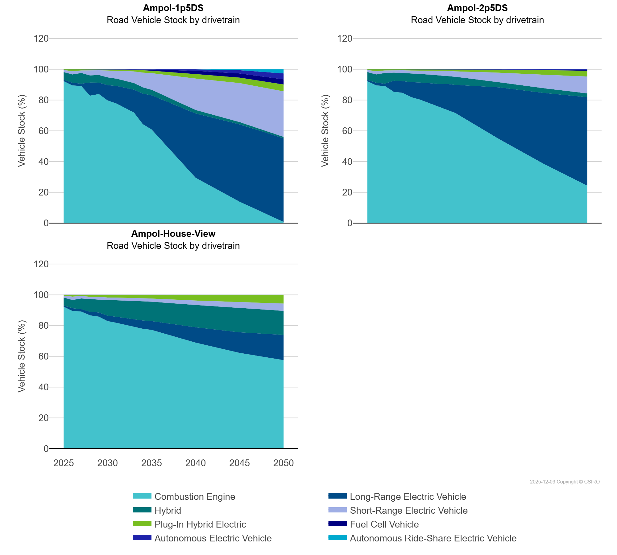
 | Autonomous Ride-Share Electric Vehicle | Vehicle Stock (%) | 0.00 | 0.00 | 0.00 | 0.00 | 0.00 | 0.00 | 0.00 | 0.00 | 0.00 | 0.00 | 0.00 | 0.04 | 0.60 | 2.69
 | Combustion Engine | Vehicle Stock (%) | 92.28 | 89.52 | 89.12 | 82.88 | 83.89 | 79.75 | 77.76 | 74.80 | 71.85 | 64.34 | 60.85 | 29.49 | 13.90 | 0.77
 | Fuel Cell Vehicle | Vehicle Stock (%) | 0.00 | 0.00 | 0.00 | 0.00 | 0.00 | 0.00 | 0.04 | 0.22 | 0.31 | 0.61 | 0.82 | 2.10 | 2.70 | 3.33
 | Hybrid | Vehicle Stock (%) | 5.09 | 5.36 | 6.96 | 4.62 | 4.93 | 5.01 | 4.71 | 4.53 | 4.31 | 4.07 | 3.60 | 2.23 | 1.51 | 0.90
 | Long-Range Electric Vehicle | Vehicle Stock (%) | 0.84 | 1.74 | 1.51 | 8.50 | 7.45 | 9.94 | 11.42 | 13.18 | 14.85 | 19.81 | 22.19 | 41.81 | 50.26 | 54.39
 | Plug-In Hybrid Electric | Vehicle Stock (%) | 0.51 | 1.16 | 0.75 | 0.64 | 0.66 | 0.82 | 0.82 | 0.92 | 1.07 | 1.37 | 1.55 | 2.91 | 3.55 | 4.46
 | Short-Range Electric Vehicle | Vehicle Stock (%) | 1.28 | 2.21 | 1.65 | 3.36 | 3.06 | 4.46 | 5.24 | 6.34 | 7.59 | 9.65 | 10.83 | 20.46 | 25.36 | 29.58
Ampol-2p5DS | Autonomous Electric Vehicle | Vehicle Stock (%) | 0.01 | 0.00 | 0.00 | 0.00 | 0.00 | 0.00 | 0.00 | 0.00 | 0.00 | 0.00 | 0.00 | 0.01 | 0.26 | 0.57
 | Autonomous Ride-Share Electric Vehicle | Vehicle Stock (%) | 0.00 | 0.00 | 0.00 | 0.00 | 0.00 | 0.00 | 0.00 | 0.00 | 0.00 | 0.00 | 0.00 | 0.00 | 0.00 | 0.00
 | Combustion Engine | Vehicle Stock (%) | 92.28 | 89.52 | 89.12 | 85.38 | 84.69 | 81.87 | 80.25 | 78.12 | 76.00 | 73.95 | 71.57 | 54.54 | 38.66 | 24.33
 | Fuel Cell Vehicle | Vehicle Stock (%) | 0.00 | 0.00 | 0.00 | 0.00 | 0.00 | 0.00 | 0.00 | 0.01 | 0.01 | 0.01 | 0.02 | 0.16 | 0.31 | 0.41
 | Hybrid | Vehicle Stock (%) | 5.09 | 5.36 | 6.96 | 5.27 | 5.31 | 5.53 | 5.53 | 5.57 | 5.57 | 5.34 | 5.27 | 3.33 | 3.04 | 2.43
 | Long-Range Electric Vehicle | Vehicle Stock (%) | 0.84 | 1.74 | 1.51 | 7.22 | 7.60 | 9.74 | 11.14 | 12.88 | 14.54 | 16.52 | 18.30 | 33.67 | 46.02 | 57.54
 | Plug-In Hybrid Electric | Vehicle Stock (%) | 0.51 | 1.16 | 0.75 | 0.60 | 0.68 | 0.80 | 0.79 | 0.87 | 0.96 | 1.01 | 1.34 | 2.04 | 2.96 | 3.74
 | Short-Range Electric Vehicle | Vehicle Stock (%) | 1.28 | 2.21 | 1.65 | 1.53 | 1.72 | 2.06 | 2.27 | 2.56 | 2.92 | 3.17 | 3.50 | 6.26 | 8.75 | 10.98
Ampol-House-View | Autonomous Electric Vehicle | Vehicle Stock (%) | 0.01 | 0.00 | 0.00 | 0.00 | 0.00 | 0.00 | 0.00 | 0.00 | 0.00 | 0.00 | 0.00 | 0.00 | 0.00 | 0.11
 | Autonomous Ride-Share Electric Vehicle | Vehicle Stock (%) | 0.00 | 0.00 | 0.00 | 0.00 | 0.00 | 0.00 | 0.00 | 0.00 | 0.00 | 0.00 | 0.00 | 0.00 | 0.00 | 0.00
 | Combustion Engine | Vehicle Stock (%) | 92.28 | 89.52 | 89.12 | 86.65 | 85.80 | 82.89 | 81.81 | 80.56 | 79.20 | 77.94 | 77.17 | 68.92 | 62.25 | 57.51
 | Fuel Cell Vehicle | Vehicle Stock (%) | 0.00 | 0.00 | 0.00 | 0.00 | 0.00 | 0.00 | 0.00 | 0.00 | 0.01 | 0.01 | 0.01 | 0.03 | 0.04 | 0.07
 | Hybrid | Vehicle Stock (%) | 5.09 | 5.36 | 6.96 | 8.29 | 8.51 | 10.05 | 10.71 | 11.27 | 11.89 | 12.33 | 12.62 | 14.52 | 15.94 | 15.64
 | Long-Range Electric Vehicle | Vehicle Stock (%) | 0.84 | 1.74 | 1.51 | 2.26 | 2.71 | 3.51 | 3.89 | 4.36 | 4.86 | 5.37 | 5.72 | 9.94 | 13.37 | 16.39
 | Plug-In Hybrid Electric | Vehicle Stock (%) | 0.51 | 1.16 | 0.75 | 1.28 | 1.31 | 1.77 | 1.77 | 1.94 | 2.12 | 2.32 | 2.40 | 3.70 | 4.61 | 5.52
 | Short-Range Electric Vehicle | Vehicle Stock (%) | 1.28 | 2.21 | 1.65 | 1.51 | 1.66 | 1.77 | 1.81 | 1.86 | 1.92 | 2.03 | 2.08 | 2.90 | 3.78 | 4.76

