Vehicle Distance Travelled by
 |  |  | 2025 | 2026 | 2027 | 2028 | 2029 | 2030 | 2031 | 2032 | 2033 | 2034 | 2035 | 2040 | 2045 | 2050
scen | process_sector2 | unit
Ampol-1p5DS | Articulated Vehicles | km | 8,875,994,832.18 | 8,957,298,514.63 | 9,052,141,842.38 | 9,710,308,010.50 | 9,962,897,843.09 | 10,194,368,684.63 | 10,446,481,401.14 | 10,745,706,006.48 | 11,067,185,343.31 | 11,397,675,531.28 | 11,745,177,808.39 | 13,528,088,133.95 | 15,499,208,027.77 | 17,693,517,605.91
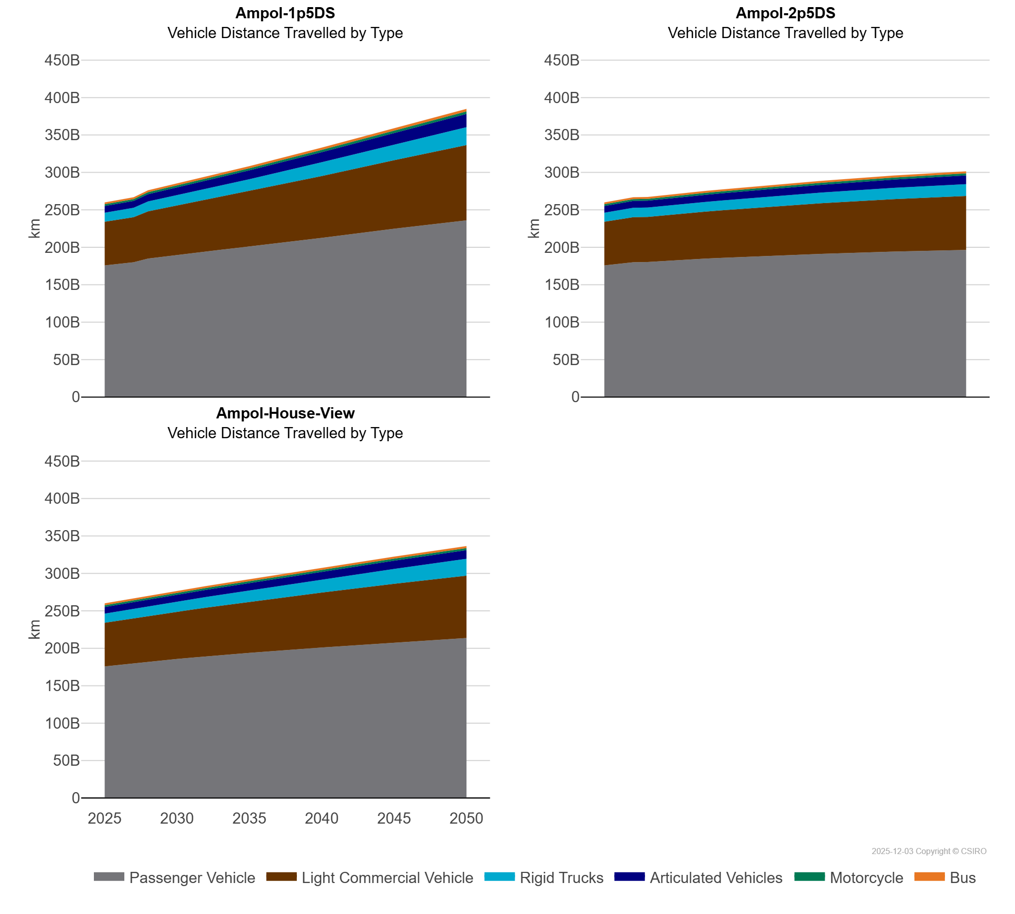
 | Bus | km | 2,408,069,122.94 | 2,432,076,682.40 | 2,453,696,810.66 | 2,545,123,800.63 | 2,584,651,220.09 | 2,624,747,713.77 | 2,657,224,472.25 | 2,682,731,610.74 | 2,702,305,617.77 | 2,706,135,216.85 | 2,743,716,469.79 | 2,953,112,853.76 | 3,159,641,503.97 | 3,363,370,652.37
 | Light Commercial Vehicle | km | 58,340,585,282.21 | 59,243,569,085.90 | 60,189,499,221.10 | 63,050,508,198.10 | 64,478,485,481.75 | 65,866,927,522.27 | 67,334,989,404.09 | 68,967,685,605.83 | 70,662,635,277.42 | 72,362,613,719.04 | 74,100,209,367.75 | 82,747,348,715.27 | 91,421,306,900.32 | 100,558,441,876.40
 | Motorcycle | km | 2,442,624,502.89 | 2,467,663,872.02 | 2,491,461,435.59 | 2,583,188,014.59 | 2,623,064,900.82 | 2,663,206,491.50 | 2,702,867,297.68 | 2,742,468,320.28 | 2,781,860,424.67 | 2,818,785,366.60 | 2,855,669,978.51 | 3,047,771,539.27 | 3,245,548,570.20 | 3,451,417,071.13
 | Passenger Vehicle | km | 175,752,570,370.18 | 177,881,611,491.67 | 179,930,051,191.36 | 184,934,134,743.18 | 187,455,581,582.29 | 189,900,585,554.06 | 192,210,354,593.11 | 194,467,358,984.71 | 196,658,726,575.50 | 198,756,379,822.29 | 200,882,590,944.21 | 212,465,704,394.80 | 224,838,183,403.26 | 235,946,876,129.79
 | Rigid Trucks | km | 12,102,644,723.30 | 12,371,734,654.23 | 12,665,015,723.13 | 13,263,014,969.87 | 13,602,711,690.26 | 13,905,471,232.69 | 14,235,727,640.88 | 14,631,779,446.57 | 15,063,389,318.16 | 15,496,366,928.24 | 15,954,970,192.85 | 18,333,455,379.16 | 20,950,475,700.90 | 23,865,615,560.18
Ampol-2p5DS | Articulated Vehicles | km | 8,875,994,832.18 | 8,957,298,514.63 | 9,052,141,842.38 | 9,155,686,047.74 | 9,249,205,216.67 | 9,319,154,396.31 | 9,403,593,186.94 | 9,515,154,280.84 | 9,624,687,979.03 | 9,725,343,290.43 | 9,834,317,355.96 | 10,429,060,959.71 | 11,057,659,681.07 | 11,666,698,334.91
 | Bus | km | 2,408,069,122.94 | 2,432,076,682.40 | 2,453,696,810.66 | 2,475,504,934.79 | 2,496,227,795.80 | 2,516,128,301.55 | 2,531,521,552.54 | 2,542,960,967.61 | 2,550,693,792.40 | 2,555,054,839.42 | 2,556,423,695.74 | 2,595,929,982.03 | 2,654,757,229.79 | 2,698,220,203.25
 | Light Commercial Vehicle | km | 58,340,585,282.21 | 59,243,569,085.90 | 60,189,499,221.10 | 60,258,027,926.93 | 60,903,454,352.23 | 61,478,665,557.56 | 62,085,026,602.49 | 62,772,040,166.38 | 63,430,479,754.20 | 64,054,078,734.39 | 64,690,374,450.18 | 67,622,610,421.27 | 70,046,880,876.96 | 72,041,518,530.37
 | Motorcycle | km | 2,442,624,502.89 | 2,467,663,872.02 | 2,491,461,435.59 | 2,510,690,233.61 | 2,530,591,857.15 | 2,549,071,808.14 | 2,565,826,488.85 | 2,581,762,322.33 | 2,596,808,103.58 | 2,611,254,399.56 | 2,625,262,331.28 | 2,684,793,839.03 | 2,734,773,083.92 | 2,769,574,584.03
 | Passenger Vehicle | km | 175,752,570,370.18 | 177,881,611,491.67 | 179,930,051,191.36 | 180,250,601,693.27 | 181,573,343,342.62 | 182,765,498,651.13 | 183,841,392,111.92 | 184,842,673,322.83 | 185,745,334,833.70 | 186,606,108,965.37 | 187,457,381,627.79 | 191,215,692,977.16 | 194,295,166,695.98 | 196,502,082,901.59
 | Rigid Trucks | km | 12,102,644,723.30 | 12,371,734,654.23 | 12,665,015,723.13 | 12,496,128,897.30 | 12,625,301,646.16 | 12,722,035,769.00 | 12,835,343,892.54 | 12,983,833,882.97 | 13,128,755,668.99 | 13,261,718,674.87 | 13,406,889,264.42 | 14,184,898,138.31 | 15,017,896,772.55 | 15,773,548,578.30
Ampol-House-View | Articulated Vehicles | km | 8,875,994,832.18 | 8,957,298,514.63 | 9,052,141,842.38 | 9,155,706,843.88 | 9,249,178,092.92 | 9,319,072,841.84 | 9,403,003,470.73 | 9,513,378,756.75 | 9,620,873,093.68 | 9,718,480,164.91 | 9,823,039,383.84 | 10,386,938,569.31 | 10,956,264,481.71 | 11,472,852,727.54
 | Bus | km | 2,408,069,122.94 | 2,432,076,682.40 | 2,453,696,810.66 | 2,475,134,102.42 | 2,495,750,188.46 | 2,515,568,449.20 | 2,532,942,178.72 | 2,548,102,508.44 | 2,561,313,590.25 | 2,572,926,036.06 | 2,582,072,879.55 | 2,605,105,841.58 | 2,654,762,202.37 | 2,698,218,598.71
 | Light Commercial Vehicle | km | 58,340,585,282.21 | 59,243,569,085.90 | 60,189,499,221.10 | 61,168,402,149.84 | 62,138,956,620.52 | 63,046,270,068.18 | 64,004,627,129.50 | 65,061,093,303.54 | 66,098,988,898.65 | 67,111,810,883.75 | 68,149,128,089.41 | 73,318,565,166.73 | 78,383,046,192.34 | 83,304,302,392.40
 | Motorcycle | km | 2,442,624,502.89 | 2,467,663,872.02 | 2,491,461,435.59 | 2,514,260,313.24 | 2,536,211,409.65 | 2,557,193,107.15 | 2,577,338,790.78 | 2,596,726,088.15 | 2,615,158,436.94 | 2,632,911,714.31 | 2,650,088,773.33 | 2,723,023,690.61 | 2,776,834,560.52 | 2,813,864,647.52
 | Passenger Vehicle | km | 175,752,570,370.18 | 177,881,611,491.67 | 179,930,051,191.36 | 181,885,033,709.46 | 183,836,773,742.14 | 185,686,461,597.29 | 187,452,285,147.16 | 189,144,568,335.63 | 190,734,107,163.60 | 192,281,842,571.08 | 193,818,311,786.60 | 201,037,051,243.97 | 207,768,775,817.22 | 213,654,411,757.74
 | Rigid Trucks | km | 12,102,644,723.30 | 12,371,734,654.23 | 12,665,015,723.13 | 12,975,607,623.51 | 13,279,243,259.21 | 13,556,088,216.78 | 13,859,162,653.35 | 14,209,087,863.56 | 14,563,934,009.38 | 14,913,693,841.92 | 15,284,767,056.23 | 17,365,475,824.69 | 19,803,835,012.98 | 22,553,222,718.09

