Vehicle Stock by Type
 |  |  | 2025 | 2026 | 2027 | 2028 | 2029 | 2030 | 2031 | 2032 | 2033 | 2034 | 2035 | 2040 | 2045 | 2050
scen | process_sector2 | unit
Ampol-1p5DS | Articulated Vehicles | vehicles | 83,071.28 | 81,279.03 | 82,043.63 | 87,726.26 | 89,958.45 | 91,984.61 | 94,195.00 | 96,828.86 | 99,519.20 | 103,629.09 | 105,493.57 | 121,304.01 | 138,846.37 | 158,464.98
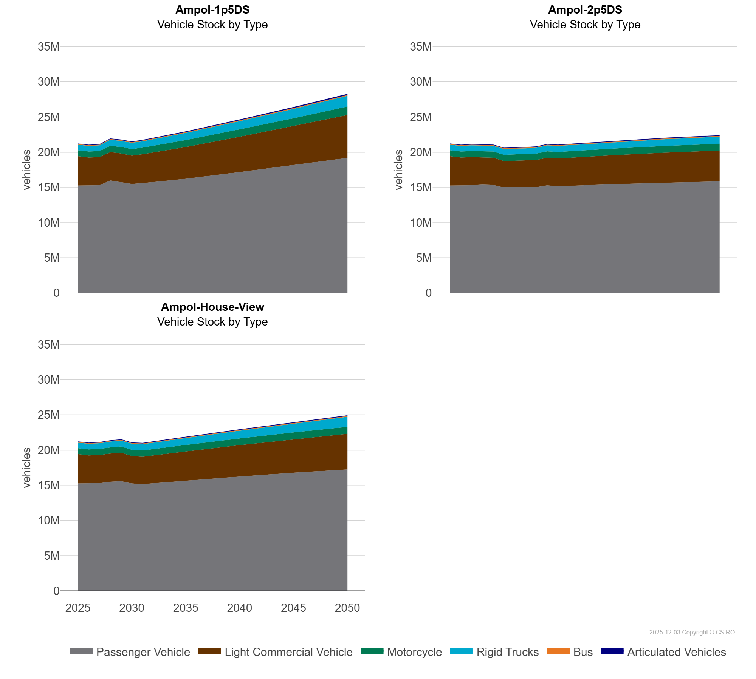
 | Bus | vehicles | 95,504.97 | 96,632.63 | 97,329.84 | 101,076.93 | 102,421.63 | 103,973.01 | 105,187.85 | 106,189.91 | 108,525.52 | 109,963.28 | 108,587.53 | 116,820.83 | 124,927.44 | 132,917.10
 | Light Commercial Vehicle | vehicles | 4,162,004.74 | 3,964,892.51 | 3,984,762.66 | 4,030,527.59 | 4,067,559.74 | 4,015,844.66 | 4,089,062.23 | 4,185,515.77 | 4,286,782.51 | 4,391,737.04 | 4,491,253.53 | 5,007,452.75 | 5,523,868.58 | 6,074,221.99
 | Motorcycle | vehicles | 853,352.74 | 861,986.61 | 869,557.31 | 900,901.04 | 914,688.93 | 928,550.94 | 942,239.80 | 955,900.02 | 969,482.19 | 982,162.94 | 994,798.86 | 1,060,896.81 | 1,129,264.82 | 1,204,202.64
 | Passenger Vehicle | vehicles | 15,267,480.80 | 15,277,830.67 | 15,311,223.62 | 15,994,517.06 | 15,752,469.50 | 15,505,596.54 | 15,622,331.97 | 15,765,451.03 | 15,924,011.56 | 16,098,038.67 | 16,241,722.39 | 17,180,331.43 | 18,168,211.75 | 19,199,732.75
 | Rigid Trucks | vehicles | 771,461.84 | 787,506.84 | 805,437.92 | 840,930.00 | 863,575.99 | 882,353.02 | 902,026.99 | 926,928.15 | 953,656.72 | 996,428.18 | 1,008,656.55 | 1,157,795.54 | 1,322,228.61 | 1,505,627.68
Ampol-2p5DS | Articulated Vehicles | vehicles | 83,071.28 | 81,279.03 | 82,043.63 | 82,499.82 | 83,348.09 | 84,991.87 | 85,472.11 | 86,173.12 | 86,855.72 | 87,671.63 | 88,648.18 | 93,988.90 | 99,646.86 | 105,128.74
 | Bus | vehicles | 95,504.97 | 96,632.63 | 97,329.84 | 98,095.54 | 98,910.35 | 100,171.06 | 100,294.42 | 100,713.42 | 101,007.15 | 101,168.33 | 101,216.69 | 102,792.14 | 105,094.83 | 106,785.22
 | Light Commercial Vehicle | vehicles | 4,162,004.74 | 3,964,892.51 | 3,984,762.66 | 3,865,888.24 | 3,871,057.31 | 3,751,069.74 | 3,775,412.26 | 3,815,368.65 | 3,854,036.36 | 3,917,103.37 | 3,948,459.59 | 4,104,359.07 | 4,247,538.10 | 4,365,563.37
 | Motorcycle | vehicles | 853,352.74 | 861,986.61 | 869,557.31 | 876,234.94 | 882,701.56 | 889,055.30 | 894,775.38 | 900,206.47 | 905,345.72 | 910,276.82 | 915,047.24 | 935,254.10 | 952,454.73 | 964,324.78
 | Passenger Vehicle | vehicles | 15,267,480.80 | 15,277,830.67 | 15,311,223.62 | 15,407,735.81 | 15,347,316.21 | 14,991,239.59 | 14,998,224.66 | 15,012,191.42 | 15,051,697.81 | 15,304,870.47 | 15,168,552.76 | 15,462,104.91 | 15,699,109.37 | 15,873,326.21
 | Rigid Trucks | vehicles | 771,461.84 | 787,506.84 | 805,437.92 | 790,479.17 | 798,803.39 | 826,796.18 | 823,427.92 | 821,727.82 | 830,964.29 | 839,471.02 | 861,879.59 | 897,891.02 | 950,374.78 | 997,941.20
Ampol-House-View | Articulated Vehicles | vehicles | 83,071.28 | 81,279.03 | 82,043.63 | 82,500.54 | 83,347.84 | 83,982.72 | 84,744.24 | 85,745.17 | 86,724.30 | 87,618.12 | 88,556.97 | 93,647.53 | 98,814.28 | 103,493.75
 | Bus | vehicles | 95,504.97 | 96,632.63 | 97,329.84 | 98,080.53 | 98,890.64 | 99,669.27 | 100,349.56 | 100,919.28 | 101,432.56 | 101,884.44 | 102,213.42 | 103,120.60 | 105,094.77 | 106,785.13
 | Light Commercial Vehicle | vehicles | 4,162,004.74 | 3,964,892.51 | 3,984,762.66 | 4,005,179.40 | 4,042,640.74 | 3,882,080.75 | 3,891,326.36 | 3,954,474.11 | 4,016,652.76 | 4,140,457.18 | 4,140,426.08 | 4,453,054.38 | 4,759,082.66 | 5,056,151.54
 | Motorcycle | vehicles | 853,352.74 | 861,986.61 | 869,557.31 | 877,113.24 | 884,706.73 | 891,957.24 | 898,932.78 | 905,645.88 | 912,026.48 | 918,168.50 | 924,104.55 | 949,247.77 | 967,682.54 | 980,242.02
 | Passenger Vehicle | vehicles | 15,267,480.80 | 15,277,830.67 | 15,311,223.62 | 15,506,227.61 | 15,591,718.03 | 15,271,659.72 | 15,168,230.85 | 15,297,982.70 | 15,423,844.59 | 15,547,212.89 | 15,670,500.01 | 16,249,703.09 | 16,789,586.19 | 17,261,279.62
 | Rigid Trucks | vehicles | 771,461.84 | 787,506.84 | 805,437.92 | 820,820.28 | 840,164.56 | 857,804.59 | 877,102.74 | 899,313.60 | 921,903.46 | 944,187.90 | 967,756.24 | 1,099,835.20 | 1,254,690.90 | 1,429,259.77

