Plots
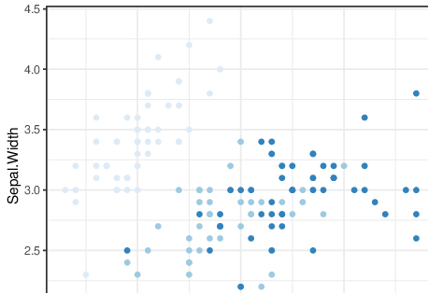
bla
1: left
2: center
3: rotateUp
4: rotateDown

