Sheet1
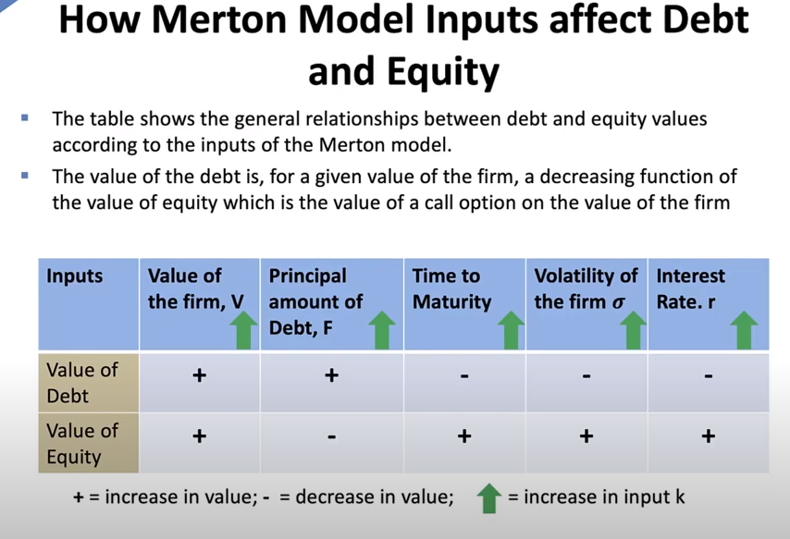
V(firm value) | 142.85714286 | 100
K(face value) | 100 | 80
T(future time period) | 7.5 | 3
r(risk-free rate) | 2.68% | 5.00%
V/K | 1.4285714286 | 1.25
leverage ratio | 0.7
σ (volatility) | 0.2 | 0.1

d1 | 1.292 | 2.241
d2 | 0.744 | 2.068
N(d1) | 0.902 | 0.987
N(-d1) | 0.098 | 0.013
N(d2) | 0.772 | 0.981

s (credit spread) | 0.008 | 0.075
S (credit spread in bps) | 78.075 | 747.671
yield to maturity | 0.035 | 0.125
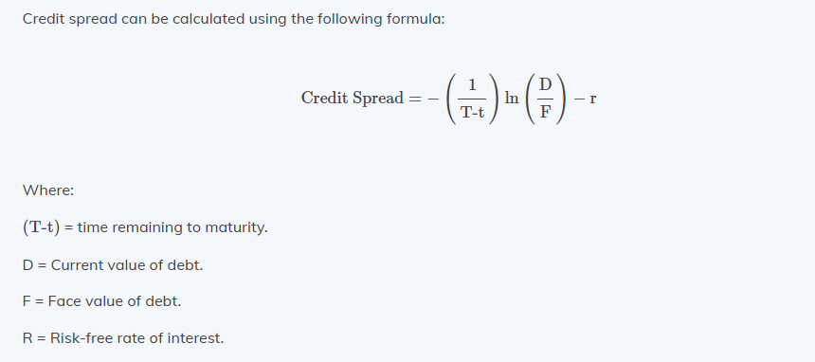
E (equity value) | 65.718 | 31.223
Debt value | 77.139 | 68.777

