Inputs
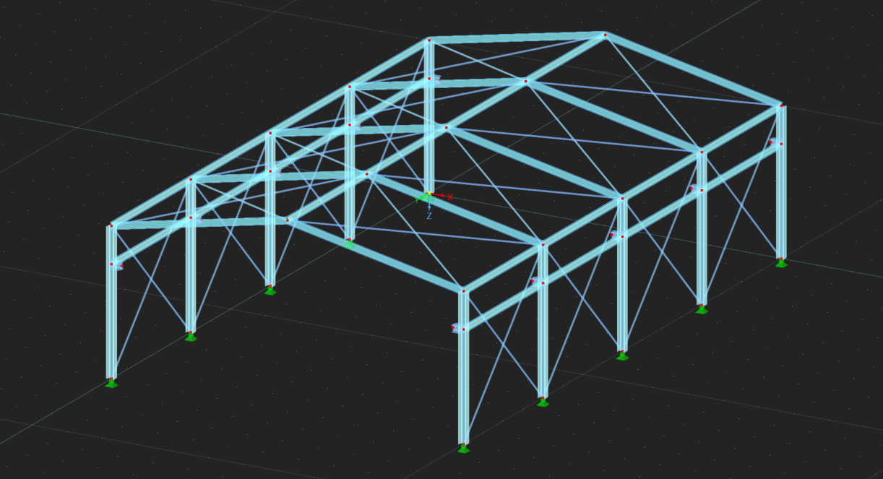
 | Steel Hall Creator

 | Geometric Inputs |  |  | Bracing Inputs

 | Number of Frame : |  | 5 | Include Vertical Bracing: |  | Every Blocks
 | Width of Frame (in m) : |  | 10
 | Length of Frame (in m) : |  | 4
 | Height of console (in m) : |  | 3 | Include Horizontal Bracing: |  | Yes
 | Height of column (in m) : |  | 4
 | Height of Gable (in m) : |  | 2

 |  | Member |  | Material | Section

 |  | Column |  | S275 | HEA 200
 |  | Beam |  | S235 | IPE 180
 |  | Bracing |  | S275 | R 35

