analysis
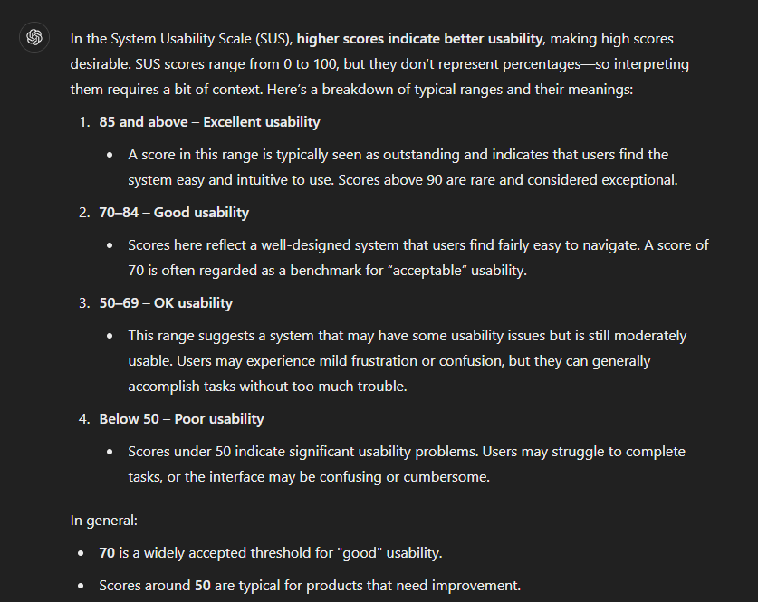

https://measuringu.com/interpret-sus-score/

