Sheet1
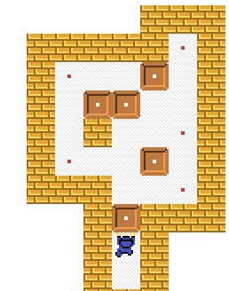
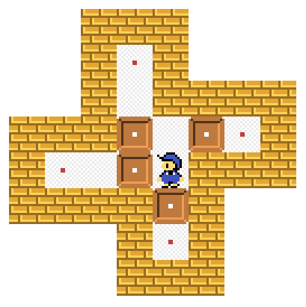
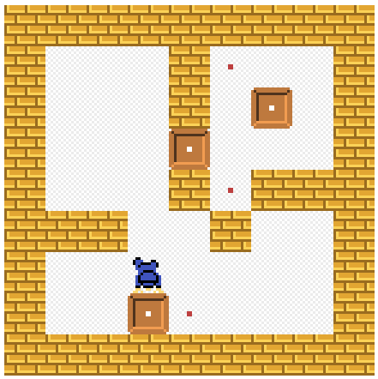
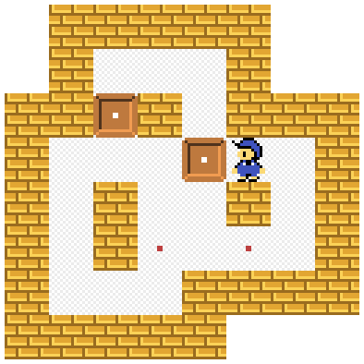
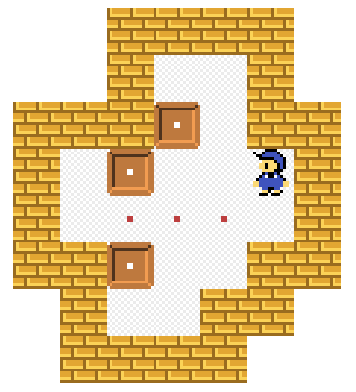
Level One |  |  |  |  |  |  |  |  |  | Level Four
10 | 10 | 10 | 10 | 10 | 10 | 10 | 10 | 10 | 10 | 10 | 10 | 10 | 10 | 10 | 10 | 10 | 10 | 10 | 10
10 | 10 | 10 | 10 | 10 | 10 | 10 | 10 | 10 | 10 | 10 | 10 | 10 | 10 | 10 | 10 | 10 | 10 | 10 | 10
10 | 10 | 10 | 10 | 7 | 10 | 10 | 10 | 10 | 10 | 10 | 10 | 4 | 1 | 10 | 7 | 1 | 1 | 10 | 10
10 | 10 | 10 | 10 | 1 | 10 | 10 | 10 | 10 | 10 | 10 | 10 | 1 | 1 | 10 | 1 | 8 | 1 | 10 | 10
10 | 10 | 10 | 10 | 8 | 1 | 8 | 7 | 10 | 10 | 10 | 10 | 1 | 1 | 8 | 7 | 1 | 1 | 10 | 10
10 | 10 | 7 | 1 | 8 | 3 | 10 | 10 | 10 | 10 | 10 | 10 | 10 | 8 | 10 | 10 | 10 | 10 | 10 | 10
10 | 10 | 10 | 10 | 10 | 8 | 10 | 10 | 10 | 10 | 10 | 10 | 1 | 1 | 1 | 1 | 1 | 1 | 10 | 10
10 | 10 | 10 | 10 | 10 | 7 | 10 | 10 | 10 | 10 | 10 | 10 | 1 | 1 | 7 | 1 | 1 | 1 | 10 | 10
10 | 10 | 10 | 10 | 10 | 10 | 10 | 10 | 10 | 10 | 10 | 10 | 10 | 10 | 10 | 10 | 10 | 10 | 10 | 10
10 | 10 | 10 | 10 | 10 | 10 | 10 | 10 | 10 | 10 | 10 | 10 | 10 | 10 | 10 | 10 | 10 | 10 | 10 | 10

Level Two |  |  |  |  |  |  |  |  |  | Level Five
10 | 10 | 10 | 10 | 10 | 10 | 10 | 10 | 10 | 10 | 10 | 10 | 10 | 10 | 10 | 10 | 10 | 10 | 10 | 10
10 | 10 | 10 | 1 | 1 | 1 | 1 | 10 | 10 | 10 | 10 | 10 | 10 | 10 | 10 | 10 | 10 | 10 | 10 | 10
10 | 10 | 7 | 2 | 8 | 1 | 1 | 10 | 10 | 10 | 10 | 10 | 10 | 1 | 1 | 1 | 10 | 10 | 10 | 10
10 | 10 | 10 | 10 | 1 | 8 | 7 | 10 | 10 | 10 | 10 | 10 | 10 | 8 | 10 | 1 | 10 | 10 | 10 | 10
10 | 10 | 7 | 10 | 10 | 8 | 1 | 10 | 10 | 10 | 10 | 10 | 1 | 1 | 1 | 8 | 3 | 1 | 10 | 10
10 | 10 | 1 | 10 | 1 | 7 | 1 | 10 | 10 | 10 | 10 | 10 | 1 | 10 | 1 | 1 | 10 | 1 | 10 | 10
10 | 10 | 8 | 1 | 9 | 8 | 8 | 7 | 10 | 10 | 10 | 10 | 1 | 10 | 7 | 1 | 7 | 1 | 10 | 10
10 | 10 | 1 | 1 | 1 | 7 | 1 | 1 | 10 | 10 | 10 | 10 | 1 | 1 | 1 | 10 | 10 | 10 | 10 | 10
10 | 10 | 10 | 1 | 1 | 1 | 1 | 10 | 10 | 10 | 10 | 10 | 10 | 10 | 10 | 10 | 10 | 10 | 10 | 10
10 | 10 | 10 | 10 | 10 | 10 | 10 | 10 | 10 | 10 | 10 | 10 | 10 | 10 | 10 | 10 | 10 | 10 | 10 | 10

Level Three |  |  |  |  |  |  |  |  |  | Level Six
10 | 10 | 10 | 10 | 10 | 10 | 10 | 10 | 10 | 10 | 10 | 10 | 10 | 10 | 10 | 10 | 10 | 10 | 10 | 10
10 | 10 | 10 | 10 | 10 | 10 | 7 | 10 | 10 | 10 | 10 | 10 | 10 | 10 | 10 | 10 | 10 | 10 | 10 | 10
10 | 10 | 7 | 1 | 1 | 8 | 1 | 10 | 10 | 10 | 10 | 10 | 10 | 10 | 1 | 1 | 10 | 10 | 10 | 10
10 | 10 | 1 | 8 | 8 | 1 | 1 | 1 | 10 | 10 | 10 | 10 | 10 | 10 | 8 | 1 | 10 | 10 | 10 | 10
10 | 10 | 1 | 10 | 1 | 1 | 7 | 1 | 10 | 10 | 10 | 10 | 1 | 8 | 1 | 1 | 3 | 10 | 10 | 10
10 | 10 | 7 | 1 | 1 | 8 | 1 | 1 | 10 | 10 | 10 | 10 | 1 | 7 | 7 | 7 | 1 | 10 | 10 | 10
10 | 10 | 10 | 10 | 1 | 1 | 7 | 10 | 10 | 10 | 10 | 10 | 10 | 8 | 1 | 1 | 10 | 10 | 10 | 10
10 | 10 | 10 | 10 | 8 | 10 | 10 | 10 | 10 | 10 | 10 | 10 | 10 | 1 | 1 | 10 | 10 | 10 | 10 | 10
10 | 10 | 10 | 10 | 5 | 10 | 10 | 10 | 10 | 10 | 10 | 10 | 10 | 10 | 10 | 10 | 10 | 10 | 10 | 10
10 | 10 | 10 | 10 | 10 | 10 | 10 | 10 | 10 | 10 | 10 | 10 | 10 | 10 | 10 | 10 | 10 | 10 | 10 | 10

