Sheet2
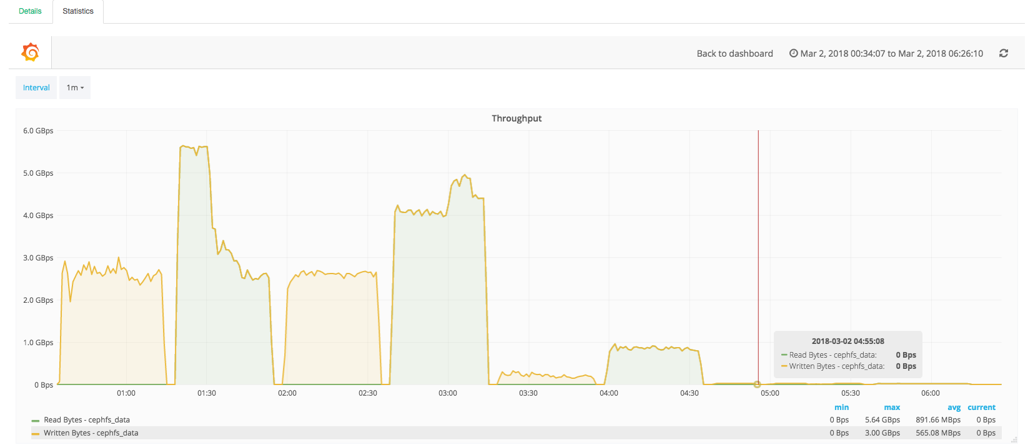
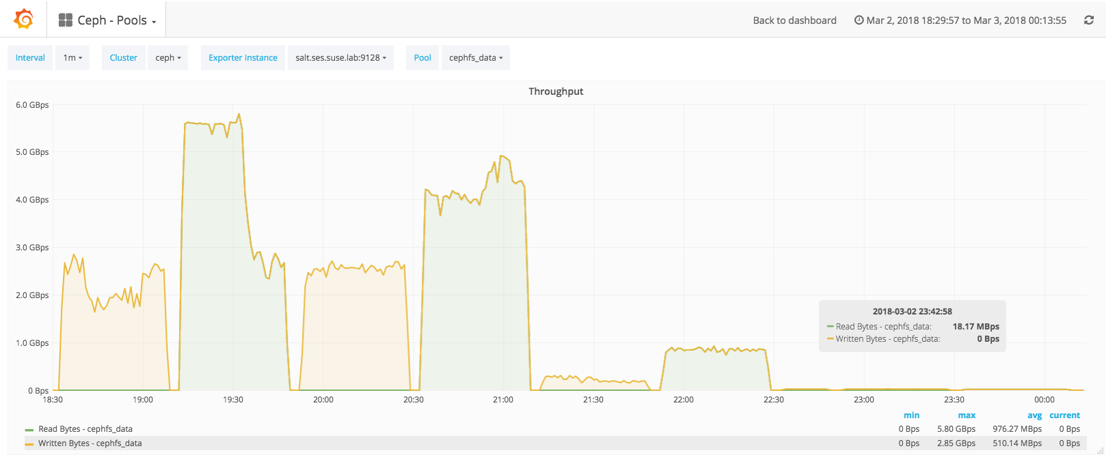
CephFS | node1 | node2 | node4 | node5 | node6 | aggregate | div | COLD cephfs pti=off spectre_v2=off w/darren tuning | node1 | node2 | node4 | node5 | node6 | aggregate | percentage change over default | WARM cephfs pti=off spectre_v2=off w/darren tuning | node1 | node2 | node4 | node5 | node6 | aggregate | percentage change over default
rand 4k Write BW (MiB/s) | 4.12 | 4.16 | 4.13 | 4.28 | 4.15 | 20.84 | 0.14472222222 | rand 4k Write BW (MiB/s) | 5.15 | 5.18 | 5.08 | 5.24 | 5.2 | 25.85 | 19.38% | rand 4k Write BW (MiB/s) | 4.27 | 4.21 | 4.25 | 4.29 | 4.18 | 21.2 | 1.70%
rand 4k Write IOPS | 1031 | 1041 | 1034 | 1071 | 1039 | 5216 | 36.222222222 | rand 4k Write IOPS | 1288 | 1294 | 1270 | 1309 | 1300 | 6461 | 19.27% | rand 4k Write IOPS | 1069 | 1052 | 1062 | 1074 | 1045 | 5302 | 1.62%
rand 4k Write Latency (ms) | 155.2 | 153.73 | 154.7 | 149.42 | 154.04 | 153.418 |  | rand 4k Write Latency (ms) | 124.18 | 123.6 | 125.93 | 122.18 | 123.12 | 123.802 | -23.92% | rand 4k Write Latency (ms) | 149.77 | 152.11 | 150.72 | 149.1 | 153.19 | 150.978 | -1.62%
rand 4k Read BW (MiB/s) | 3.37 | 4.04 | 3.83 | 3.9 | 4.17 | 19.31 | 0.13409722222 | rand 4k Read BW (MiB/s) | 3.18 | 3.81 | 3.59 | 3.74 | 3.95 | 18.27 | -5.69% | rand 4k Read BW (MiB/s) | 3.08 | 3.7 | 3.53 | 3.55 | 3.79 | 17.65 | -9.41%
rand 4k Read IOPS | 842 | 1012 | 957 | 975 | 1043 | 4829 | 33.534722222 | rand 4k Read IOPS | 795 | 953 | 898 | 936 | 987 | 4569 | -5.69% | rand 4k Read IOPS | 770 | 925 | 884 | 889 | 948 | 4416 | -9.35%
rand 4k Read Latency (ms) | 190.62 | 158.25 | 167.56 | 164.4 | 153.75 | 166.916 |  | rand 4k Read Latency (ms) | 201.85 | 168.13 | 178.52 | 171.18 | 162.36 | 176.408 | 5.38% | rand 4k Read Latency (ms) | 208.45 | 173.2 | 181.27 | 180.5 | 169.2 | 182.524 | 8.55%
seq 1024k Write BW (MiB/s) | 501 | 499 | 498 | 507 | 502 | 2507 | 17.409722222 | seq 1024k Write BW (MiB/s) | 410 | 409 | 392 | 420 | 417 | 2048 | -22.41% | seq 1024k Write BW (MiB/s) | 482 | 499 | 493 | 510 | 511 | 2495 | -0.48%
seq 1024k Write IOPS | 500 | 498 | 497 | 506 | 501 | 2502 | 17.375 | seq 1024k Write IOPS | 409 | 408 | 392 | 419 | 417 | 2045 | -22.35% | seq 1024k Write IOPS | 482 | 498 | 492 | 510 | 511 | 2493 | -0.36%
seq 1024k Write Latency (ms) | 319.76 | 320.93 | 320.82 | 315.34 | 318.54 | 319.078 |  | seq 1024k Write Latency (ms) | 390.86 | 391.2 | 407.72 | 380.68 | 383.66 | 390.824 | 18.36% | seq 1024k Write Latency (ms) | 331.77 | 321.06 | 324.7 | 313.7 | 313.03 | 320.852 | 0.55%
seq 1024k Read BW (MiB/s) | 644 | 698 | 696 | 653 | 664 | 3355 | 23.298611111 | seq 1024k Read BW (MiB/s) | 810 | 793 | 824 | 830 | 803 | 4060 | 17.36% | seq 1024k Read BW (MiB/s) | 652 | 684 | 711 | 689 | 701 | 3437 | 2.39%
seq 1024k Read IOPS | 644 | 698 | 695 | 652 | 663 | 3352 | 23.277777778 | seq 1024k Read IOPS | 810 | 793 | 824 | 830 | 802 | 4059 | 17.42% | seq 1024k Read IOPS | 652 | 683 | 710 | 689 | 701 | 3435 | 2.42%
seq 1024k Read Latency (ms) | 248.26 | 228.92 | 229.8 | 244.96 | 240.73 | 238.534 |  | seq 1024k Read Latency (ms) | 197.36 | 201.54 | 193.93 | 192.57 | 199.03 | 196.886 | -21.15% | seq 1024k Read Latency (ms) | 245.11 | 233.75 | 224.95 | 231.87 | 228.02 | 232.74 | -2.49%
seq 128k Write BW (MiB/s) | 493 | 505 | 494 | 509 | 497 | 2498 | 17.347222222 | seq 128k Write BW (MiB/s) | 499 | 485 | 490 | 492 | 489 | 2455 | -1.75% | seq 128k Write BW (MiB/s) | 512 | 492 | 495 | 503 | 500 | 2502 | 0.16%
seq 128k Write IOPS | 3942 | 4041 | 3953 | 4068 | 3975 | 19979 | 138.74305556 | seq 128k Write IOPS | 3990 | 3880 | 3923 | 3933 | 3914 | 19640 | -1.73% | seq 128k Write IOPS | 4093 | 3936 | 3962 | 4023 | 4002 | 20016 | 0.18%
seq 128k Write Latency (ms) | 40.52 | 39.52 | 40.41 | 39.27 | 40.19 | 39.982 |  | seq 128k Write Latency (ms) | 40.05 | 41.17 | 40.72 | 40.62 | 40.81 | 40.674 | 1.70% | seq 128k Write Latency (ms) | 39.03 | 40.58 | 40.31 | 39.71 | 39.91 | 39.908 | -0.19%
seq 128k Read BW (MiB/s) | 733 | 877 | 890 | 742 | 884 | 4126 | 28.652777778 | seq 128k Read BW (MiB/s) | 737 | 853 | 882 | 738 | 875 | 4085 | -1.00% | seq 128k Read BW (MiB/s) | 726 | 867 | 874 | 723 | 883 | 4073 | -1.30%
seq 128k Read IOPS | 5866 | 7015 | 7116 | 5937 | 7075 | 33009 | 229.22916667 | seq 128k Read IOPS | 5895 | 6827 | 7053 | 5907 | 7003 | 32685 | -0.99% | seq 128k Read IOPS | 5810 | 6937 | 6995 | 5783 | 7061 | 32586 | -1.30%
seq 128k Read Latency (ms) | 27.26 | 22.8 | 22.47 | 26.94 | 22.6 | 24.414 |  | seq 128k Read Latency (ms) | 27.13 | 23.42 | 22.67 | 27.07 | 22.84 | 24.626 | 0.86% | seq 128k Read Latency (ms) | 27.53 | 23.05 | 22.86 | 27.65 | 22.65 | 24.748 | 1.35%
seq 8k Write BW (MiB/s) | 39.3 | 38.7 | 40.3 | 47.1 | 34.1 | 199.5 | 1.3854166667 | seq 8k Write BW (MiB/s) | 38.6 | 37.5 | 38 | 48.5 | 38.8 | 201.4 | 0.94% | seq 8k Write BW (MiB/s) | 37.7 | 37.4 | 34.7 | 42.2 | 34.9 | 186.9 | -6.74%
seq 8k Write IOPS | 5031 | 4951 | 5158 | 6028 | 4366 | 25534 | 177.31944444 | seq 8k Write IOPS | 4942 | 4796 | 4864 | 6204 | 4972 | 25778 | 0.95% | seq 8k Write IOPS | 4829 | 4784 | 4436 | 5403 | 4467 | 23919 | -6.75%
seq 8k Write Latency (ms) | 31.78 | 32.29 | 31 | 26.53 | 36.63 | 31.646 |  | seq 8k Write Latency (ms) | 32.36 | 33.34 | 32.87 | 25.77 | 32.16 | 31.3 | -1.11% | seq 8k Write Latency (ms) | 33.11 | 33.42 | 36.04 | 29.59 | 35.8 | 33.592 | 5.79%
seq 8k Read BW (MiB/s) | 195 | 138 | 137 | 195 | 145 | 810 | 5.625 | seq 8k Read BW (MiB/s) | 187 | 143 | 141 | 198 | 139 | 808 | -0.25% | seq 8k Read BW (MiB/s) | 168 | 133 | 129 | 172 | 124 | 726 | -11.57%
seq 8k Read IOPS | 24900 | 17700 | 17500 | 2500 | 18600 | 81200 | 563.88888889 | seq 8k Read IOPS | 23900 | 18300 | 18100 | 25400 | 17800 | 103500 | 21.55% | seq 8k Read IOPS | 21500 | 17100 | 16500 | 22100 | 15900 | 93100 | 12.78%
seq 8k Read Latency (ms) | 6.41 | 9.03 | 9.15 | 6.38 | 8.58 | 7.91 |  | seq 8k Read Latency (ms) | 6.68 | 8.74 | 8.85 | 6.3 | 8.96 | 7.906 | -0.05% | seq 8k Read Latency (ms) | 7.42 | 9.36 | 9.66 | 7.24 | 10.05 | 8.746 | 9.56%

