15639688
Table 1. Demographic and baseline characteristics presented according to pooled treatment groups.

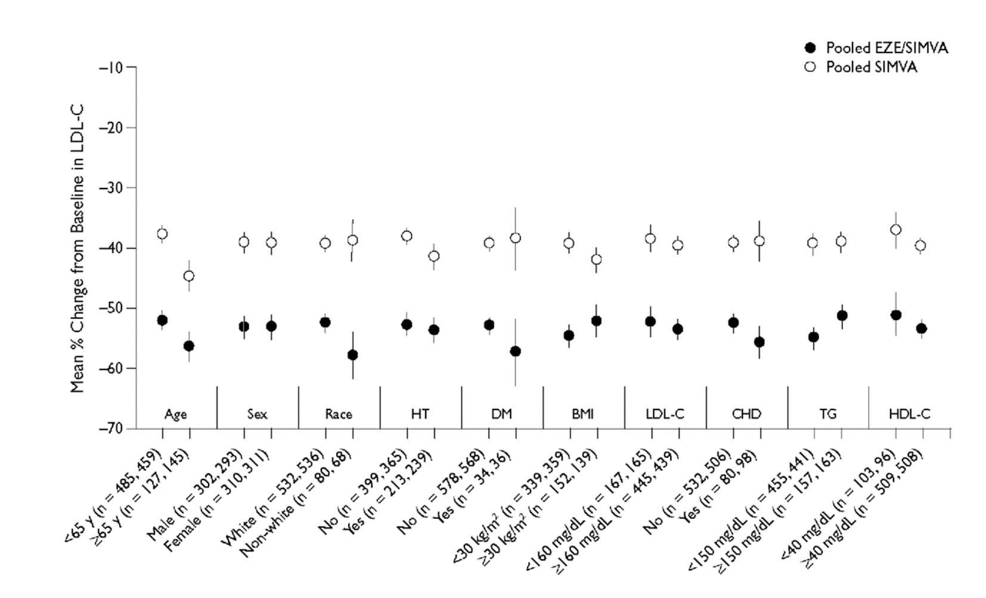
 | Placebo | EZE | Pooled SIMVA | Pooled EZE/SIMVA
Characteristic | (n = MS) | (ri = 149) | (ri = 622) | (n = 609)
Age, mean (SD), y | 56.0 (I0.S) | 55.5 (1 1.0) | 54.9 (1 1.2) | 56.4 (10.6)
Patients aged >65 y, no, (SS) | 34 (23.0) | 34 (22.8) | 31 (214) | 146 (24.0)
Sex, no. (%)
Female | 83 (56.1) | 81 (544) | 3 15 (50.6) | 313 (5 1.4)
Male | 65 (43.9) | 68 (45.6) | 307 (49.4) | 296 (48.6)
Pace, no. (36)
White | 32 (89.2) | 123 (893) | 541 (87.0) | 540 (88.7)
B lack | 5 (34) | 4 (2.7) | 21 (34) | 19(3.1)
Hispanic | 2(1.4) | 4 (2.7) | 17(2.7) | 8(13)
Other | 9 (6.1) | 8 (5.4) | 43 (6.9) | 42 (6,9)
BMI, mean (SD), kg/rn2 | 28.0 (4.9) | 284 (5.1) | 28.3 (5.1) | 27.9 (4.6)
Baseline lipid/lipoprotem values
LDL-C, mean (SD), mg/dL | 177.9 (22.8) | 79.9 (23.1) | 177.5 (25.3) | 76.2 (24.8)
TG, median (SDy rng/cJL | 142.8 (62.6) | 45.5 (79.1) | 1 55.3 (753) | 53.3 (83.3)
TC, mean (SD), rrig/dL | 261.6 (284) | 264.5 (26.3) | 261.7 (28.7) | 260.8 (28.0)
HDL-C, mean (SD), mg/dL | 52.9 (13.2) | 524 (12.8) | 51.0 (12.3) | 51.8 (13.0)
Non-HDL-C, mean (SD), rng/dL | 208.7 (27.8) | 212.1 (27.2) | 210.8 (28.0) | 209.0 (28.6)
LDL-CiHDL-C, mean (SD) | 3.6 (1.0) | 3.6 (1.0) | 37(1.0) | 3.6 (1.0)
TCHDL-C, mean (SD) | 5.2 (1.3) | 5.3 (1.3) | 54(1.3) | 5.3 (1.3)
apo B, mean (SD), mg/dL | 161.7 (23.1) | 654 (22.5) | 164.2 (22.5) | 62.3 (22.2)
apo A-1, mean (SD), mg/dL | 1 63.0 (3 1.0) | 62.1 (27.8) | 1 59.9 (29.0) | 6 1.9 (28.4)
CRp median (SE), rng/L | 2.0 (4.0) | 2.6 (3.8) | 2.3 (3.3) | 2.1 (3.3)
PLP-C, mean (SD), mg/dL | 3.2 (79) | 13.9 (6.0) | 4.1 (7.5) | 4.0 (/.I)
EZE = ezetimibe 10 mg; pooled SINVA = simvastatin pooled across doses; pooled EZE/SINVA = ezetimibe/simvastatin tablet pooled across doses; BNI = body mass index; LDL-C = low-density lipoprotein cholesterol; T G = triglycerides; T C = total cholesterol; HDL-C = high-density lipoprotein cholesterol; apo — apolipoprotein; C RP — C-neactive protein; RLP-C= remnant-like particle-cholesterol.

