16905022
Figure 2: Eﬀ ects of ramipril or perindopril on cardiovascular mortality, non-fatal myocardial infarction, or stroke in patients taking antiplatelet agents, lipid-lowering agents, β blockers individually or together, in patients who underwent coronary revascularisation or not, and in patients who underwent coronary revascularisation and were taking all three drugs or fewer than three drugs at trial entry. Odds ratios

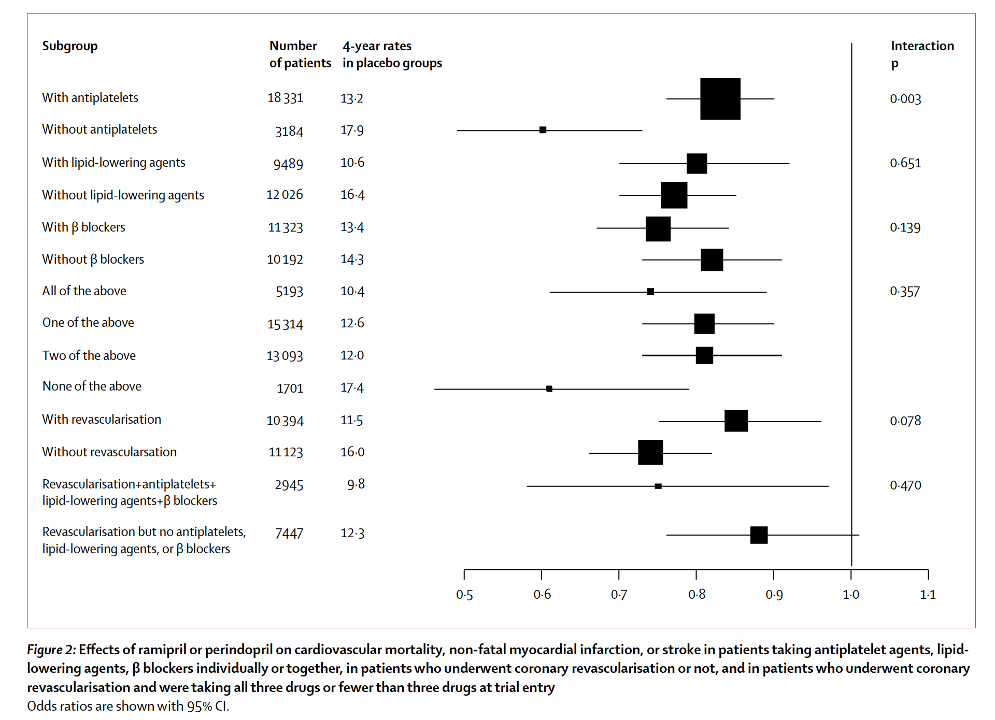
Subgroup | Number of patients | 4-year rates in placebo groups | | Interactior 1 P
With antiplatelets | 18 331 | 13-2 | 0-003
Without antiplatelets | 3184 | 17-9
With lipid-lowering agents | 9489 | 10-6 | 0-651
Without lipid-lowering agents | 12 026 | 16-4
With p blockers | 11323 | 13-4 | 0-139
Without p blockers | 10192 | 14-3
All of the above | 5193 | 10-4 | 0-357
One of the above | 15314 | 12-6
Two of the above | 13 093 | 12-0
None of the above | 1701 | 17-4
With revascularisation | 10394 | 11-5 | 0-078
Without revascularsation | 11123 | 16-0
Revascularisation+antiplatelets+ lipid-lowering agents+p blockers | 2945 | 9-8 | 0-470
Revascularisation but no antiplatelets, lipid-lowering agents, or p blockers | 7447 | 12-3

