17560879
Patient characteristics and baseline lipid variables in the pooled simvastatin factorial and atorvastatin factorial studies

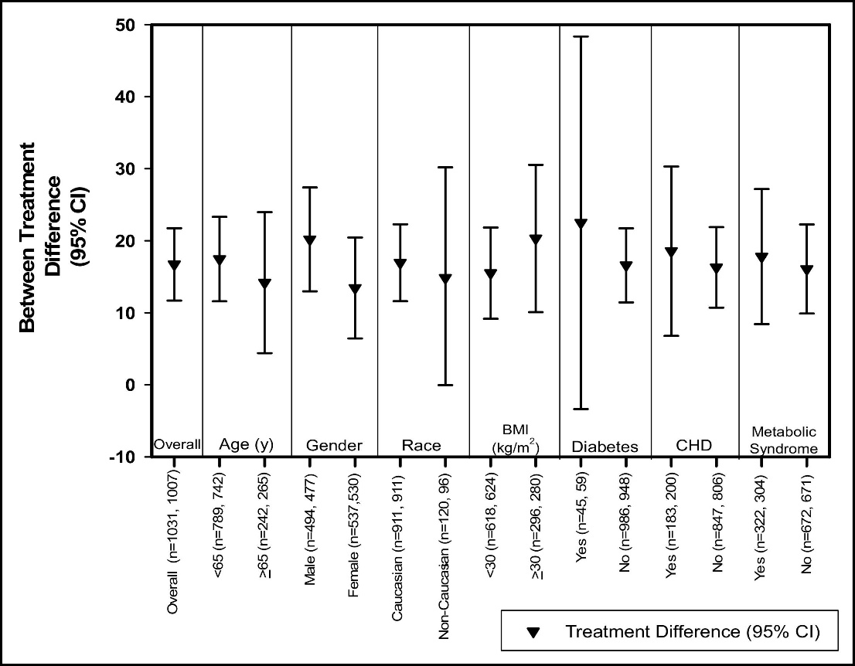
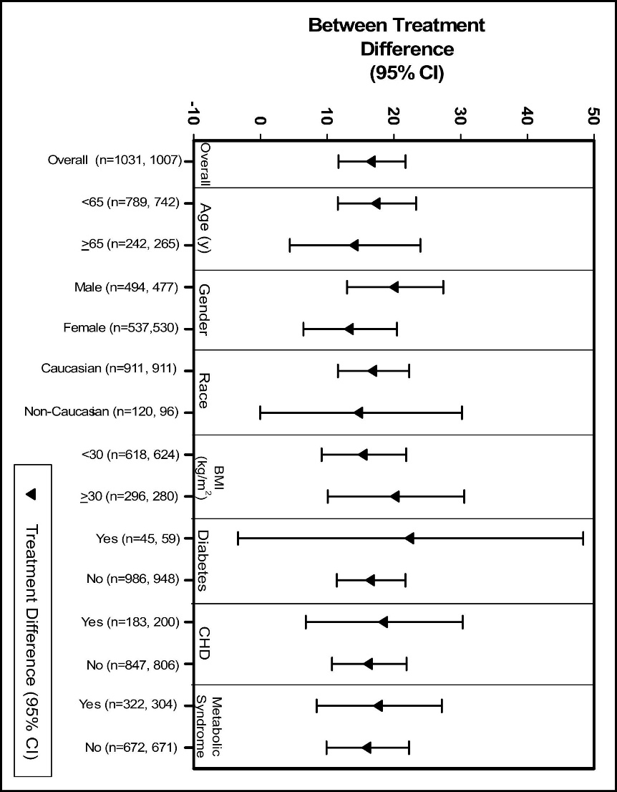
Variable | Pooled Simvastatin Factorial Studies |  |  |  | Atorvastatin Factorial Study
 | Placebo (n = 257*) | Ezetimibe 10 mg (n = 246*) | Simvastatin Monotherapy (n = 1,031*) | Ezetimibe + Simvastatin (n = 1,007*) | Atorvastatin Monotherapy (n = 917*) | Ezetimibe + Simvastatin (n = 915*)
Age (yrs) | 57 ± 11 | 57 ± 11 | 55+11 | 57 ± 11 | 58 ± 10 | 59 ± 10
<65 | 72.8% | 74.8% | 76.5% | 73.7% | 70.1% | 68.5%
>65 | 27.2% | 25.2% | 23.5% | 26.3% | 29.9% | 31.5%
Men (%) | 43.6% | 42.7% | 47.9% | 47.4% | 52.5% | 51.9%
Caucasian (%) | 90.3% | 90.2% | 88.4% | 90.5% | 86.2% | 86.1%
Body mass index (kg/nr) | 28 ± 5 | 29 ± 5 | 29 ± 5 | 28 ± 5 | 30 ± 6 | 30 ± 5
Coronary heart disease (%) | 19.5% | 21.1% | 17.8% | 19.9% | 19.4% | 20.5%
Metabolic syndrome (%) | 25.7% | 27.6% | 31.2% | 31.9% | 51.8% | 52.4%
Diabetes mellitus (%) | 9.7% | 6.9% | 4.4% | 5.9% | 21.5% | 23.0%
CRP (mg/L), median ± SD | 2 ± 4 | 2 + 4 | 2 ± 3 | 2 ± 3 | 2 ± 3 | 2 ± 3
Total cholesterol (mg/dl) | 262 ± 28 | 266 ± 28 | 262 ± 28 | 262 ± 28 | 265 ± 42 | 264 ± 42
LDL cholesterol (mg/dl) | 177 ± 23 | 180 ± 24 | 177 ± 24 | 176 ± 24 | 179 ± 38 | 178 ± 38
TG (mg/dl), median ± SD | 152 ± 76 | 157 ± 92 | 158 ± 80 | 160 ± 89 | 168 ± 93 | 170 ± 95
Apolipoprotein B (mg/dl) | 163 ± 24 | 166 ± 23 | 164 ± 23 | 163 ± 23 | 165 ± 29 | 165 ± 29
HDL (mg/dl) | 52 ± 12 | 52 ± 12 | 51 ± 12 | 51 ± 13 | 49 ± 12 | 49 ± 13

