18479744
Table 1: Preoperative characteristics and type of surgery and anaesthesia or analgesia

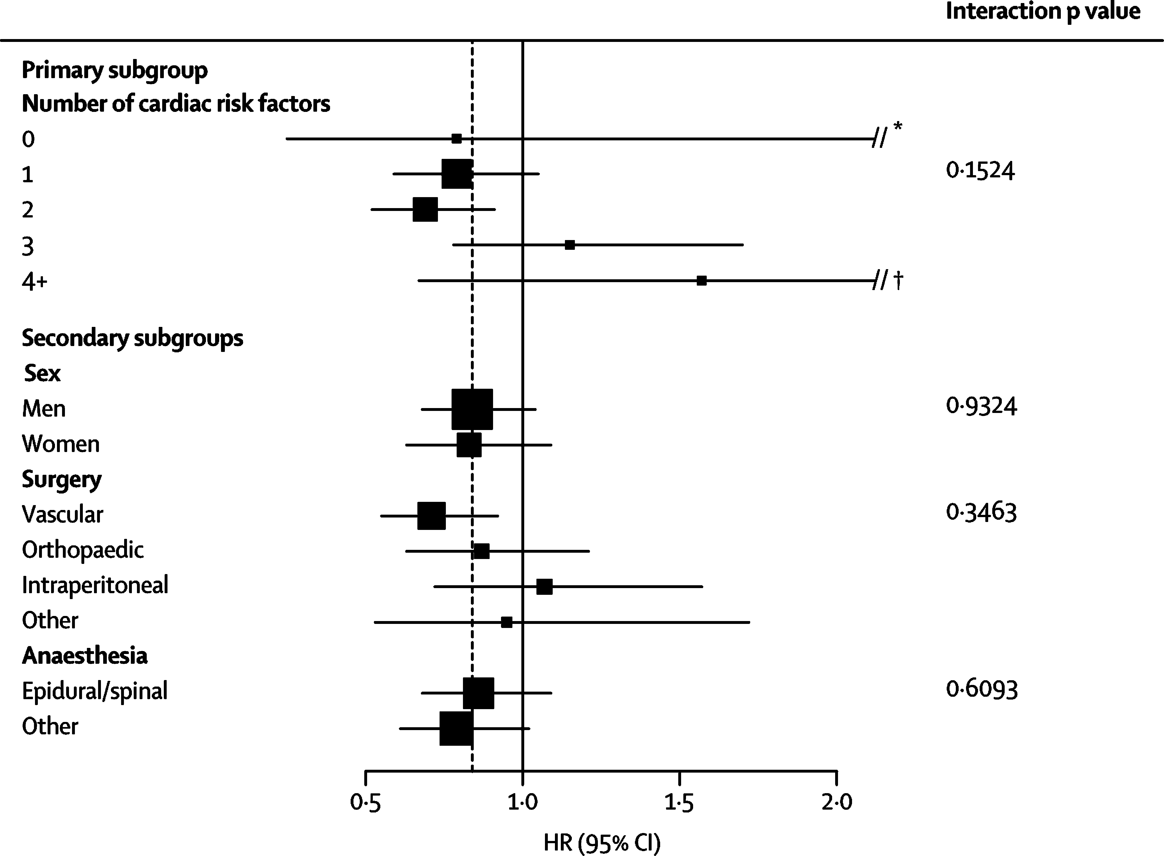
 | Metoprolol group (N=4174) | Placebo group (N=4177)
Age (years) | 68-9 (10-5) | 69-1 (10-4)
Sex (female) | 1549 (37-1%) | 1509 (36-1%)
Preoperative heart rate (beats per minute) | 77-6 (12-2) | 78-1 (12-4)
Preoperative blood pressure (mm Hg) Patients fulfilling eligibility criteria | 138-7 (19-9)778-3 (11-3) | 138-7 (19-7)/78-5 (1
Coronary artery disease | 1805 (43-3%) | 1784(42-7%)
Peripheral arterial disease | 1731 (41-5%) | 1680 (40-2%)
Stroke thought due to atherothrombotic disease | 619 (14-8%) | 644(15-4%)
Hospitalisation for CHF within 3 years of randomisation | 112 (2-7%) | 108 (2-6%)
Undergoing major vascular surgery | 1500 (36-0%) | 1485 (35-6%)
Three of seven risk factors | 765 (18-3%) | 788 (18-9%)
Intrathoracic or intraperitoneal surgery | 997 (23-9%) | 1026 (24-6%)
Any history of congestive heart failure | 260 (6-2%) | 239 (5-7%)
Diabetes and currently on an oral hypoglycaemic agent orinsulin | 1217 (29-2%) | 1210 (29-0%)
Preoperative serum creatinine >175 pmol/L | 207 (5-0%) | 194(4-6%)
Age >70 years | 2106 (50-5%) | 2205 (52-8%)
History of a transient ischaemic attack | 442 (10-6%) | 440 (10-5%)
Emergent/urgent surgery | 440 (10-5%) | 438 (10-5%)
Other cardiovascular risk factors
History of hypertension | 2635 (63-2%) | 2627 (62-9%)
Current smoker | 806 (19-3%) | 793 (19-0%)
Pre-operative cardiac medications*
Aspirin | 1517 (36-4%) | 1494 (35-8%)
Low-molecular weight heparin or intravenous unfractionated heparin | 388 (9-3%) | 384 (9-2%)
ACE inhibitor or ARB | 1849 (44-3%) | 1868 (44-7%)
Statin | 1335 (32-0%) | 1342 (32-1%)
Diuretic | 912 (21-9%) | 852 (20-4%)
Calcium channel blocker | 902 (21-6%) | 937 (22-4%)
Surgery
Vascular | 1749 (41-9%) | 1716 (411%)
Intraperitoneal | 887 (21-3%) | 928 (22-2%)
Orthopaedic | 873 (20-9%) | 883 (21-1%)
Other | 665 (15-9%) | 650 (15-6%)
Anaesthesia/analgesia
General | 1965 (47-1%) | 1985 (47-5%)
Spinal | 717 (17-2%) | 696 (16-7%)
Lumbar epidural | 460 (11-0%) | 441 (10-6%)
General andthoracic epidural | 377 (9-0%) | 351 (8-4%)
General and lumbar epidural | 140 (3-4%) | 155 (3-7%)
Regional anaesthesia | 139 (3-3%) | 145 (3-5%)
Other | 322 (7-7%) | 333 (8-0%)
Data are mean (SD) or n (%). ACE=angiotensin-converting enzyme, ARB=angiotensin-receptor blocker. CHF=congestive heart failure. *Any use in 24 h before surgery except for aspirin which only required any use in the 7 days before surgery.

