19190658
Table 1 Demographic and baseline characteristics of randomized study participants by treatment

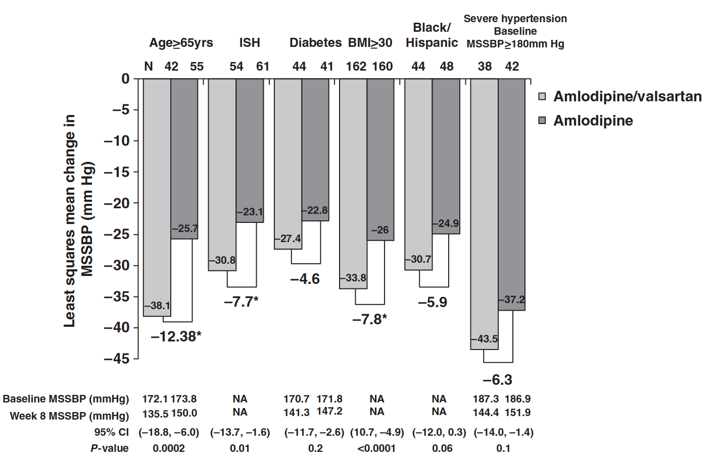
Parameter/variable | Amlodipine/ vaisartan (n = 286) | Amlodipine (n = 286)
Mean age, years | 52.9 | 53.6
Age >65 years, n (%) | 42 (14.7) | 55 (19.2)
Sex, n (%)
Male | 120 (42.0) | 108 (37.8)
F emale | 166 (58.0) | 178 (62.2)
Race/ethnicity n (%)
Black | 286 (100) | 286 (100)
Hispanic black | 46 (16.1) | 49 (17.1)
Mean BMI, kg/m2 (s.d.) | 32.1 (6.7) | 32.5 (7.2)
Diabetes, n (%) | 47 (16.4) | 41 (14.3)
Isolated systolic hypertension, n (%)“ | 54 (18.8) | 61 (21.3)
Mean blood pressure, mmHg (s.d.j
MSSBP | 170.4 (9.6) | 170.5 (8.9)
MSDBP | 98.5 (10.9) | 98.2 (10.1)
Severity n (%)
MSSBP <180mmHg | 247 (86.4) | 243 (85.0)
MSSBP >180mmHg | 39 (13.6) | 42 (14.7)
Mean pulse pressure, mmHg (s.d.)“ | 72.1 (12.7) | 72.5 (12.5)
Populations:
Intent-to-treat population, n (%) | 278 (97.2) | 278 (97.2)
Safety population, n (%) | 286 (100.0) | 285 (99.7)

