19508464
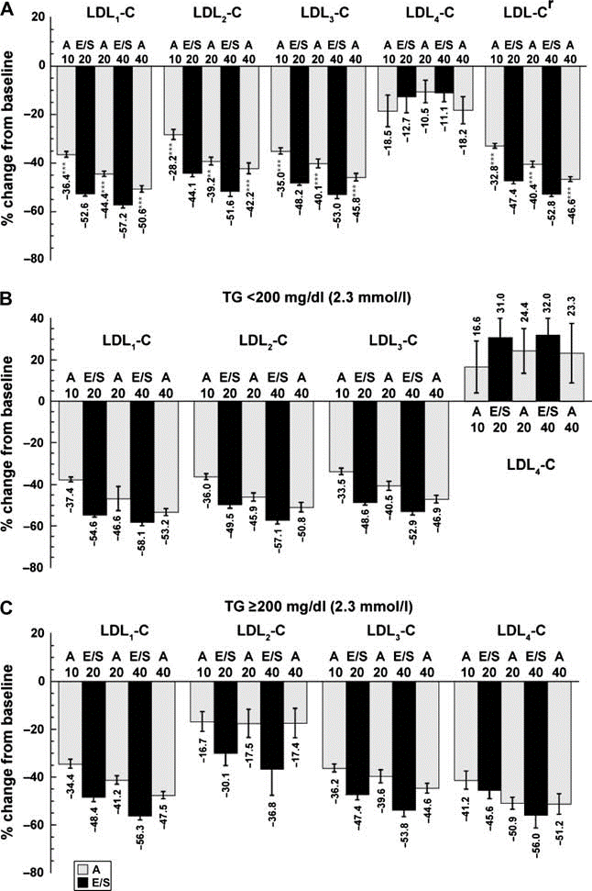
Fig. 1 Per cent change from baseline in LDL cholesterol subclasses in the mITT population (panel A), subgroup with TGs <200 mg/dl (2.3 mmol/l) (panel B) and subgroup with TGs 200 mg/dl (2.3 mmol/l) (panel C). **p < 0.01 and ***p < 0.001 for the indicated treatment group comparisons: E/S 10/20 mg vs. A 10 mg, E/S 10/20 mg vs. A 20 mg and E/S 10/40 mg vs. A 40 mg. A, atorvastatin; E/S, ezetimibe/simvastatin; mITT, modified intent-to-treat; TGs, triglycerides.

