20925544
Table 1. Baseline Characteristics of the Patients and Use of Concomitant Therapies in the Intention-to-Treat Population.*
Plus−minus values are means ±SD. ACE denotes angiotensin-converting enzyme, ARB angiotensin-receptor blocker, BNP brain natriuretic peptide, COPD chronic obstructive pulmonary disease, and NT-proBNP N-terminal pro-BNP. † The P values for comparisons of mean values between the two groups are from a two-sample t-test. Medians are based on the Wilcoxon test (except for the total milligrams of intravenous loop diuretics, which are based on the van Elteren extension of the Wilcoxon test). The P values for comparisons of percentages are based on the chi-square test. ‡ Race was self-reported. § The body-mass index is the weight in kilograms divided by the square of the height in meters. ¶ Either a BNP level of 500 pg per milliliter or more or an NT-proBNP level of 2000 pg per milliliter or more was re-quired for enrollment. A point-of-care device for measuring the level of NT-proBNP was provided to study sites if needed, but measurements of more than 3000 pg per milliliter were not quantified, which explains the median values of 3000 pg per milliliter. The BNP level was measured in 537 patients, and the NT-proBNP level was measured in 1518 patients. ∥ The ejection fraction was reported if it was available within 6 months before admission. Data were available for 975 patients. ** Percentages in this category do not sum to 100 because the data were not available in 1.5% and 1.6% of patients in the rolofylline and placebo groups, respectively.

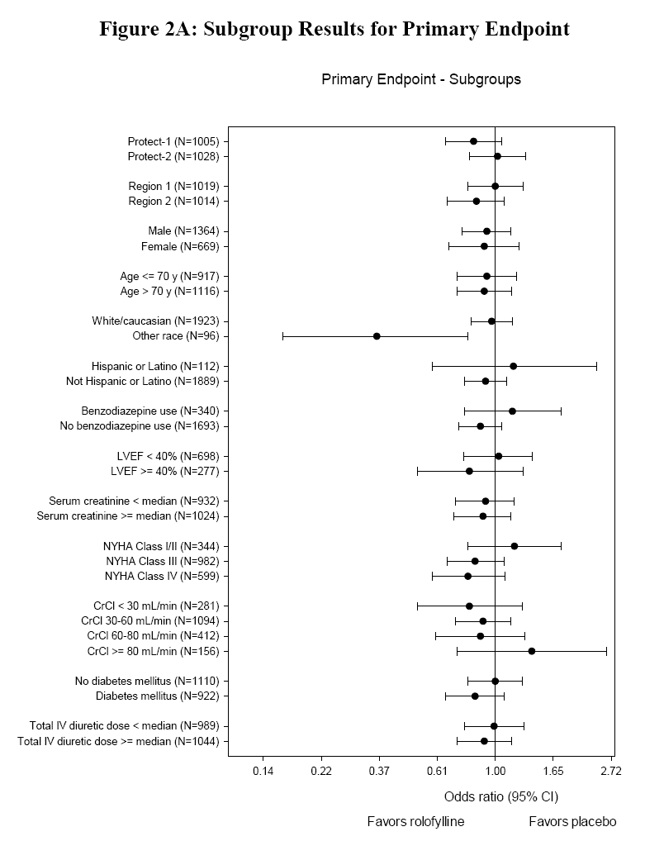
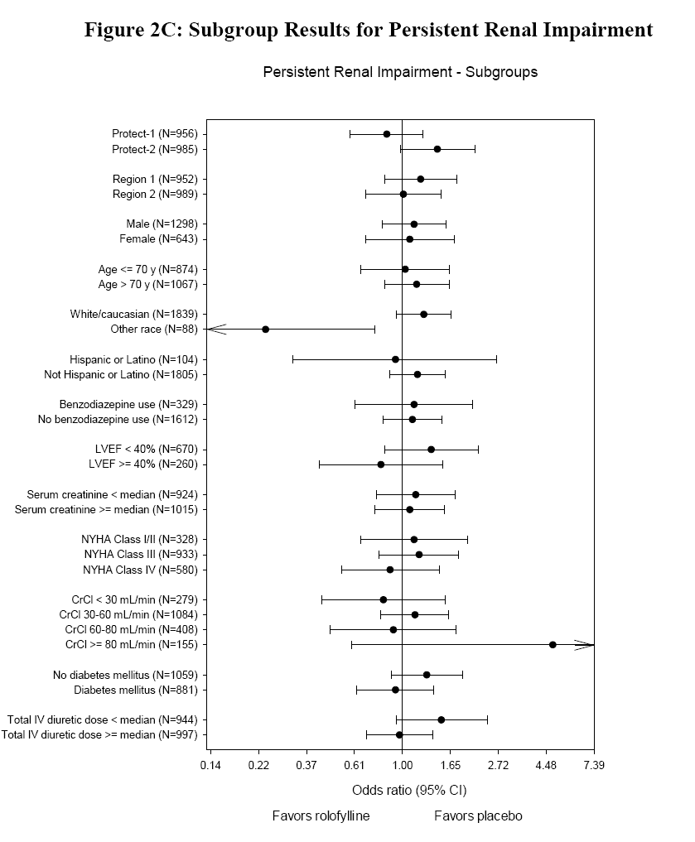
 | Rolofylline | Placebo
Variable | (N=1356) | (N=677) | P Valuej'
Demographic characteristics
Age (yr) | 70.2+11.7 | 70.2+11.5 | 0.94
Sex (%) |  |  | 0.82
Male | 67.3 | 66.8
Female | 32.7 | 33.2
Race (%)$ |  |  | 0.73
White | 95.2 | 95.5
Other | 4.8 | 4.5
Measurements
Body-mass index§ | 28.9+6.1 | 28.8+6.2 | 0.65
Blood pressure (mm Hg)
Systolic | 124.3+17.6 | 124.2+17.7 | 0.85
Diastolic | 73.6+11.8 | 74.0+11.9 | 0.47
Heart rate at rest in the supine position (beats/min) | 79.8+15.3 | 80.7+15.7 | 0.22
Respiratory rate (breaths/min) | 21.2+4.5 | 21.3+4.4 | 0.50
BNP (pg/ml)H |  |  | 0.62
Median | 1290 | 1198
Interquartile range | 833-2222 | 773-2235
NT-proBNP (pg/ml)H |  |  | 0.85
Median | 3000 | 3000
Interquartile range | 3000-3832 | 3000-3800
Creatinine clearance (ml/min) | 50.4+20.0 | 51.0+20.5 | 0.55
Left ventricular ejection fraction within previous 6 mo | | 0.323+0.129 | 0.325+0.135 | 0.76
Medical history (%)
Heart failure 1 mo before admission | 94.6 | 95.1 | 0.63
Ischemic heart disease | 70.5 | 68.5 | 0.36
Myocardial infarction | 50.8 | 46.3 | 0.06
Hypertension | 80.2 | 77.8 | 0.21
Atrial fibrillation | 53.5 | 57.0 | 0.14
Implantable cardioverter-defibrillator | 16.2 | 15.5 | 0.69
Biventricular pacemaker | 10.5 | 9.8 | 0.63
Diabetes | 45.2 | 45.8 | 0.79
COPD or asthma | 20.0 | 19.4 | 0.75
Treatment before admission (%)
ACE inhibitor or ARB | 76.3 | 74.4 | 0.36
Beta-blocker | 76.5 | 75.7 | 0.71
Aldosterone blocker | 44.5 | 42.4 | 0.36
Nitrates (oral or topical) | 27.0 | 23.9 | 0.13
Digoxin | 27.3 | 29.6 | 0.27
Treatment after admission
Days of study-drug administration (%)** 1 day | 7.6 | 7.0 | 0.60
2 or 3 days | 90.9 | 91.6
Medications through day 7
Total intravenous loop diuretic (mg) Median | 280 | 280 | 0.07
Interquartile range | 120-545 | 140-620
Intravenous inotropes or vasopressors (%) | 7.2 | 8.0 | 0.54
Intravenous vasodilators (%) | 11.3 | 11.5 | 0.87
Medications at discharge or day 7, if earlier (%)
ACE inhibitor or ARB | 82.6 | 81.5 | 0.50
Beta-blocker | 84.6 | 84.2 | 0.84
Aldosterone blocker | 59.8 | 60.3 | 0.81
Nitrates (oral or topical) | 21.0 | 19.1 | 0.33
Digoxin | 31.8 | 34.6 | 0.21

