24063830
Figure 4. (A) Percent change from treated baseline in LDL-C for prespeciﬁed subgroups after 6 weeks—period I. Treatments were (1) ezetimibe plus ator-vastatin 10 mg (closed diamonds), (2) atorvastatin 20 mg (open circles), or (3) rosuvastatin 10 mg (open triangles). MetS ¼ subgroup of patients with metabolic syndrome and no diabetes; Neither ¼ no metabolic syndrome or diabetes; n ¼ number of subjects in each subgroup for ezetimibe plus atorvastatin 10 mg, atorvastatin 20 mg, and rosuvastatin 10 mg, respectively. Between-treatment differences within each subgroup are ezetimibe plus atorvastatin 10 mg minus atorvastatin 20 mg (open circles) and ezetimibe plus atorvastatin 10 mg minus rosuvastatin 10 mg (open triangles). (B) Percent change from treated baseline in LDL-C for prespeciﬁed subgroups after 6 weeks—period II. Treatments during periods I and II were (1) atorvastatin 20 mg / atorvastatin 20 mg plus ezetimibe (closed diamonds), (2) atorvastatin 20 mg / atorvastatin 40 mg (open circles), (3) rosuvastatin 10 mg / atorvastatin 20 mg plus ezetimibe (open triangles), or (4) rosuvastatin 10 mg / rosuvastatin 20 mg ( ). n ¼ number of subjects in subgroup for each treatment regimen (1, 2, 3, 4, as aforementioned). Treatment differences within a subgroup are ezetimibe plus atorvastatin 20 mg minus atorvastatin 40 mg (open circles) and ezetimibe plus atorvastatin 20 mg minus rosuvastatin 20 mg ( )

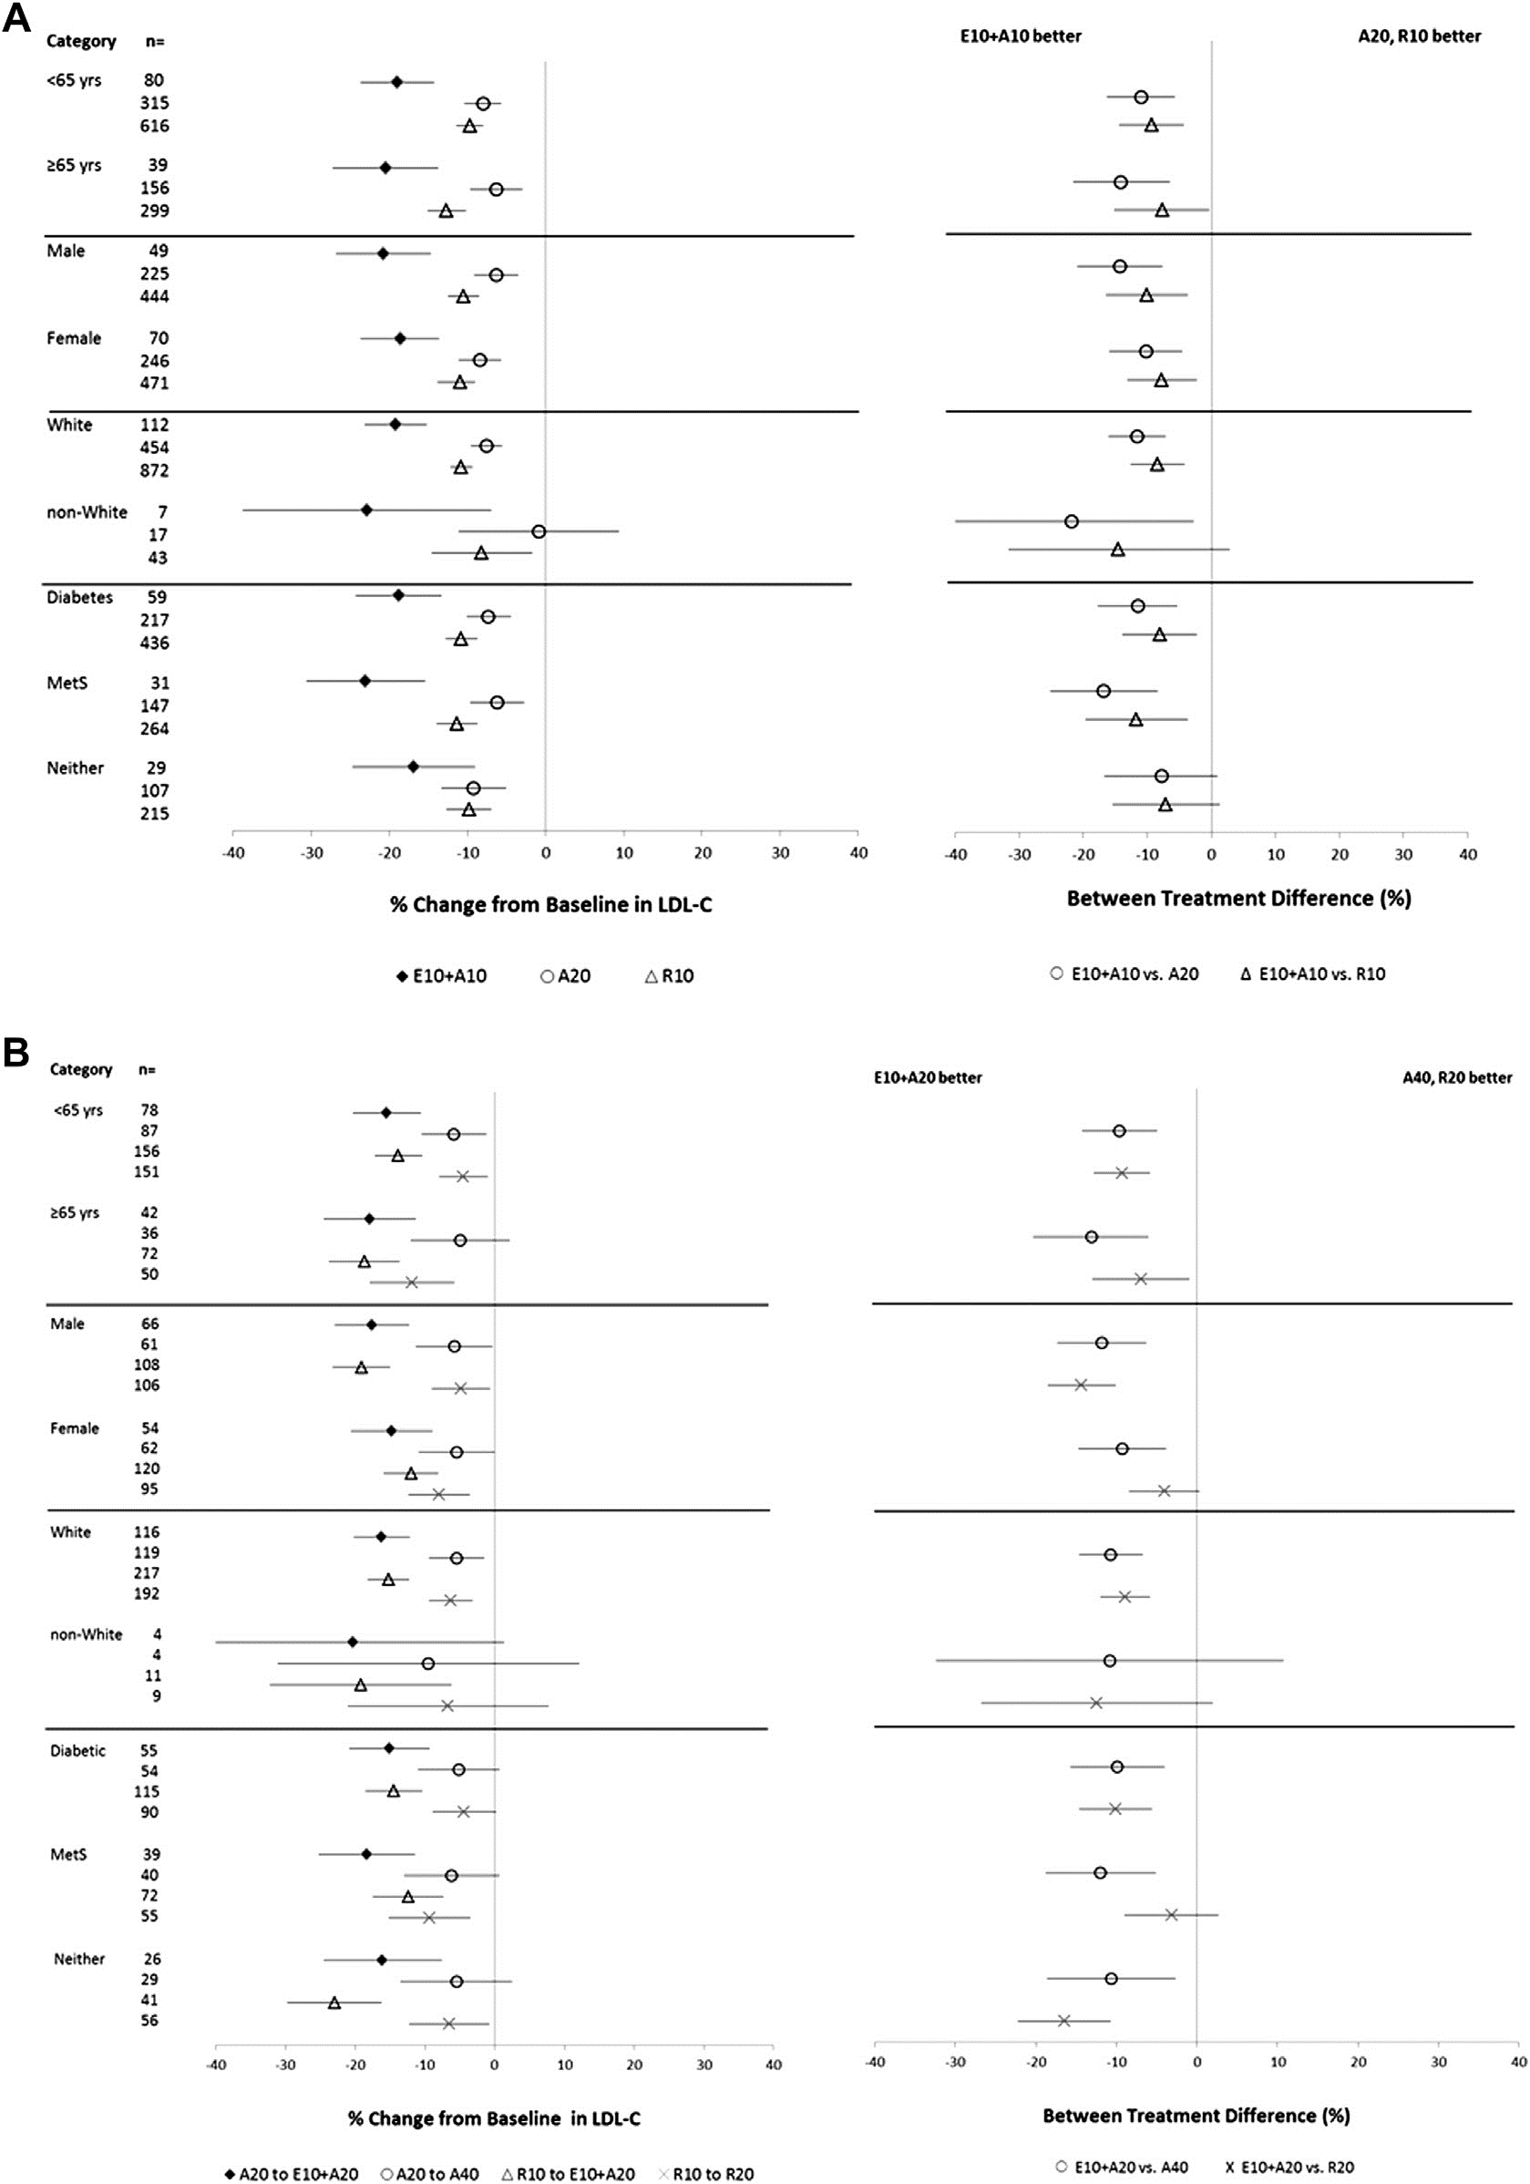
 | Period II
-> A20 -> | A20 -> | R10 -> | R10
E10 + A20 | A40 | E10 + A20 | R20
(n = 124) | (n — 126) | (n = 234) | (n — 206)
69 (55.6) | 63 (50.0) | 111 (47.4) | 107 (51.9)
55 (44.4) | 63 (50.0) | 123 (52.6) | 99 (48.1)
59.6 ± 10.9 | 58.2 ± 10.9 | 59.1 ± 10.2 | 57.6 ± 10.1

0 | 1 (0.8) | 0 | 0

0 | 0 | 0 | 0
3 (2.4) | 3 (2.4) | 9 (3.8) | 8 (3.9)
1 (0.8) | 0 | 3 (1.3) | 2 (1.0)
120 (96.8) | 122 (96.8) | 222 (94.9) | 196 (95.1)
0 | 0 | 0 | 0

31 (25.0) | 32 (25.4) | 52 (22.2) | 55 (26.7)
92 (74.2) | 94 (74.6) | 182 (77.8) | 151 (73.3)
1 (0.8) | 0 | 0 | 0
29.1 ± 4.8 | 29.7 ± 4.4 | 29.8 ± 5.0 | 29.0 ± 5.0
80 (64.5) | 80 (63.5) | 159 (67.9) | 117 (56.8)

61 (49.2) | 70 (55.6) | 116 (49.6) | 105 (51.0)
63 (50.8) | 56 (44.4) | 118 (50.4) | 101 (49.0)
55 (44.4) | 57 (45.2) | 116 (49.6) | 92 (44.7)

