24120253
Table 1 Demographics and baseline characteristics in patient subgroups.
COPD, chronic obstructive pulmonary disease; FEV1, forced expiratory volume in 1 s; ICS, inhaled corticosteroid; LABA, long-acting b2-agonist; SD, standard deviation.
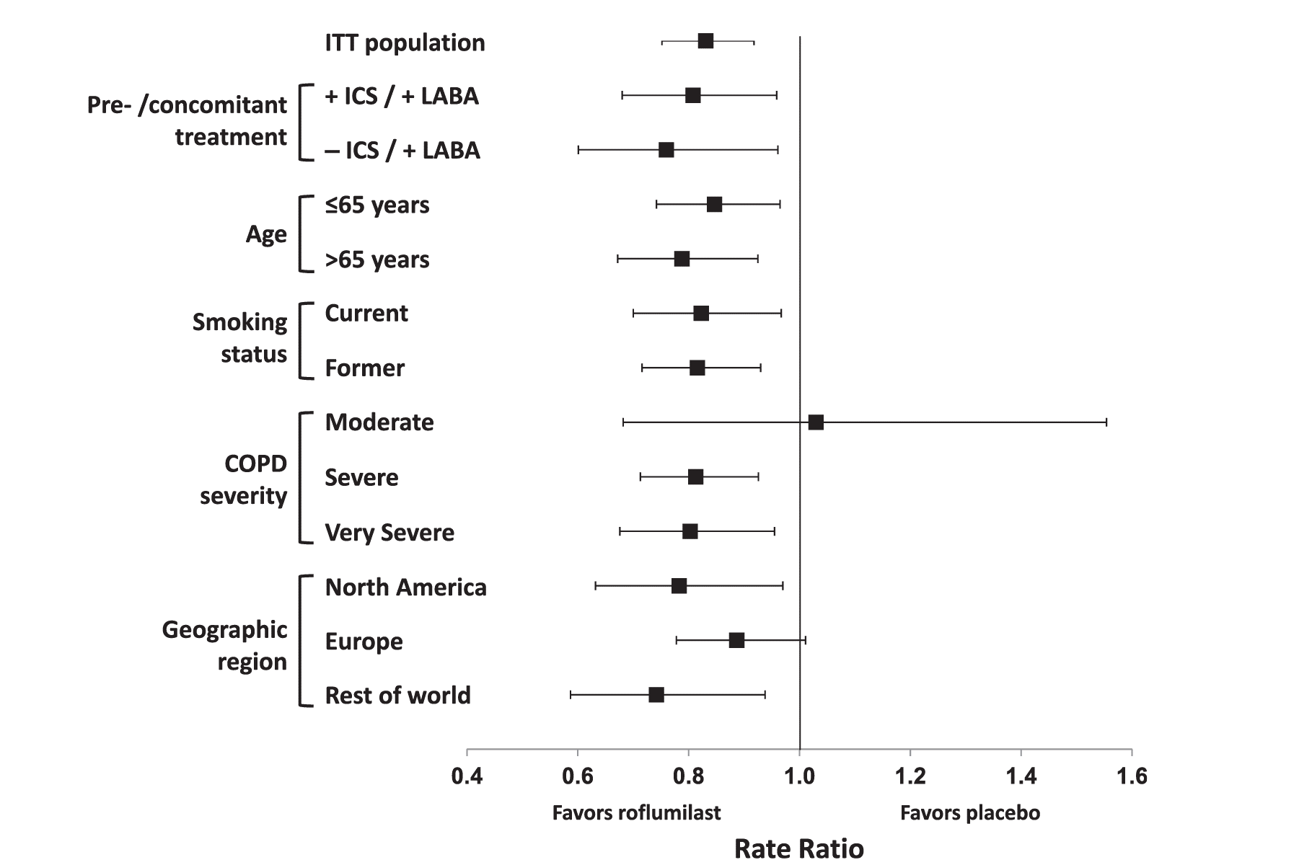
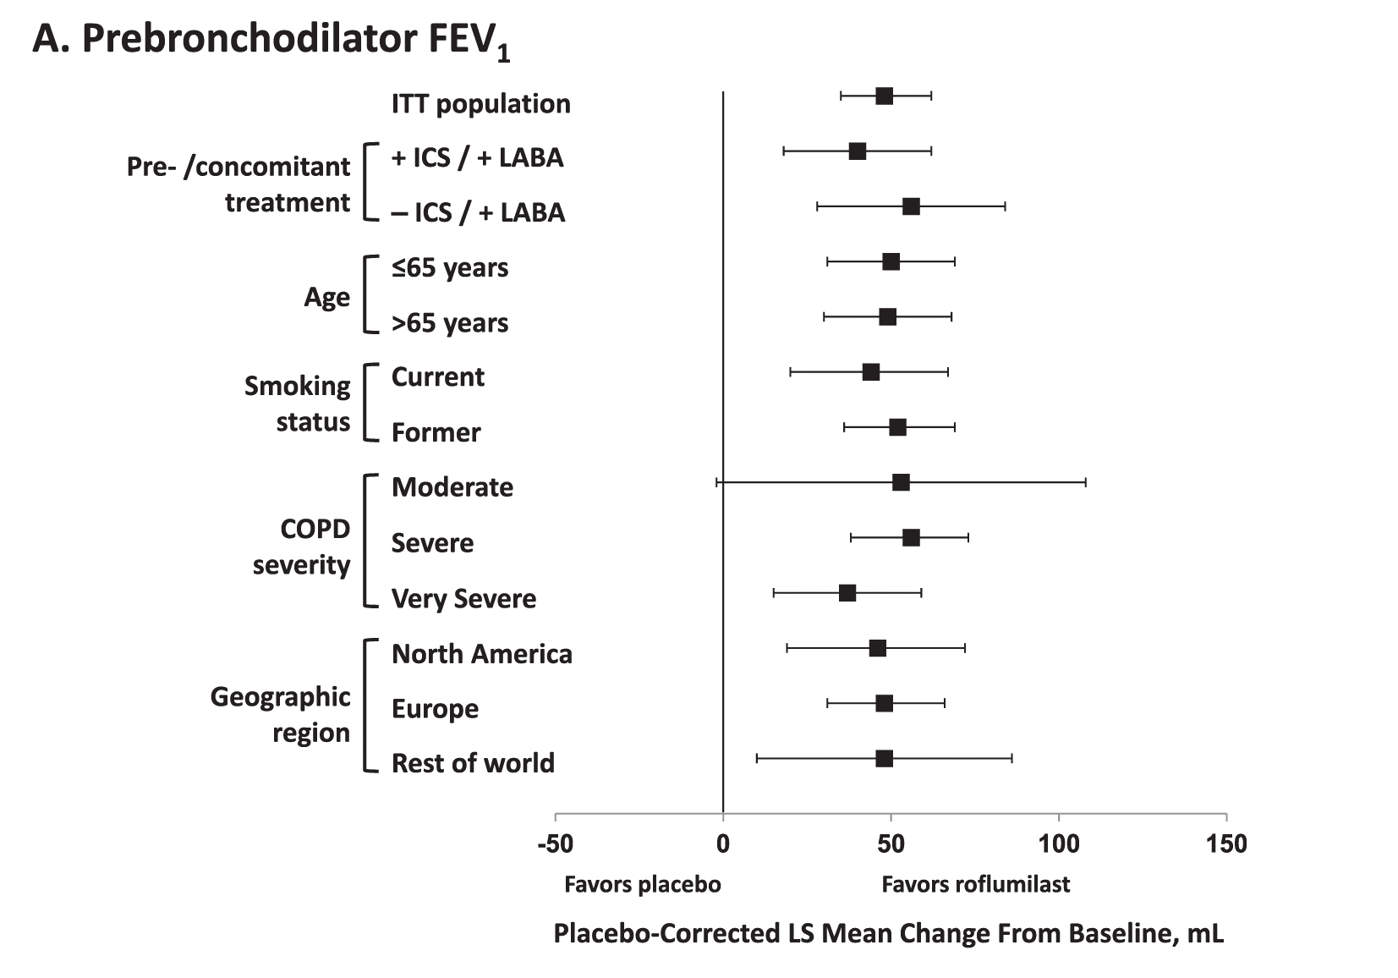

 | Pretreatment/ concomitant treatment |  | Age |  | Smoking status |  | COPD severity |  | Geographic region
 | +ICS/+ LABA n Z 945 | -ICS/+ LABA n Z 597 | <65 years n Z 1761 | >65 years n Z 1330 | Current n Z 1278 | Former n Z 1813 | Moderate n Z 250 | Severe n Z 1932 | Very severe n Z 903 | North America n Z 786 | Europe n Z 1831 | Rest of world n Z 474
Age, mean | 64.6 (9.1) | 64.2 (9.1) | 57.3 (5.8) | 72.4 (4.8) | 60.4 (8.4) | 66.2 (9.0) | 62.4 (9.6) | 64.4 (9.3) | 63.0 (8.7) | 64.9 (9.0) | 63.9 (9.2) | 61.3 (9.1)
years (SD)
Male, n (%) | 696 (73.7) | 453 (75.9) | 1245 (70.7) 1091 (82.0) |  | 887 (69.4) | 1449 (79.9) | 159 (63.6) | 1425 (73.8) | 748 (82.8) | 480 (61.1) 1425 (77.8) |  | 431 (90.9)
Race, n (%)
Asian | 38 (4.0) | 16 (2.7) | 246 (14.0) | 109 (8.2) | 107 (8.4) | 248 (13.7) | 25 (10.0) | 191 (9.9) | 136 (15.1) | 5 (0.6) | 3 (0.2) | 347 (73.2)
Black | 7 (0.7) | 12 (2.0) | 30 (1.7) | 18 (1.4) | 20 (1.6) | 28 (1.5) | 5 (2.0) | 32 (1.7) | 11 (1.2) | 46 (5.9) | 2 (0.1) | 0 (0.0)
White | 874 (92.5) | 559 (93.6) | 1415 (80.4) 1181 (88.8) |  | 1119 (87.6) | 1477 (81.5) | 214 (85.6) | 1652 (85.5) | 727 (80.5) | 725 (92.2) 1791 (97.8) |  | 80 (16.9)
Other | 26 (2.8) | 10 (1.7) | 70 (4.0) | 22 (1.7) | 32 (2.5) | 60 (3.3) | 6 (2.4) | 57 (3.0) | 29 (3.2) | 10 (1.3) | 35 (1.9) | 47 (9.9)
Smoking status, n (%)
Current | 344 (36.4) | 236 (39.5) | 928 (52.7) | 350 (26.3) | 1278 (100.0) | 0 (0.0) | 126 (50.4) | 826 (42.8) | 323 (35.8) | 349 (44.4) | 781 (42.7) | 148 (31.2)
Former | 601 (63.6) | 361 (60.5) | 833 (47.3) | 980 (73.7) | 0 (0.0) | 1813 (100.0) | 124 (49.6) | 1106 (57.2) | 580 (64.2) | 437 (55.6) 1050 (57.3) |  | 326 (68.8)
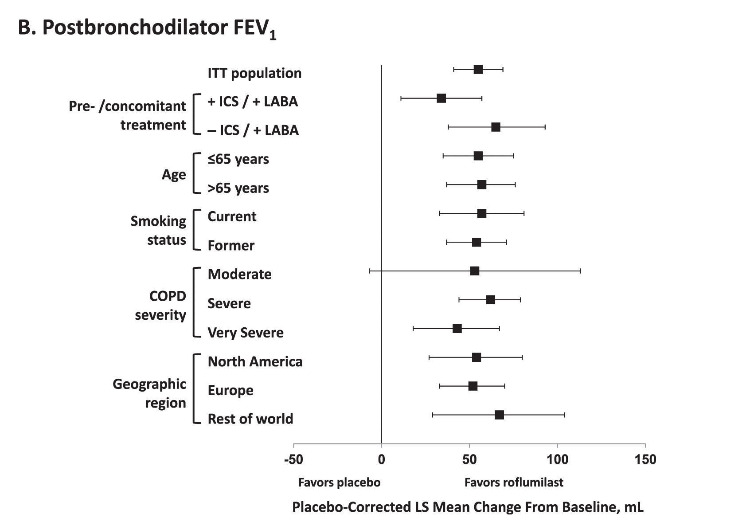
COPD severity, n (%)
Mild | 0 (0.0) | 0 (0.0) | 4 (0.2) | 2 (0.2) | 3 (0.2) | 3 (0.2) | 0 (0.0) | 0 (0.0) | 0 (0.0) | 0 (0.0) | 3 (0.2) | 3 (0.6)
Moderate | 69 (7.3) | 35 (5.9) | 155 (8.8) | 95 (7.1) | 126 (9.9) | 124 (6.8) | 250 (100.0) | 0 (0.0) | 0 (0.0) | 68 (8.7) | 151 (8.2) | 31 (6.5)
Severe | 602 (63.7) | 379 (63.5) | 1040 (59.1) | 892 (67.1) | 826 (64.6) | 1106 (61.0) | 0 (0.0) | 1932 (100.0) | 0 (0.0) | 451 (57.4) 1222 (66.7) |  | 259 (54.6)
Very severe | 274 (29.0) | 183 (30.7) | 562 (31.9) | 341 (25.6) | 323 (25.3) | 580 (32.0) | 0 (0.0) | 0 (0.0) | 903 (100.0) | 267 (34.0) | 455 (24.8) | 181 (38.2)
Lung function, mean | (SD)
Prebronchodilator | 1.02 (0.36) | 1.01 (0.35) | 1.04 (0.39) | 0.97 (0.33) | 1.07 (0.37) | 0.97 (0.35) | 1.50 (0.39) | 1.09 (0.29) | 0.70 (0.20) | 0.92 (0.36) | 1.08 (0.35) 0.93 (0.38)
FEV1, L
Postbronchodilator 1.10 (0.38) |  | 1.08 (0.36) | 1.14 (0.40) | 1.06 (0.34) | 1.16 (0.39) | 1.07 (0.37) | 1.67 (0.40) | 1.20 (0.29) | 0.75 (0.18) | 1.03 (0.36) | 1.16 (0.37) 1.05 (0.40)
FEV1, L Prebronchodilator FEV1, % predicted | 33.6 (9.8) | 32.8 (9.7) | 32.8 (10.8) | 33.7 (9.9) | 34.5 (10.7) | 32.3 (10.2) | 50.4 (8.7) | 35.9 (6.6) | 22.3 (5.3) | 31.4 (11.2) | 34.7 (9.6) | 30.2 (11.0)
Postbronchodilator 36.2 (10.2) |  | 35.3 (9.9) | 35.9 (11.1) | 36.7 (10.1) | 37.4 (10.8) | 35.4 (10.5) | 55.9 (5.3) | 39.3 (5.5) | 23.8 (4.3) | 35.0 (10.9) | 37.3 (10.1) 34.1 (11.9)
FEV1, % predicted
Concomitant | 945 (100.0) | 597 (100.0) | 847 (48.1) | 695 (52.3) | 580 (45.4) | 962 (53.1) | 104 (41.6) | 981 (50.8) | 457 (50.6) | 338 (43.0) 1125 (61.4) |  | 79 (16.7)
treatment
with LABA, n (%) Pretreatment | 945 (100.0) | 0 (0.0) | 724 (41.1) | 583 (43.8) | 482 (37.7) | 825 (45.5) | 95 (38.0) | 838 (43.4) | 373 (41.3) | 305 (38.8) | 862 (47.1) | 140 (29.5)
with ICS, n (%)

