25277614
table 1 Baseline Characteristics
Values are mean SD or n (%). AAD ¼ antiarrhythmic drug; ACEI ¼ angiotensin-converting enzyme inhibitor; AF ¼ atrial ﬁbrillation; ARB ¼ angiotensin receptor blocker; BMI ¼ body mass index; ECG ¼ electrocardiography.

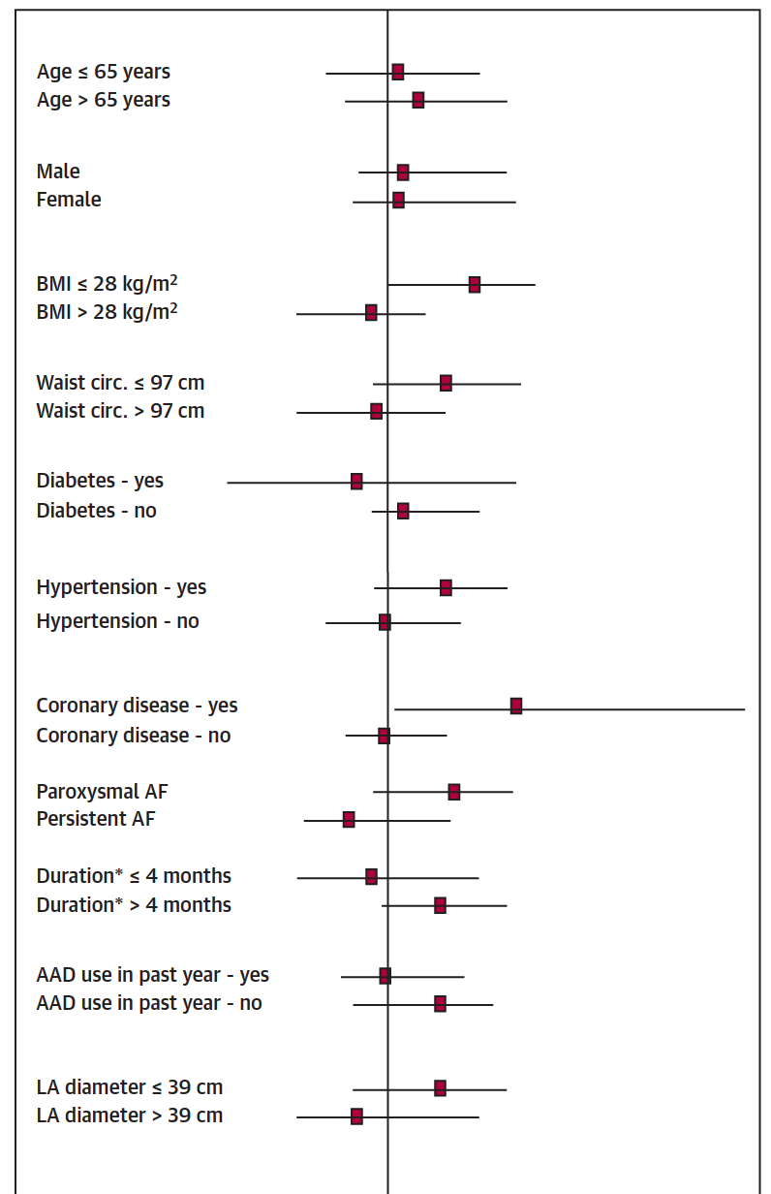
 | Fish Oil (n = 153) | Placebo (n =163)
Demographic and medical variables
Age, yrs | 60 ± 12 | 62 ± 13
Female | 48 (31) | 57 (35)
BMI, kg/m2 | 29 ± 5 | 29 ± 6
Waist circumference, cm | 99 ± 12 | 97 ± 13
Diabetes | 10 (7) | 16 (10)
Hypertension | 69 (45) | 68 (42)
Coronary disease | 22 (14) | 21 (13)
Valvular disease | 1 (1) | 3 (2)
Class l/ll heart failure | 5(3) | 3 (2)
Cardiac and echocardiography parameters
Sinus rhythm at baseline | 139 (91) | 150 (92)
12-lead ECG heart rate, beats/min | 62 ± 13 | 62 ± 11
Left atrial dimension, cm | 3.9 ± 0.6 | 4.2 ± 3.6
Left ventricular hypertrophy on echo | 6/100 (6) | 7/112 (6)
Left ventricular ejection fraction, % AF history | 61 ± 7 | 61 ± 7
Paroxysmal AF | 103 (67) | 107 (66)
Persistent AF | 50 (33) | 56 (34)
Time since first AF diagnosis, yrs | 2.5 ± 4.4 | 1.9 ± 3.4
Class I or III AAD use in 12 months before enrollment | 37 (24) | 20 (12)
Concomitant medications
Beta-blockers | 60 (39) | 62 (38)
ACEI or ARB | 68 (44) | 59 (36)
Oral anticoagulant | 105 (69) | 91 (56)

