27335114
Table 1 Patient demographics and disease characteristics (efficacy population)
Abbreviations: AED 5 antiepileptic drug; BRV 5 brivaracetam; LEV 5 levetiracetam; Q 5 quartile. a Includes patients described as white, Caucasian, or Hispanic, because of differences in recording racial groups across the 3 studies. b Patients are included in every applicable category for baseline seizure type. c Prior AEDs are those discontinued before study entry. N01252 and N01253 collected AED use within the 5 years before study entry, whereas N01358 collected all history of AEDs used before study entry. d Used by $10% of the overall efficacy population.

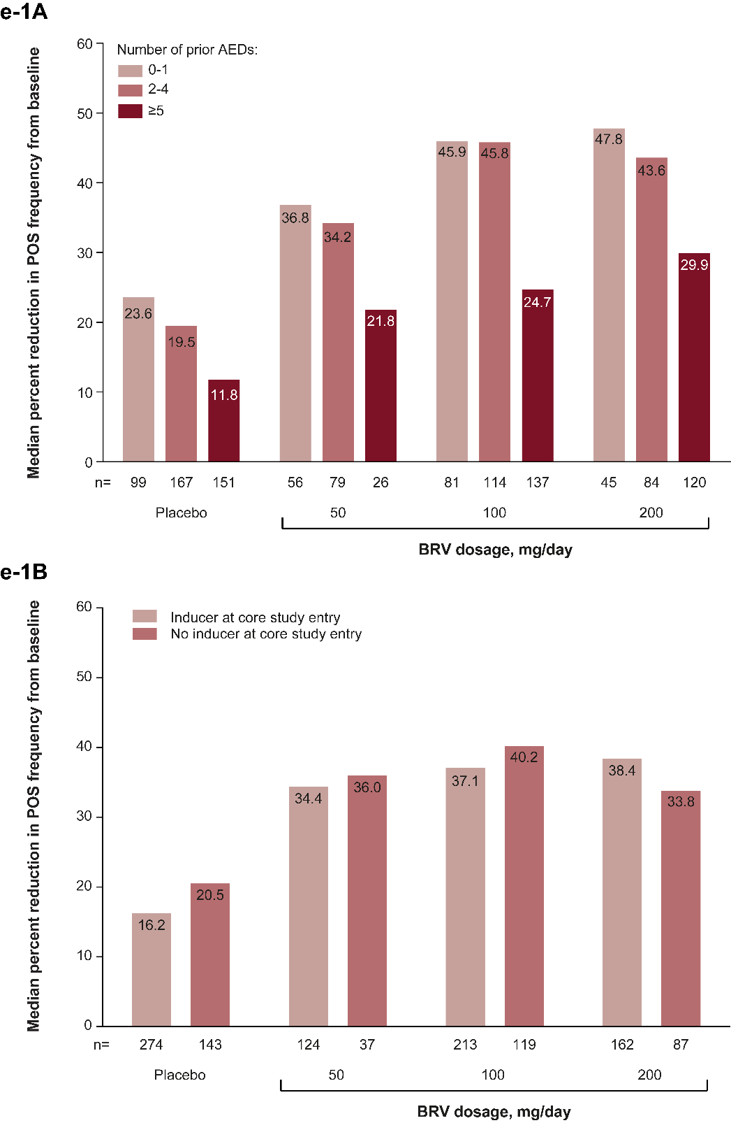
 | Placebo (n : 418) | BRV dosage, mg/d
 |  | 50 (n 5 161) | 100 (n 5 332) | 200 (n 5 249)
Mean age, y (SD) | 37.9 (12.7) | 38.3 (13.1) | 38.5 (13.3) | 39.7 (12.8)
Female, n (%) | 207 (49.5) | 79 (49.1) | 185 (55.7) | 116 (46.6)
Racial group, n (%)
Whitea | 301 (72.0) | 120 (74.5) | 239 (72.0) | 181 (72.7)
Black | 13 (3.1) | 2 (1.2) | 8 (2.4) | 7 (2.8)
Asian | 55 (13.2) | 23 (14.3) | 55 (16.6) | 29 (11.6)
Weight, kg, mean (SD) | 75.0 (20.0) | 71.0 (15.2) | 73.6 (17.3) | 75.4 (19.0)
Baseline focal seizure frequency/28 days, median (Q1-Q3) | 9.6 (5.5-24.3) | 8.9 (5.5-17.3) | 8.9 (5.5-20.6) | 9.3 (5.5-18.8)
Seizure types reported during baseline,b n(%)
Simple partial (IA) | 167 (40.0) | 47 (29.2) | 119 (35.8) | 98 (39.4)
Complex partial (IB) | 328 (78.5) | 137 (85.1) | 273 (82.2) | 215 (86.3)
Partial evolving to secondarily generalized (IC) | 115 (27.5) | 62 (38.5) | 100 (30.1) | 75 (30.1)
No. of prior AEDs,c n(%)
0-1 | 100 (23.9) | 56 (34.8) | 81 (24.4) | 45 (18.1)
2-4 | 167 (40.0) | 79 (49.1) | 114 (34.3) | 84 (33.7)
之5 | 151 (36.1) | 26 (16.1) | 137 (41.3) | 120 (48.2)
Most common concomitant AEDs,d n(%)
Carbamazepine | 172 (41.1) | 81 (50.3) | 130 (39.2) | 93 (37.3)
Lamotrigine | 111 (26.6) | 38 (23.6) | 86 (25.9) | 61 (24.5)
Valproate | 88 (21.1) | 44 (27.3) | 86 (25.9) | 48 (19.3)
Oxcarbazepine | 57 (13.6) | 21 (13.0) | 56 (16.9) | 50 (20.1)
Topiramate | 83 (19.9) | 10 (6.2) | 47 (14.2) | 28 (11.2)
LEV status, n (%)
Prior LEV treatment | 191 (45.7) | 48 (29.8) | 158 (47.6) | 134 (53.8)
LEV-naive | 227 (54.3) | 113 (70.2) | 174 (52.4) | 115 (46.2)

