27395349
TABLE l Baseline Characteristics According to Prior Heart Failure Hospitalization
Values are mean SD, n (%), or median [interquartile range]. ACE ¼ angiotensin-converting enzyme; AF ¼ atrial ﬁbrillation; ARB ¼ angiotensin receptor blocker; CRT ¼ cardiac resynchronization therapy; HF ¼ heart failure; ICD ¼ implantable cardioverter-deﬁbrillator; LVEF ¼ left ventricular ejection fraction; MI ¼ myocardial infarction; MRA ¼ mineralcorticoid receptor antagonist; NT-proBNP ¼ N-terminal pro-B-type natriuretic peptide; SBP ¼ systolic blood pressure.

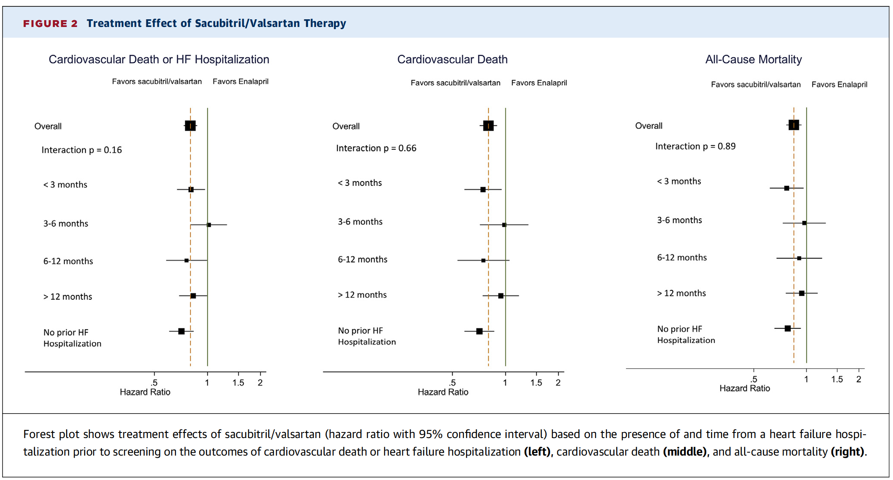
 | <3 Months In - 1 Kill | 3-6 Months fn = 1.009) | 6-12 Months (n = 886) | >12 Months (n = 1,746) | No Prior HF Hospitalization (n = 3,125) | p Value
Age, yrs | 62 ± 12 | 63 ±11 | 63 ±11 | 65 ±11 | 65 ±11 | <0.001
 | 33S f21) | 212 (21) | 211 (24) | 345 (20) | 724 (23) | 0.12
 | 28.2 ± 5.7 | 28.6 ± 5.4 | 28.3 ± 5.6 | 28.5 ± 5.4 | 27.8 ± 5.4 | 0.001
 |  |  |  |  |  | <0.001
 | 77 (5) | 45 (4) | 37(4) | 60 (3) | 167 (5)
2 | 1,085 (67) | 680 (67) | 581 (66) | 1,209 (69) | 2,351 (75)
3 | 438 (27) | 270 (27) | 254 (29) | 459 (26) | 591 (19)
 |  | 13 (1) | 13 (1) | 15(1) | 11 (0)
LVEF | 29 ± 6 | 29 ± 6 | 30 ± 6 | 29 ± 6 | 30 ± 6 | 0.004
 | 1,214 (75) | 732 (73) | 639 (72) | 1,236 (71) | 2,101 (67) | <0.001
 |  |  |  |  |  | 0.08
 | 1,035 (64) | 654 (65) | 608 (69) | 1,277 (73) | 1,958 (63)
 | 104 (6) | 66 (7) | 49 (6) | 87 (5) | 119 (4)
 | 329 (20) | 187 (19) | 142 (16) | 252 (14) | 592 (19)
Other | 143 (9) | 102 (10) | 87 (10) | 130 (7) | 456 (15)
 |  |  |  |  |  | <0.001
 | 82 (5) | 61 (6) | 68 (8) | 178 (10) | 208 (7)
 | 259 (16) | 173 (17) | 144 (16) | 197 (11) | 660 (21)
 | 217 (13) | 220 (22) | 204 (23) | 561 (32) | 845 (27)
 | 729 (45) | 377 (37) | 330 (37) | 565 (32) | 819 (26)
 | 324 (20) | 178 (18) | 140 (16) | 245 (14) | 593 (19)
SBP, mm Hg | 122 ± 15 | 121 ± 15 | 122 ± 16 | 121 ± 15 | 122 ± 16 | 0.78
Diabetes | 533 (33) | 357 (35) | 332 (37) | 657 (38) | 1,017 (33) | 0.62
 | 74 ±13 | 72 ± 12 | 73 ±12 | 72 ± 12 | 71 ± 12 | <0.001
Ischemic cardiomyopathy | 854 (53) | 601 (60) | 557 (63) | 1,082 (62) | 1,925 (62) | <0.001
 | 589 (37) | 440 (44) | 429 (48) | 815 (47) | 1,353 (43) | <0.001
History of AF | 644 (40) | 372 (37) | 320 (36) | 717 (41) | 1,032 (33) | <0.001
History of stroke | 132 (8) | 67 (7) | 79 (9) | 186 (11) | 259 (8) | 0.23
ICD | 105 (7) | 142 (14) | 149 (17) | 416 (24) | 428 (14) | <0.001
CRT | 53 (3) | 83 (8) | 80 (9) | 194 (11) | 164 (5) | 0.036
ACE | 1,292 (80) | 788 (78) | 689 (78) | 1,364 (78) | 2,380 (76) | 0.003
ARB | 323 (20) | 225 (22) | 195 (22) | 389 (22) | 757 (24) | 0.002
Diuretics | 1,381 (86) | 818 (81) | 744 (84) | 1,421 (81) | 2,359 (75) | <0.001
 | 1 512 (94) | 936 (93) | 829 (94) | 1,634 (94) | 2,878 (92) | 0.05
 |  | 304 (30) | 266 (30) | 528 (30) | 894 (29) | 0.002
MRA | 1,095 (68) | 648 (64) | 491 (55) | 948 (54) | 1,479 (47) | <0.001
 | 1.09 ± 0.28 | 1.12 ± 0.29 | 1.12 ± 0.30 | 1.17 ± 0.31 | 1.11 ± 0.30 | 0.002
NT-proBNP, pg/ml | 1,884 | 1,554 [824 3 256] | 1,439 [683-3,024] | 1,670 [957-3,070] | 1,565 [911-3,003] | 0.025
BNP, pg/ml | 272 [153-579] | 249 [132-465] | 221 [128-463] | 254 [168-442] | 251 [161-446] | 0.16

