23500237
Table 1. Baseline Characteristics of the Patients, According to the Study Group
Values are n mean SD or (%). ACE-I angiotensin-converting enzyme inhibitor; ARB angiotensin receptor blocker.

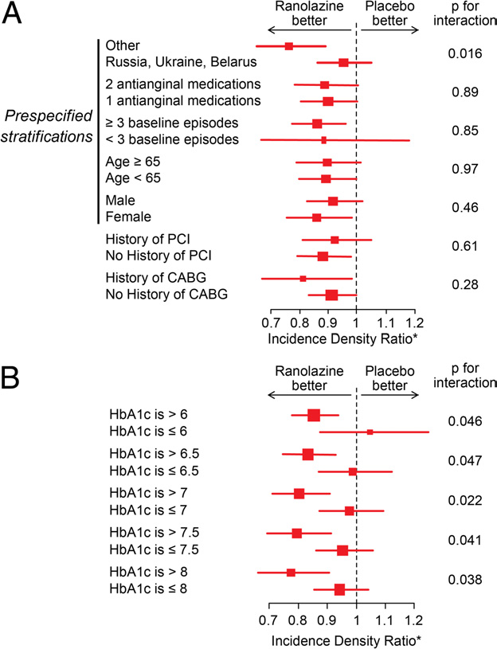
 | Ranolazine (n = 462) Placebo (n = 465)
Age, yrs | 63.2 ± 8.5 | 64.2 ± 8.4
Men | 283 (61.3%) | 286 (61.5%)
White | 456 (98.7%) | 462 (99.4%)
Hypertension | 438 (95.0%) | 445 (95.9%)
Dyslipidemia | 350 (79.4%) | 355 (80.3%)
Current smoking | 71 (15.4%) | 77 (16.6%)
Prior myocardial infarction | 346 (75.4%) | 336 (72.7%)
Prior angioplasty | 197 (42.7%) | 180 (38.8%)
Prior bypass graft surgery | 84 (18.2%) | 88 (18.9%)
Duration of diabetes, yrs | 7.2 ± 6.7 | 7.7 ± 7.0
HbAlc, % | 7.3 ± 1.5 | 7.3 ± 1.5
Antidiabetic medication | 431 (93.3%) | 431 (92.7%)
Insulin | 81 (17.5%) | 96 (20.6%)
Antianginal medications
On 1 | 259 (56.1%) | 259 (55.7%)
On 2 | 203 (43.9%) | 206 (44.3%)
Beta-blockers | 418 (90.5%) | 418 (89.9%)
Calcium-channel blockers | 124 (26.8%) | 143 (30.8%)
Long-acting nitrates | 161 (34.8%) | 151 (32.5%)
Statins | 381 (82.5%) | 383 (82.4%)
Antiplatelet agents | 415 (89.8%) | 402 (86.5%)
ACE-l/ARBs | 407 (88.1%) | 407 (87.5%)
Baseline heart rate (beats/min) | 69.0 ± 8.0 | 70.0 ± 9.8
Baseline systolic blood pressure (mm Hg) | 131.0 ± 11.0 | 131.0 ± 11.3
Baseline diastolic blood pressure (mm Hg) | 79.0 ± 7.7 | 79.0 ± 7.8

