25743173
Table 1: Baseline characteristics
Data are mean (SD), median (SD), or n (%). LDL-C=LDL cholesterol. HDL-C=HDL cholesterol. apo=apolipoprotein. Lp(a)=lipoprotein a. "Measured by (3 quantification methods, f n=198. fn=101. §n=201. tfn=102. ||n=202. **n=204.

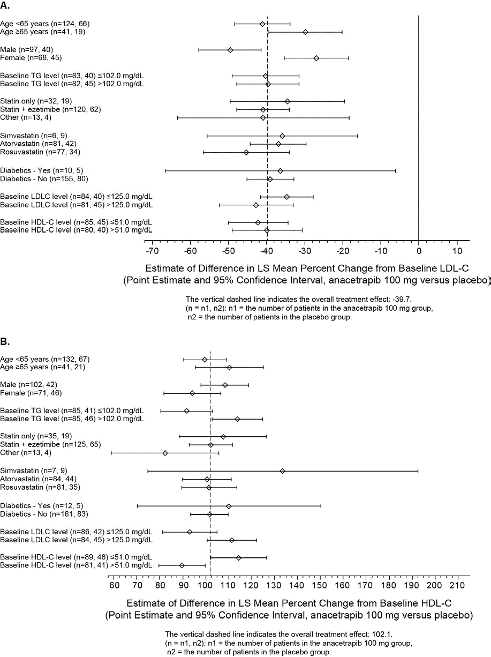
 | Anacetrapib 100mg(n=204) | Placebo (n=102)
Age (years) | 55-0(11.8) | 55-7 (11-9)
Age <65 years | 159 (78%) | 80 (78%)
Male sex | 120 (59%) | 50 (49%)
Race
Non-white | 5(2%) | 2 (2%)
White | 199 (98%) | 100 (98%)
Body-mass index (kg/mJ) Previous diagnosis | 28-2 (4-2) | 27-9 (4-7)
Diabetes | 11 (5%) | 6 (6%)
Coronary heart disease | 24(12%) | 12 (12%)
Myocardial infarction | 25 (12%) | 17 (17%)
Hypertension | 61 (30%) | 40 (39%)
Use of concomitant lipid-lowering treatment
Statin only | 46 (23%) | 25 (25%)
Statin with ezetimibe | 145 (71%) | 73 (72%)
Other | 13 (6%) | 4(4%)
Type of concomitant statin by daily dose
Simvastatin 40 mg | 5(2%) | 7(7%)
Simvastatin 80 mg | 3(1%) | 2 (2%)
Atorvastatin 10 mg | 1 (<1%) | 0 (0%)
Atorvastatin 20 mg | 8 (4%) | 2 (2%)
Atorvastatin 40 mg | 23 (11%) | 18 (18%)
Atorvastatin 60 mg | 1 (<1%) | 0 (0%)
Atorvastatin 80 mg | 67(33%) | 33 (32%)
Rosuvastatin 5 mg | 1 (<1%) | 4(4%)
Rosuvastatin 10 mg | 9(4%) | 2 (2%)
Rosuvastatin 20 mg | 27(13%) | 12 (12%)
Rosuvastatin 30 mg | 1 (<1%) | 0 (0%)
Rosuvastatin 40 mg | 56 (27%) | 22 (22%)
Pravastatin 80 mg | 1 (<1%) | 0 (0%)
Fluvastatin 80 mg | 1 (<1%) | 0 (0%)
Baseline lipid and lipoprotein values
LDL-C* (mmol/L) | 3-3 (0-8)+ | 3-4 (1-2)4
HDL-C (mmol/L) | 14(0-4)5 | 1-4 (0-4)4)
Non-HDL-C (mmol/L) | 3-9 (1-0)5 | 4-0 (1-3)41
apo B (g/L) | 1-0 (0-2)5 | 11(0-3)4
apo A1 (g/L) | 1-4 (0-3)5 | 1-4 (0-3)4
Lp(a) (pmol/L) | 0-05 (0-12)11 | 0-06 (0-11)4
Triglyceride (mmol/L) | 1-1 (0-6)** | 12 (0-7)4

