25743173
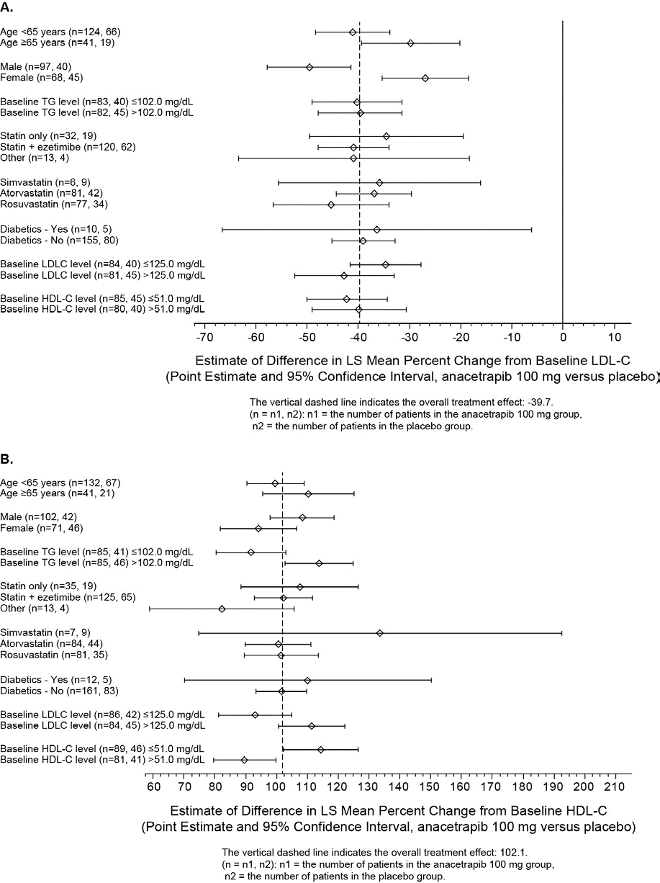
Supplementary Figure 1. LS mean difference of percent change from baseline (95% confidence interval) at week 52 by subgroup for (A) LDL-C and (B) HDL-C for anacetrapib 100 mg and placebo.

