27956003
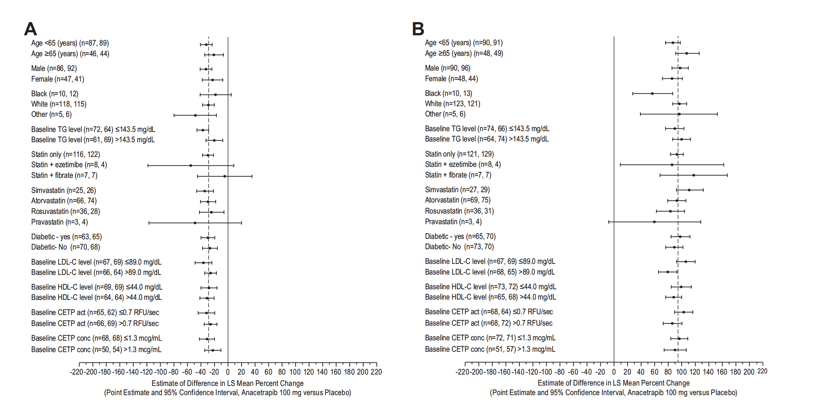
Figure 4. Least square mean difference of percent change from baseline (95% CI) at week 24 presented by patient subgroup for (A) LDL-C (b quantiﬁcation) and (B) HDL-C for anacetrapib 100 mg versus placebo comparison
The vertical dashed line indicates the overall treatment effect: *28.9. (n=n1, n2): n1= the number of patients in the anacetrapib 100 mg group. n2=the number of patients in the placebc group. | The vertical dashed line indicates the overall treatment effect: 94.7. (n=n1, n2):n1=the number of patients in the anacetrapib 100 mg group. n2=the number of patients in the placebo group.

