20925534
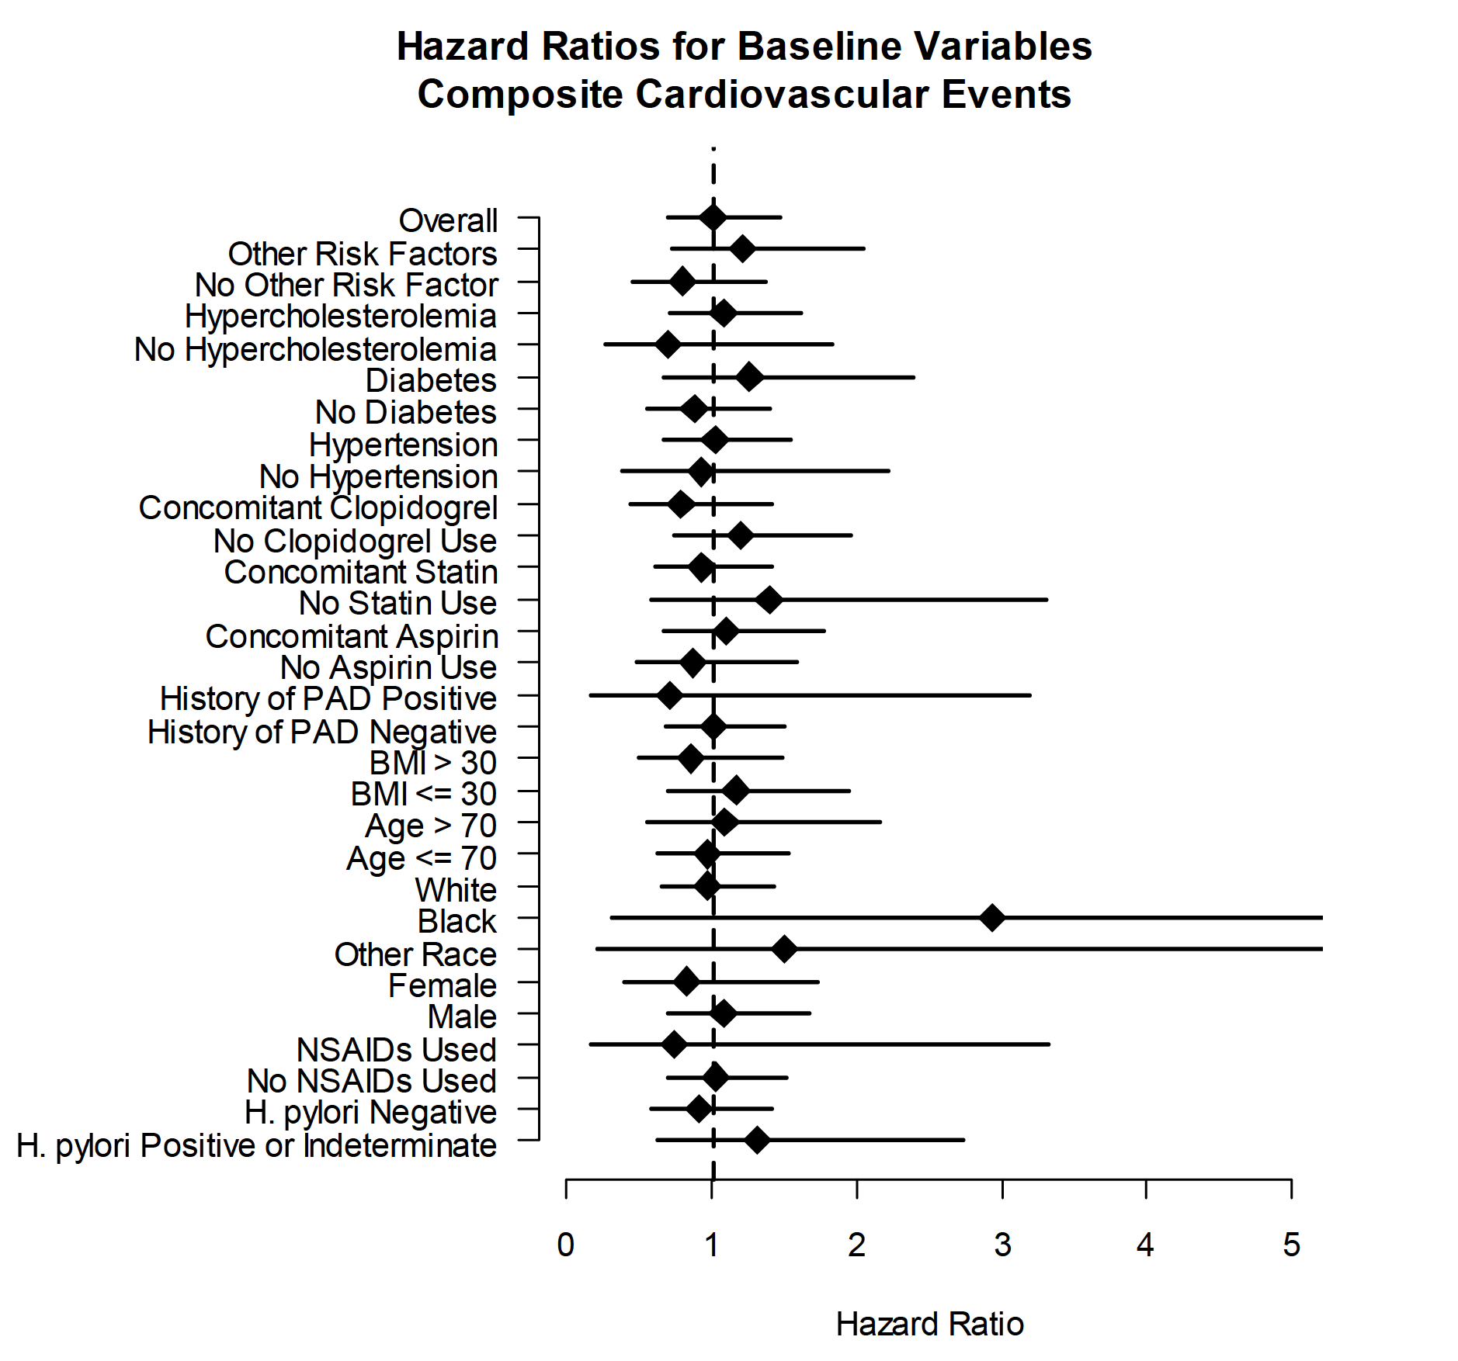
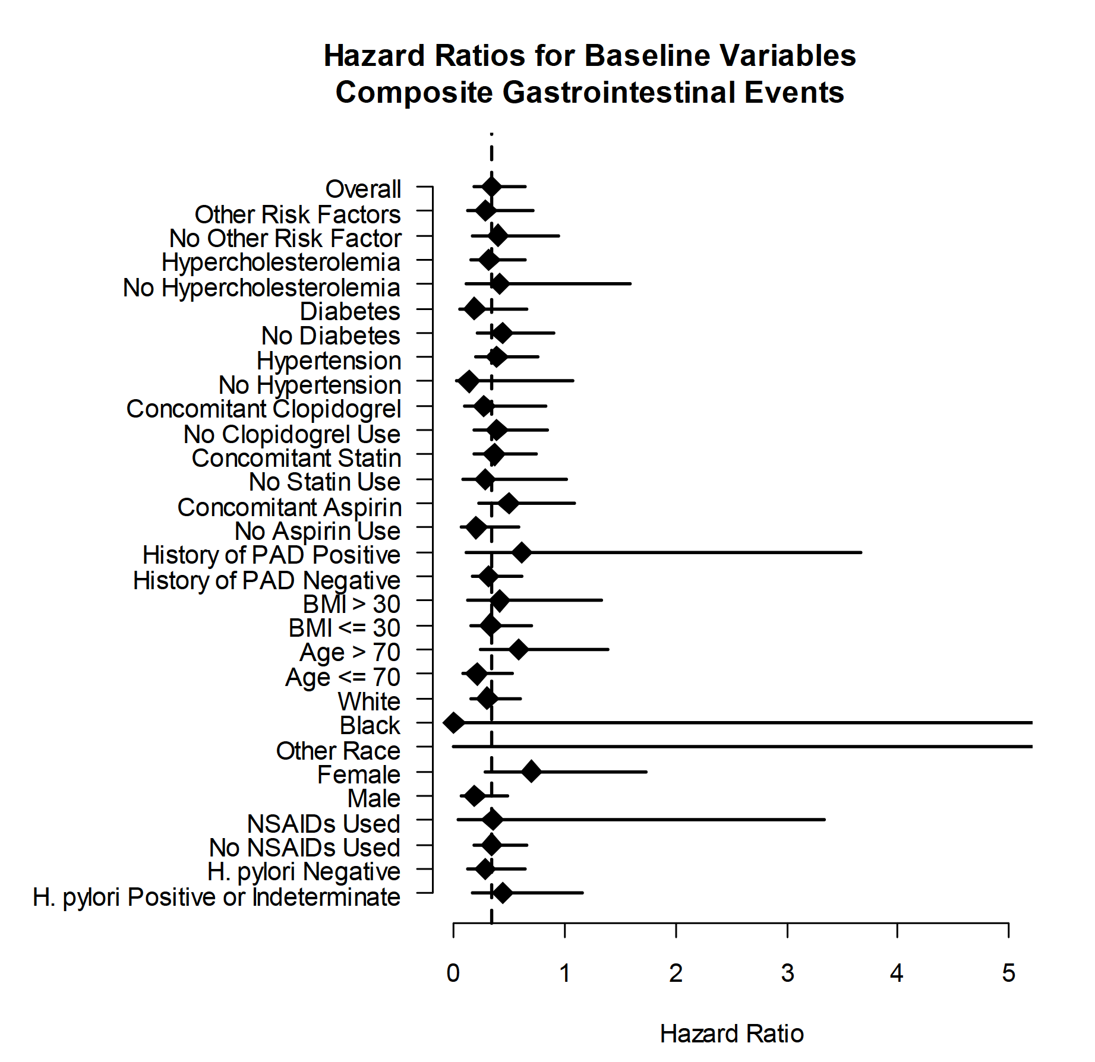
Supplementary Figure 3. Hazard ratios for the composite cardiovascular endpoint in multiple subgroups with and without various forms of vascular disease.

