21586508
Table 1. Baseline characteristics of patients using a high, medium or low dose of inhaled steroids expressed as budesonide equivalent.
Mean values (standard deviation) are shown unless stated otherwise. The p-values are for rejection of the hypothesis of similar values in the three groups. ACQ5, five-item Asthma Control Questionnaire; ANOVA, analysis of variance; BMI, body mass index; FEV1, forced expiratory volume in 1 second; ICS, inhaled corticosteroid; LABA, long-acting b2-agonist; N/A, not applicable; PEF, peak expiratory flow. Rows 1,7,8,9,11,12 and 13： all means are different. Rows 4, 10 and 14： >1600 mg stratum different from 400 mg and 401—1599 mg strata, which are similar. Row 5: <400 mg stratum different from 401—500 mg and >1600 mg strata.

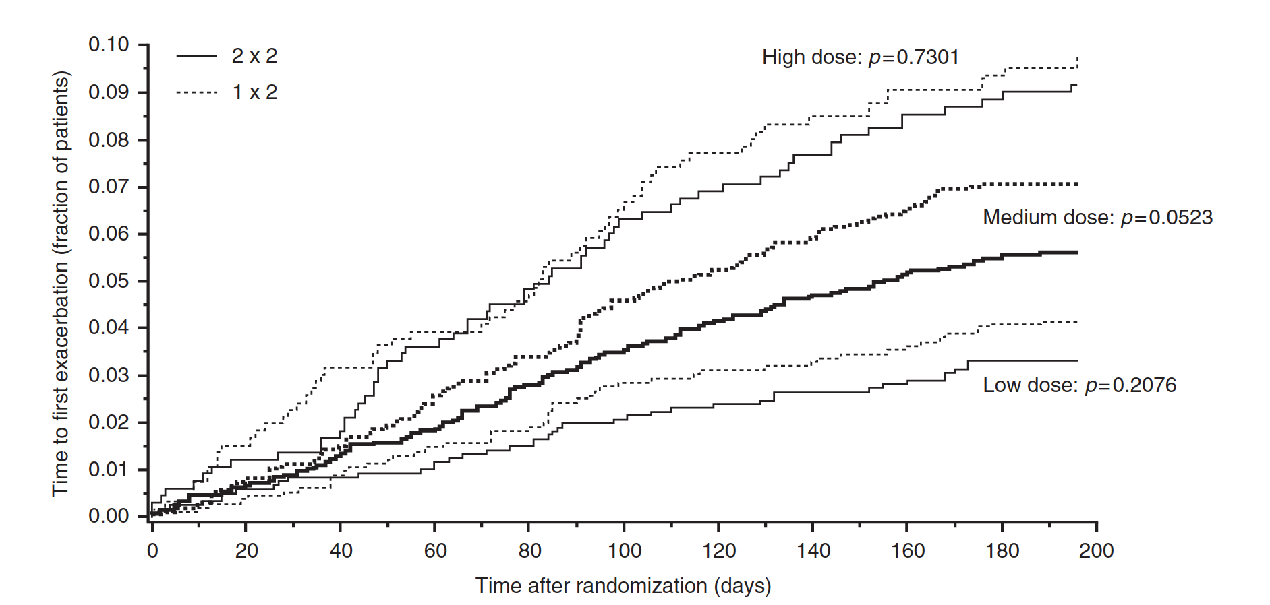
Variable | Daily dose 400 mg n = 2380 | Daily dose 401-1599 mg n = 4334 | Daily dose > 1600 mg n = 1339 | p-value (ANOVA)
Mean age, years | 45.8 (15.1) | 48.4 (15.3) | 49.5 (15.9) | <0.0001
Age range, years | 18-93 | 18-96 | 18-90 | N/A
Females, % | 60.3 | 62.8 | 62.6 | 0.1032
Duration of asthma, years | 15.0 (12.6) | 15.4 (12.8) | 16.8 (13.9) | <0.0001
BMI, kg/m2 | 26.7 | 27.6 | 27.9 | <0.0001
ICS, mg/day | 393 (28) | 806 (130) | 1705 (392) | N/A
LABA use, % patients | 75.2 | 71.1 | 87.6 | <0.0001
FEV1 post-bronchodilator, % predicted normal | 92.9 (18.9) | 89.7 (19.9) | 87.1 (21.0) | <0.0001
PEF, post-bronchodilator, % predicted normal | 92.5 (24.6) | 90.9 (24.4) | 86.0 (25.6) | <0.0001
ACQ5 score | 1.70 (0.92) | 1.84 (0.97) | 2.17 (1.13) | <0.0001
Exacerbations in previous year | 1.33 (2.5) | 1.39 (2.3) | 1.83 (2.6) | <0.0001
As-needed inhalations/day | 1.22 (1.1) | 1.55 (1.3) | 1.94 (1.6) | <0.0001
Days with asthma symptoms/week | 4.07 (1.4) | 4.45 (2.2) | 4.75 (2.1) | <0.0001
Night-time awakenings/week | 0.93 (1.4) | 1.10 (1.6) | 1.55 (1.9) | <0.0001

