24120253
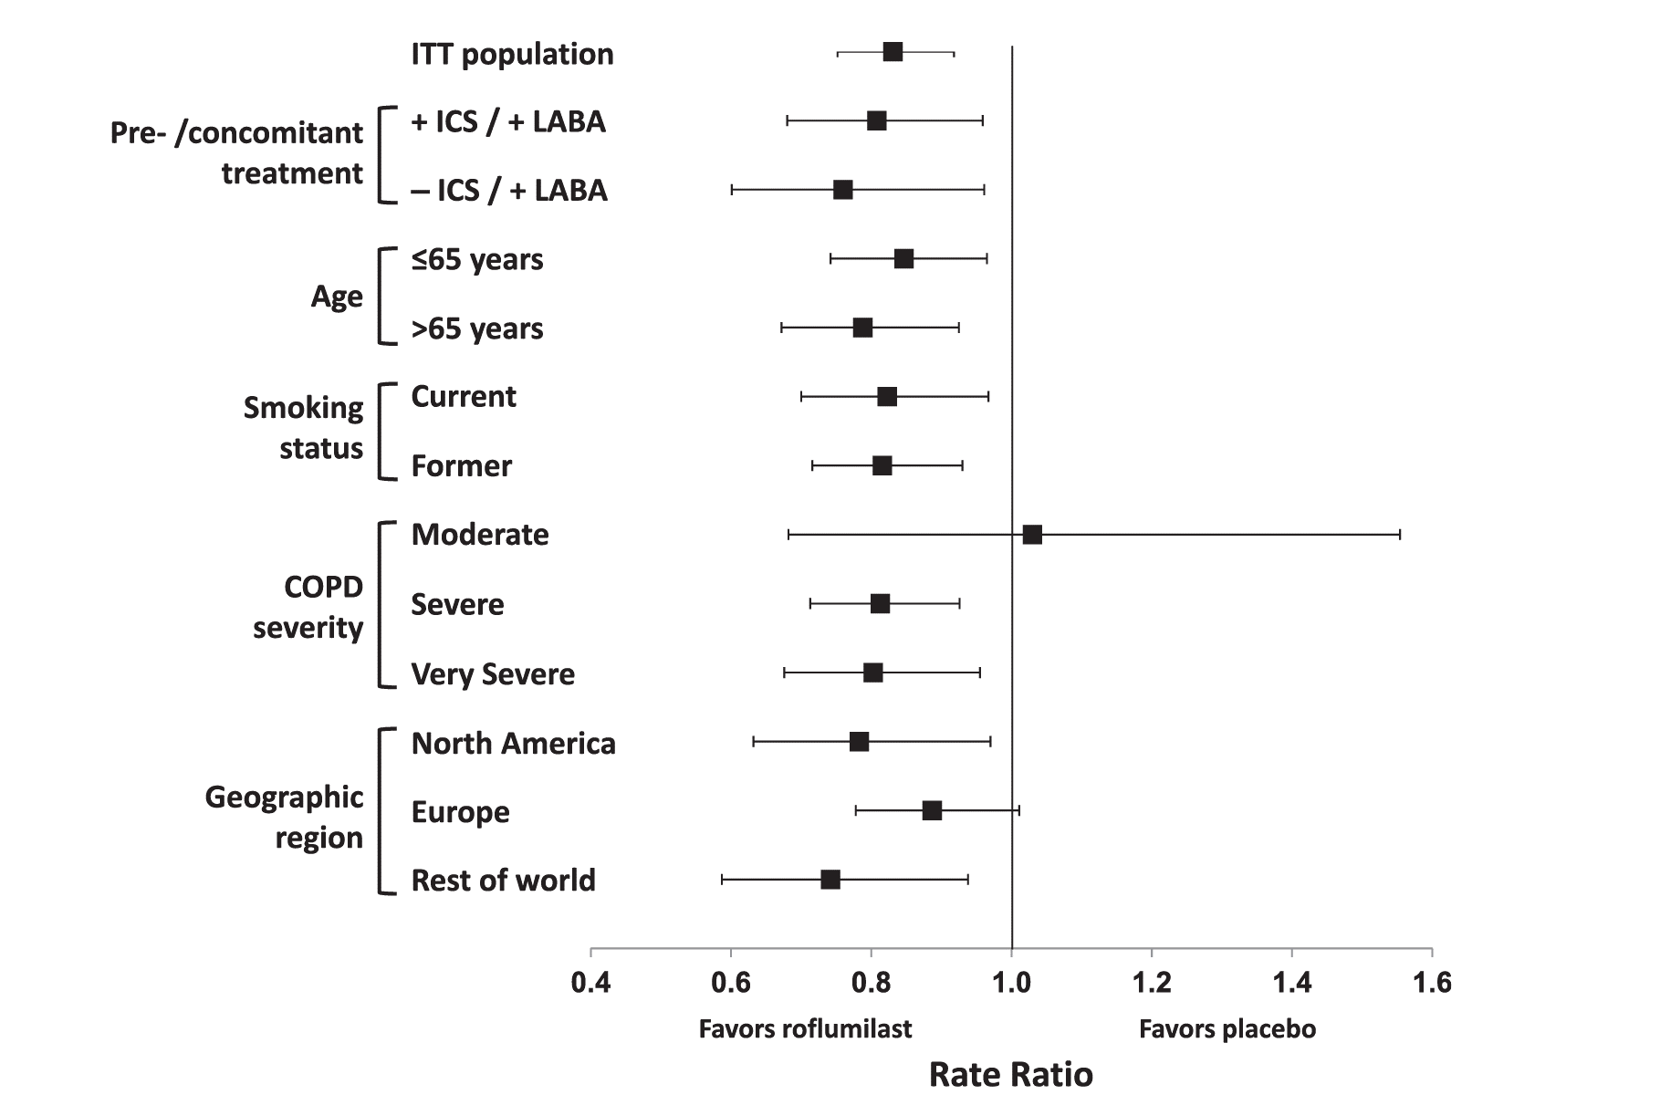
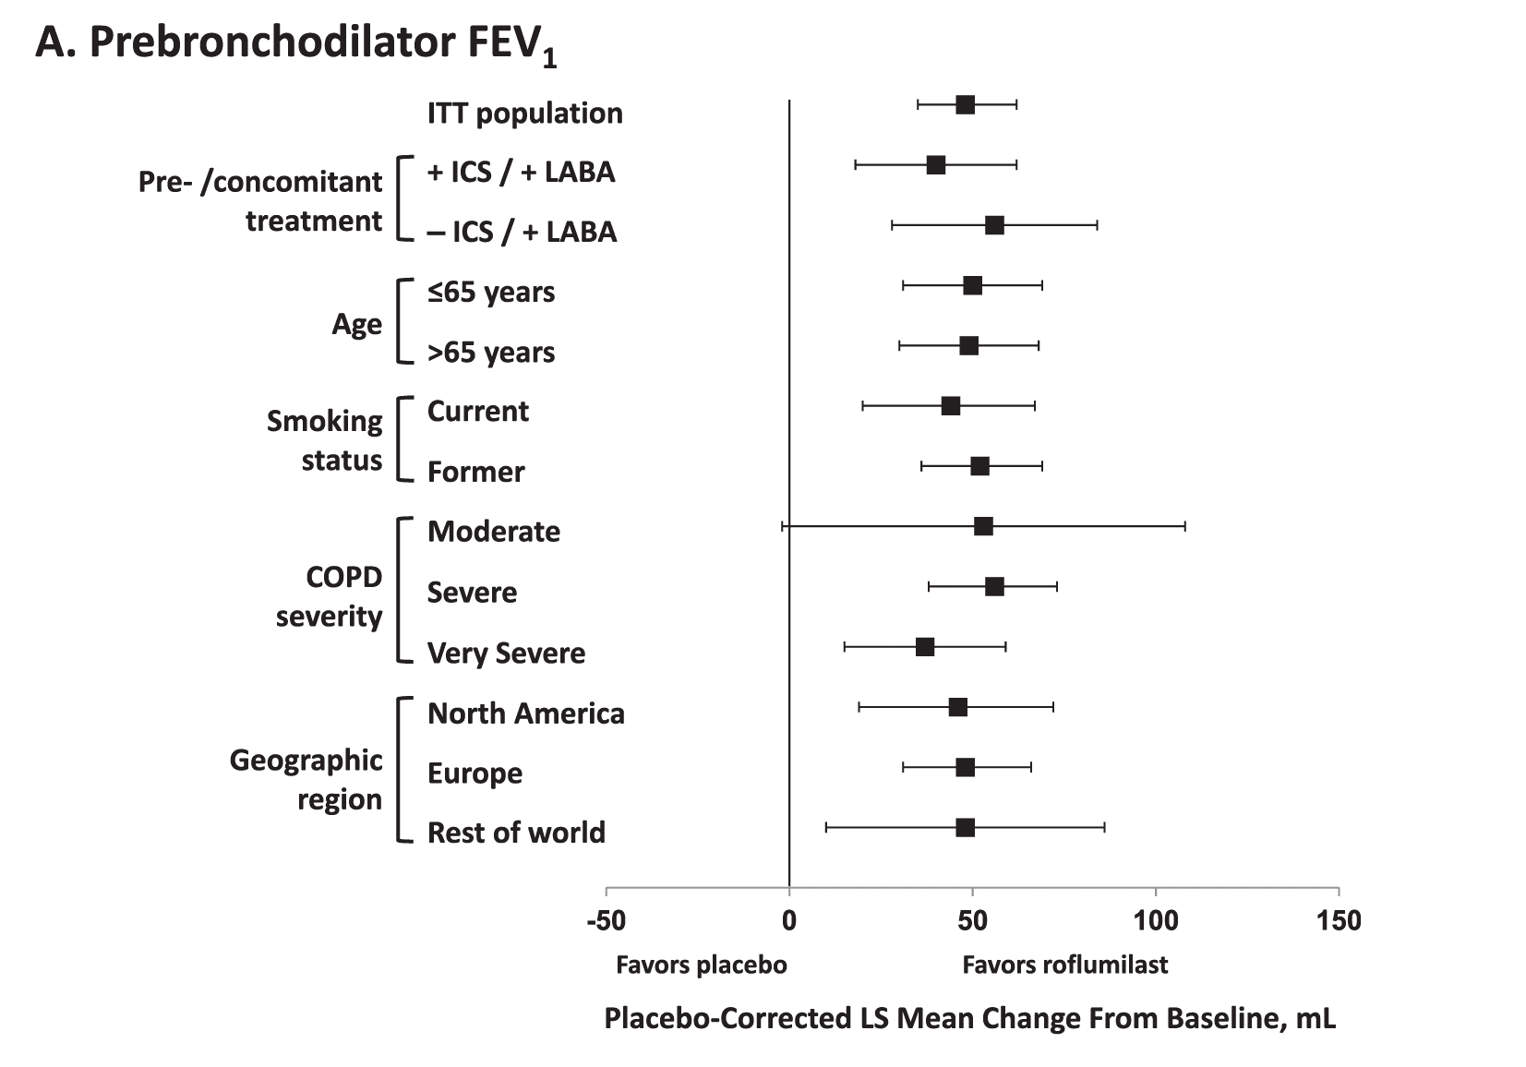
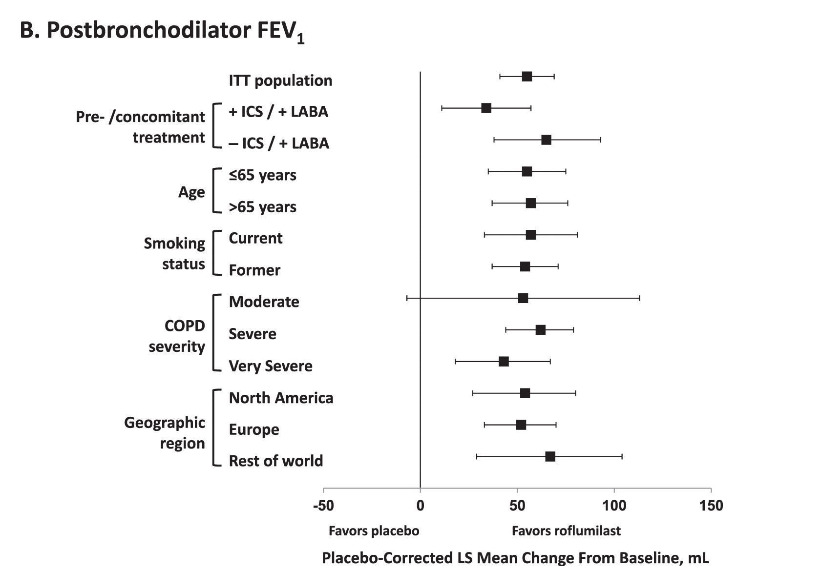
Figure 4. Least squares (LS) mean differences between roflumilast and placebo in (A) pre- and (B) postbronchodilator FEV1 in the ITT population and subpopulations. COPD, chronic obstructive pulmonary disease; FEV1, forced expiratory volume in 1 s; ICS, inhaled corticosteroid; ITT, intent to treat; LABA, long-acting β2-agonist.

