16351668
Table 1 Patient characteristics and baseline lipid concentrations

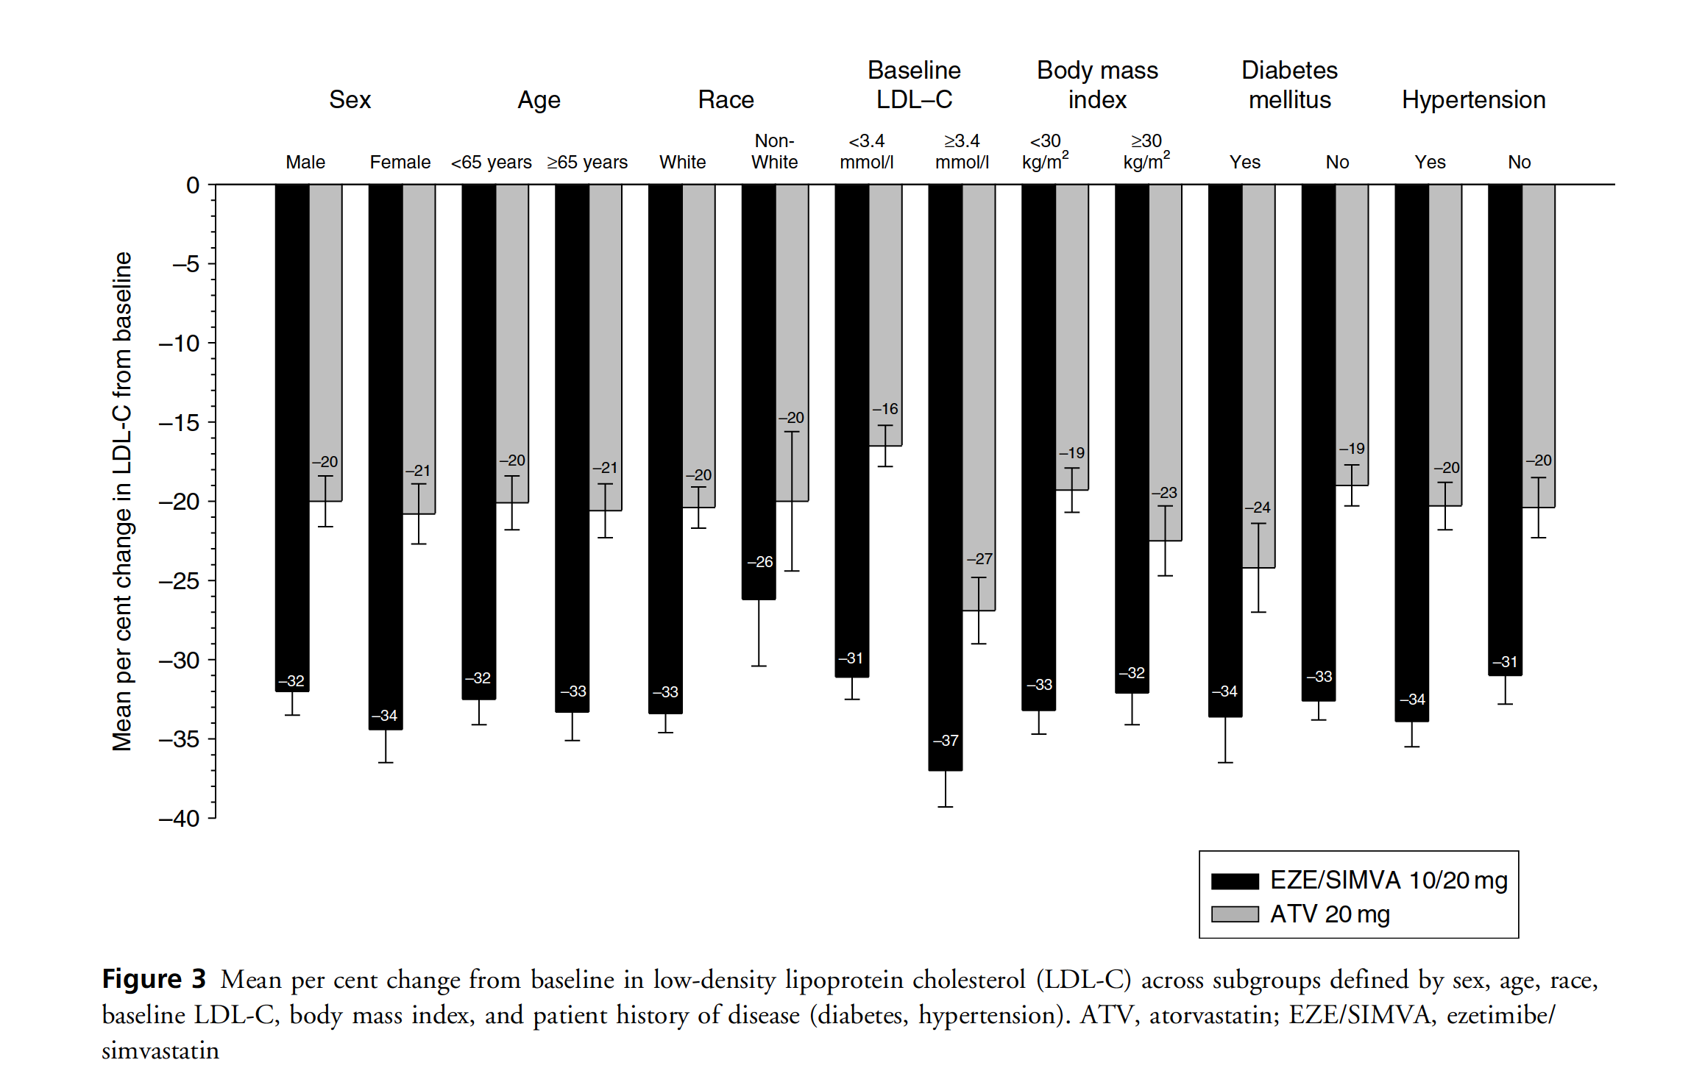
 | EZE/SIMVA 10/20 mg (n = 221) | ATV20 mg (n = 214)
Age (years)
Mean (SD) | 63.5 (9.6) | 63.4 (10.2)
Range | 43-90 | 32-86
Number of patients >65 years (%) | 108 (48.9) | 98 (45.8)
Number of females n (%) | 80 (36.2) | 86 (40.2)
Race n (%)
White | 205 (92.8) | 197 (92.1)
Black | 1 (0.5) | 3 (1.4)
Other | 15 (6.8) | 14 (6.5)
Weight; mean ± SD (kg) | 80.9 (14.4) | 77.8 (13.3)
Body mass index; mean + SD (kg/m ) | 29.0 (4.4) | 28.0 (4.1)
Duration of hypercholesterolaemia; mean ± SD (year) | 7.5 (6.7) | 7.9 (7.1)
Patient history of disease n (%)
Hypertension | 141 (63.8) | 116 (54.2)
DM | 59 (26.7) | 53 (24.8)
Concomitant therapies n (%)
Drugs used in diabetes | 50 (22.6) | 41 (19.2)
Antithrombotic agents | 42 (19.0) | 53 (24.8)
Antihypertensive agents* | 193 (87.3) | 177 (82.7)
Cardiac therapy§ | 66 (29.9) | 79 (36.9)
Peripheral vasodilators | 8 (3.6) | 8 (3.7)
Vasoprotectives | 9 (4.1) | 6 (2.8)
Baseline lipids; mean ± SD (mmol/l)
LDL-C | 3.19 (0.45) | 3.24 (0.49)
TC | 5.31 (0.60) | 5.39 (0.64)
TGt | 1.48 (0.68) | 1.37 (0.73)
HDL-C | 1.38 (0.31) | 1.44 (0.35)
non-HDL-C | 3.93 (0.55) | 3.95 (0.59)
LDL-C/HDL-C ratio | 2.41 (0.60) | 2.38 (0.65)
TC/HDL-C ratio | 3.99 (0.83) | 3.92 (0.86)
Apo Bt | 1.28 (0.18) | 1.27 (0.18)
Apo, apolipoprotein; DM, diabetes mellitus; HDL-C, high-density lipoprotein cholesterol; LDL-C, low-density lipoprotein cholesterol; TC, total cholesterol; TG, triglycerides. *Includes agents acting on the renin-angiotensin system, beta blocking agents, calcium channel blockers, and diuretics. †Median values [standard deviation for medians calculated by (Q3 Q1)/1.075]. §Includes cardiac glycosides, antiarrhythmics class I and III, vasodilators used in cardiac diseases and other cardiac preparations. ‡Expressed as g/l.

