16351668
Sex | Male | Female
Age | <65 years | >65 years
Race | Non- White | White
Baseline LDL-C | <3.4 mmol/l | >3.4 mmol/l
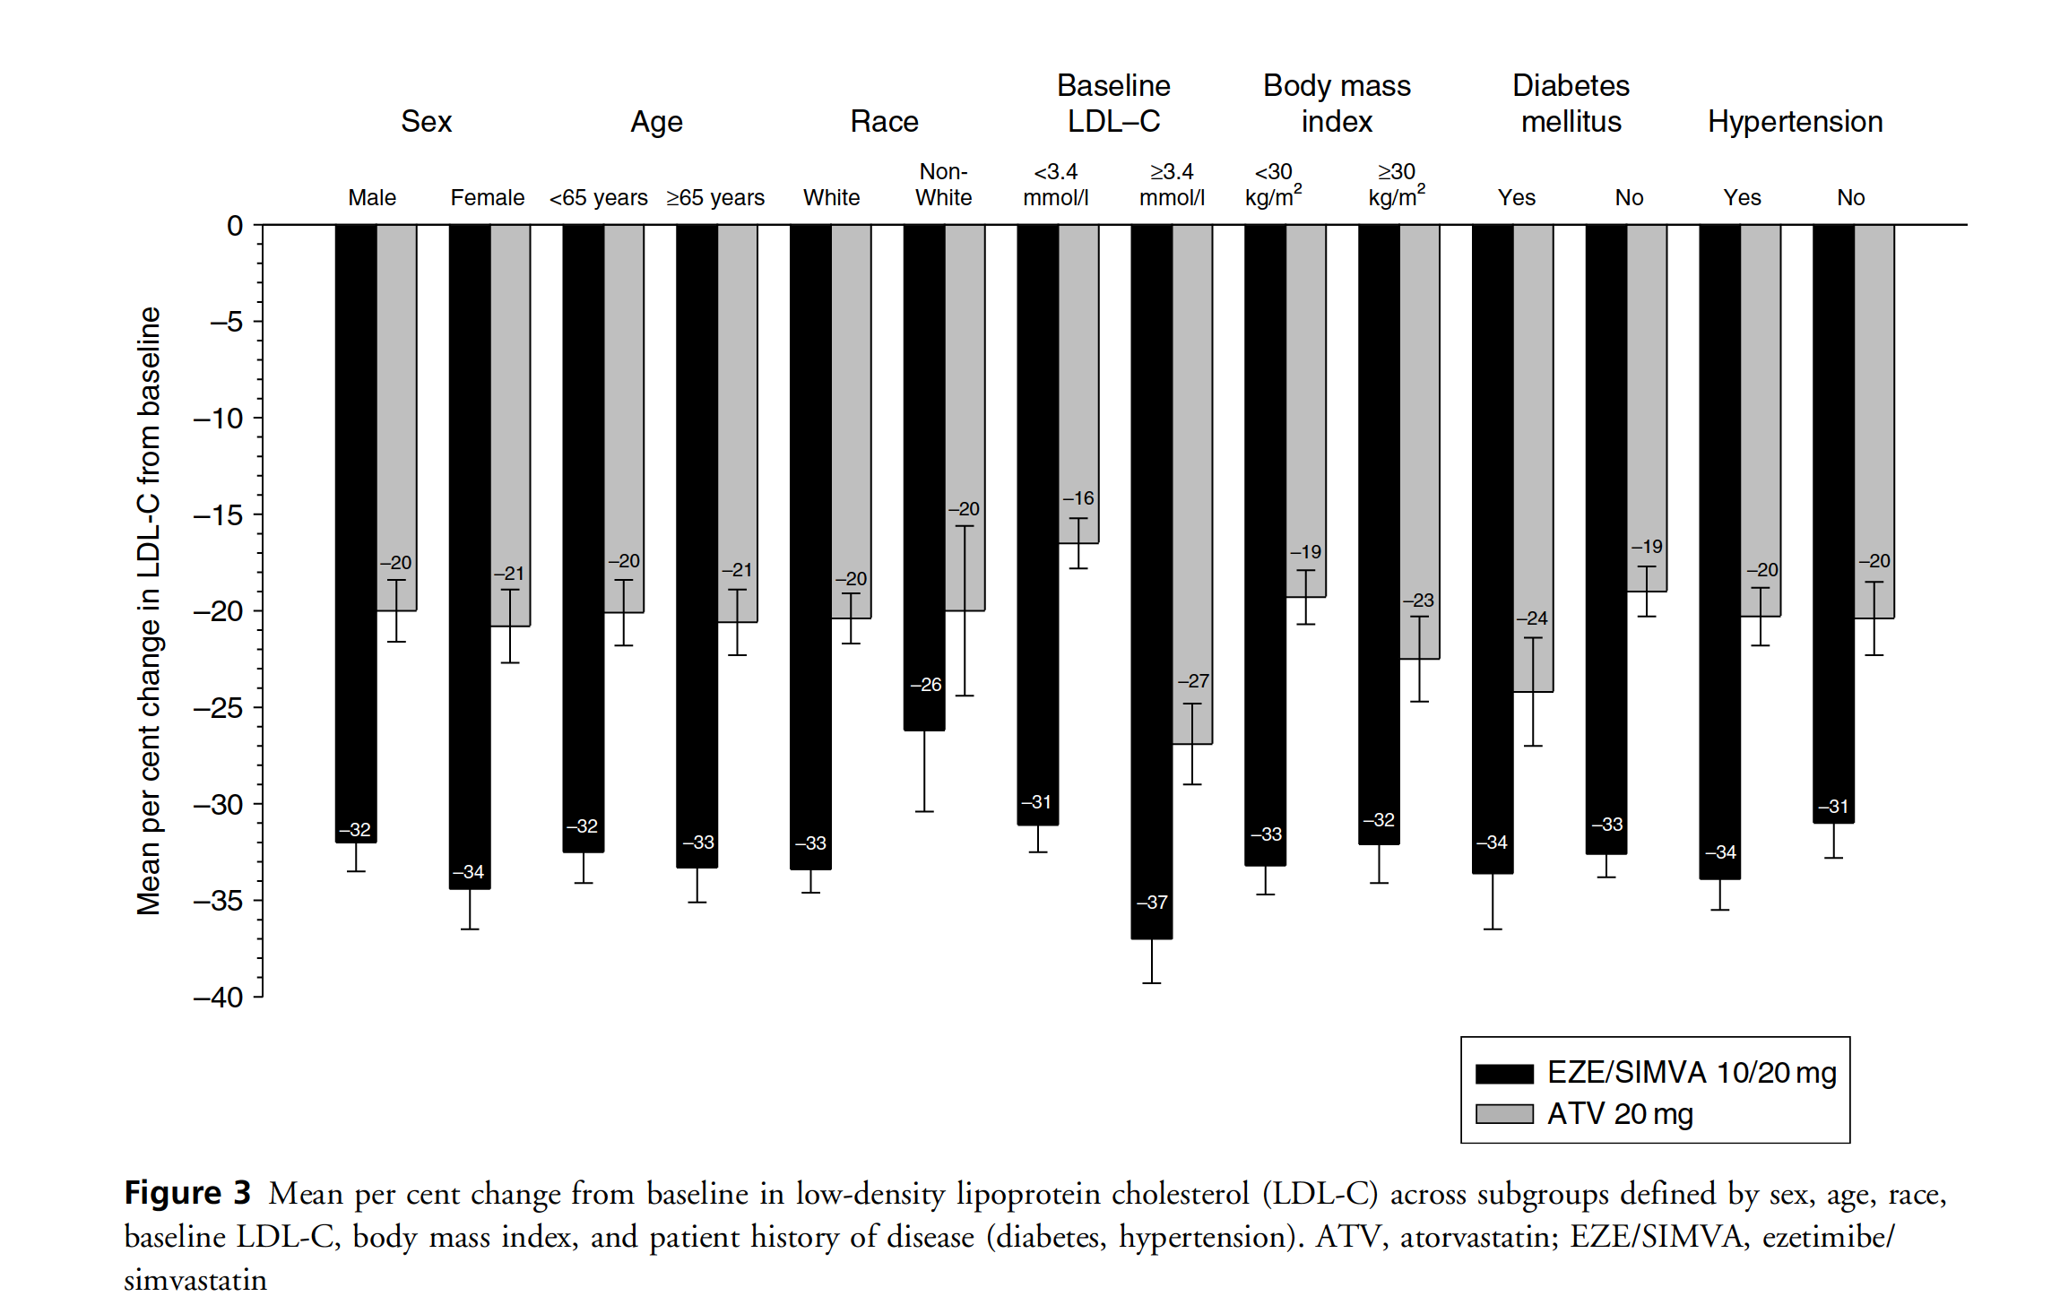
Body mass index | <30 kg/m2 | >30 kg/m2
Diabetes mellitus | Yes | No
Hypertension | Yes | No

