19166691
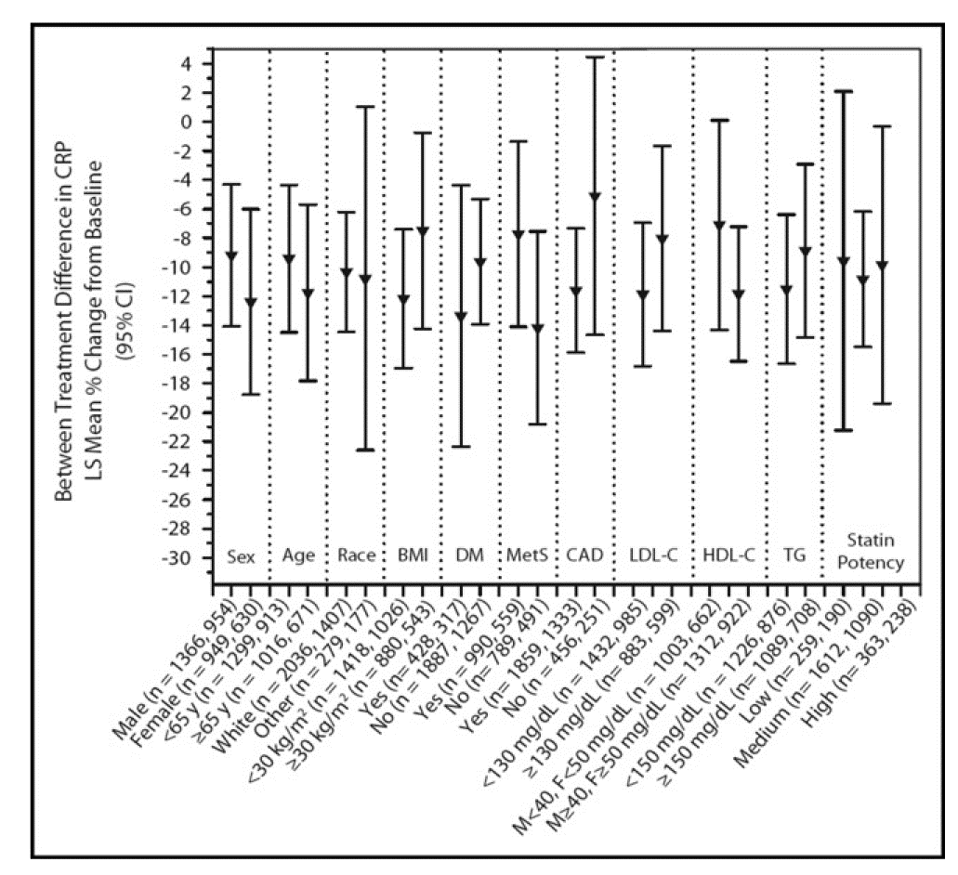
Figure 4. Treatment differences ([ezetimibe statin] [placebo statin]) in least squares (LS) mean percentage change from baseline in CRP among subgroups of patients with ongoing statin treatment. There were no signif-icant treatment-by-subgroup interactions. BMI body mass index; DM diabetes mellitus; HDL-C high-density lipoprotein cholesterol; LDL-C LDL cholesterol; TG triglycerides

