20670726
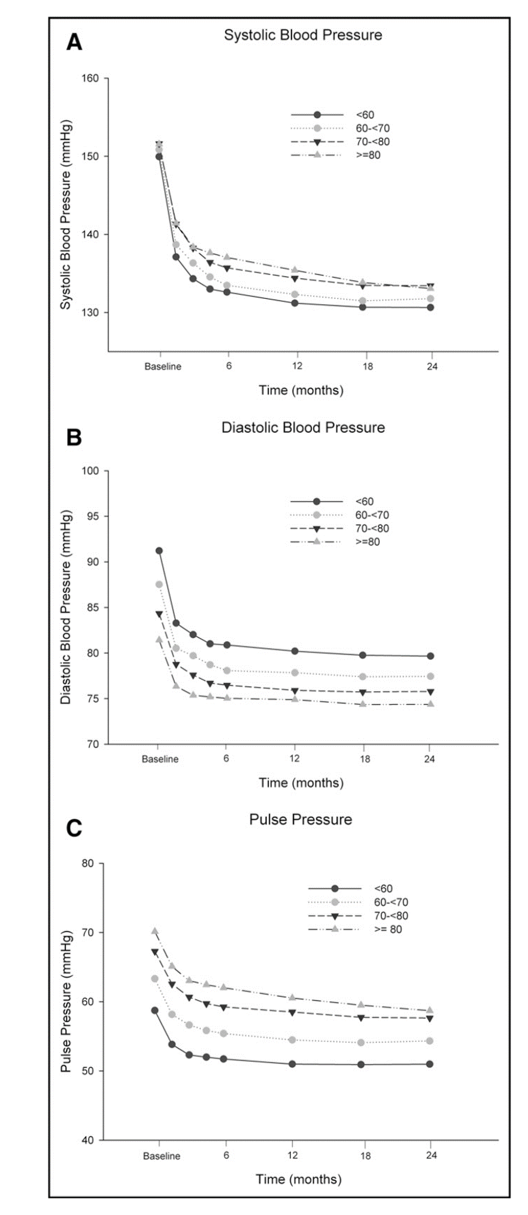
Figure 1. Systolic blood pressure (A), diastolic blood pressure (B), and pulse pressure (C) as a function of age (in 10-year increments) and time

