22747613
TABLE. Demographic and Baseline Characteristics Stratified by Serum K+ Levels at Baseline and EOS
Abbreviations: Ami, amlodipine; eGFR, estimated glomerular filtration rate; EOS, end of study; HbA1c, glycated hemoglobin; HCTZ, hydrochlorothiazide; K+, potassium; SD, standard deviation; Val, valsartan. "Fasting plasma glucose <100 mg/dL at baseline. bFasting plasma glucose >100 mg/dL and <126 mg/dL at baseline. "Fasting plasma glucose >126 mg/dL at baseline. dP<;.05 for between-treatment comparison.
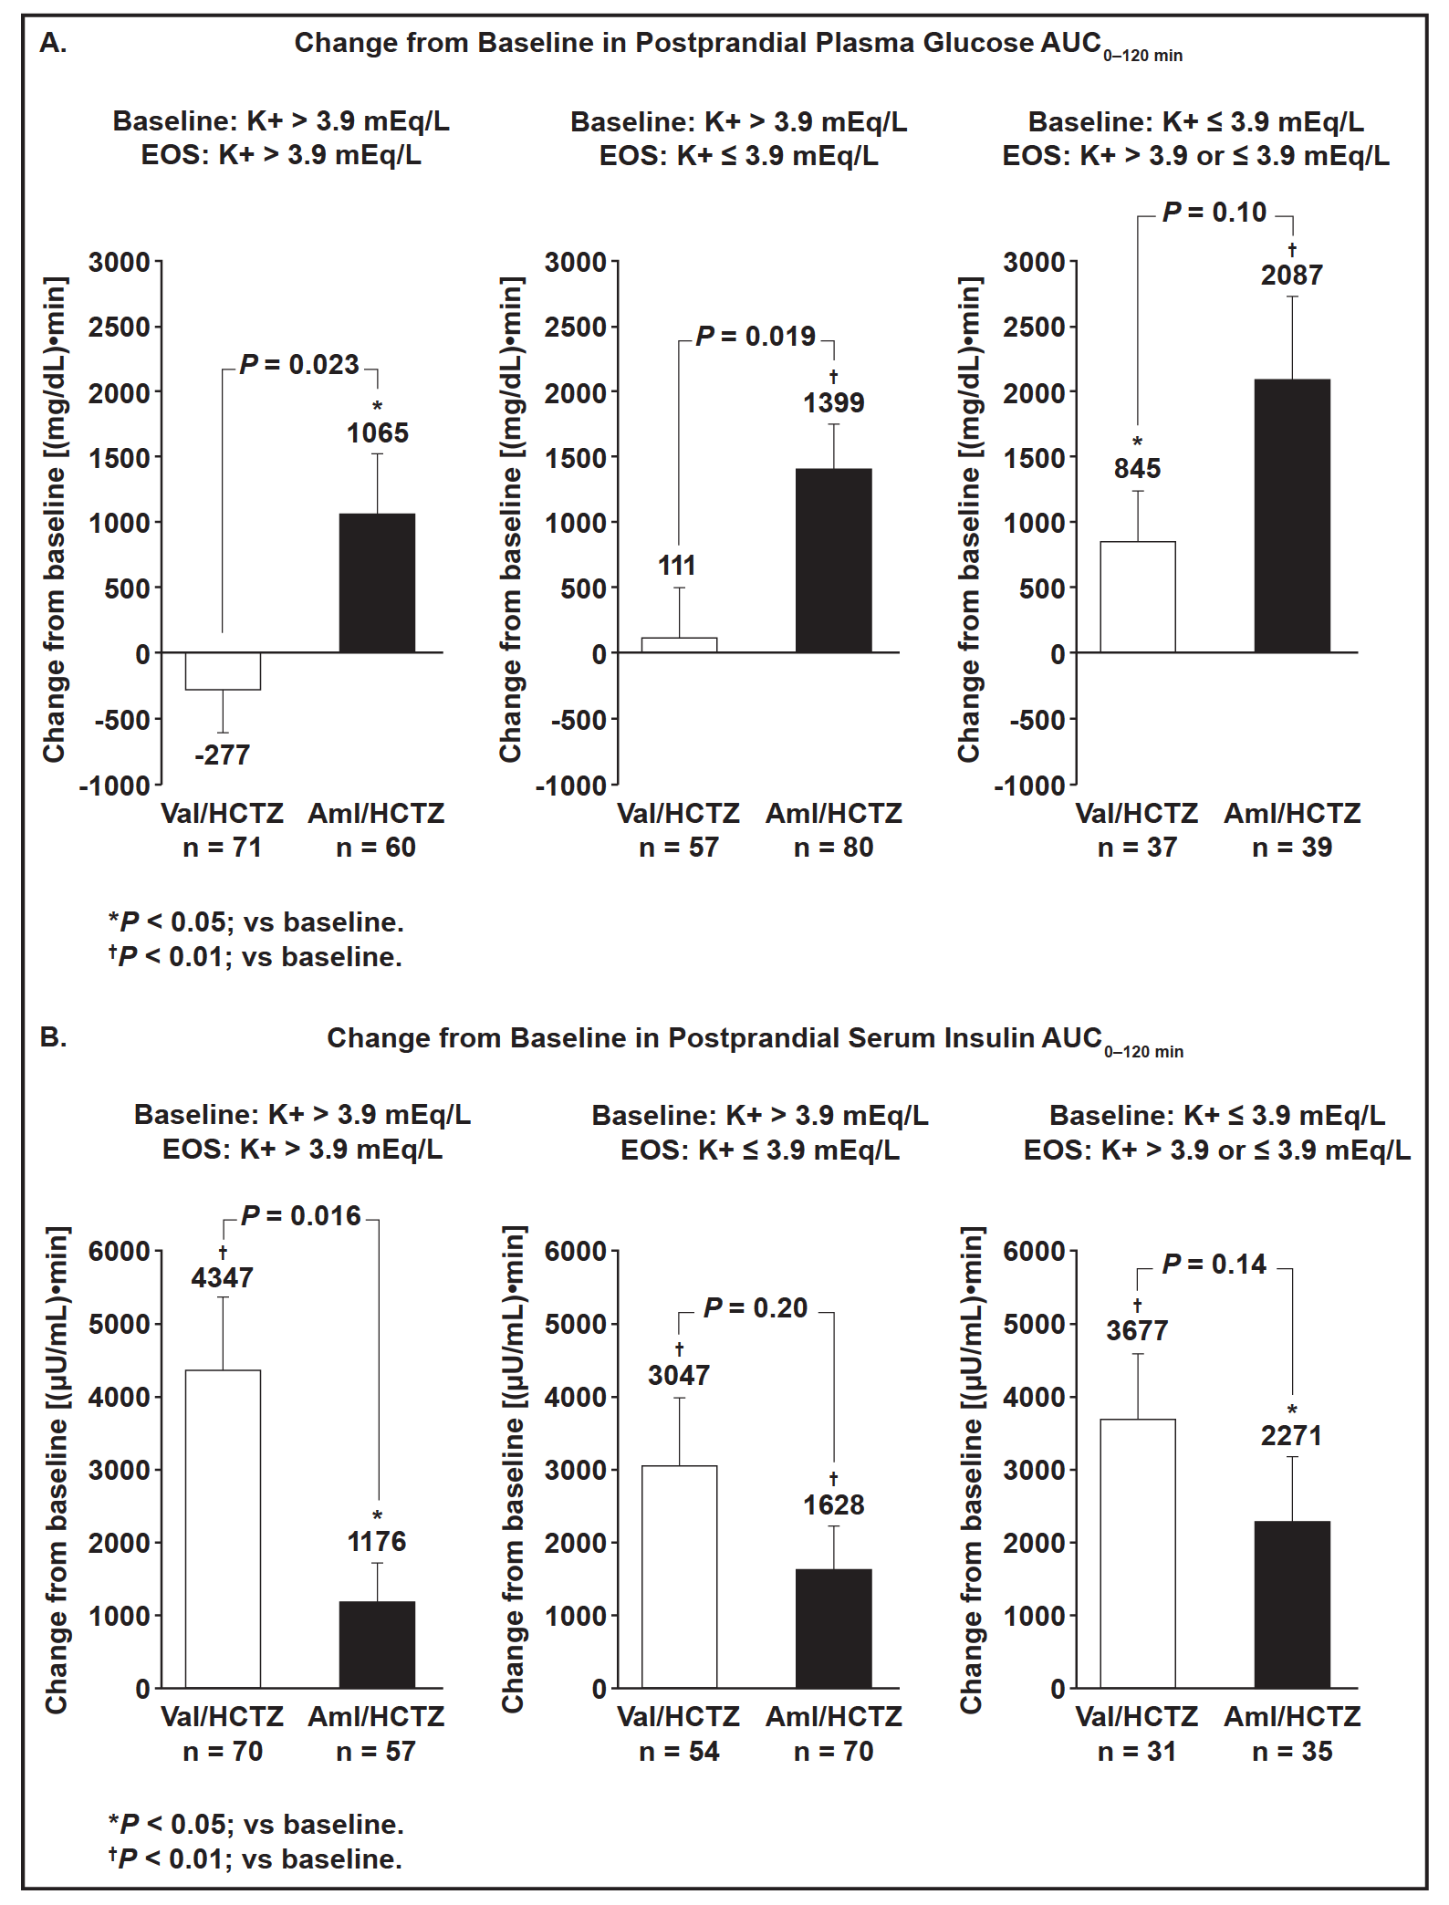
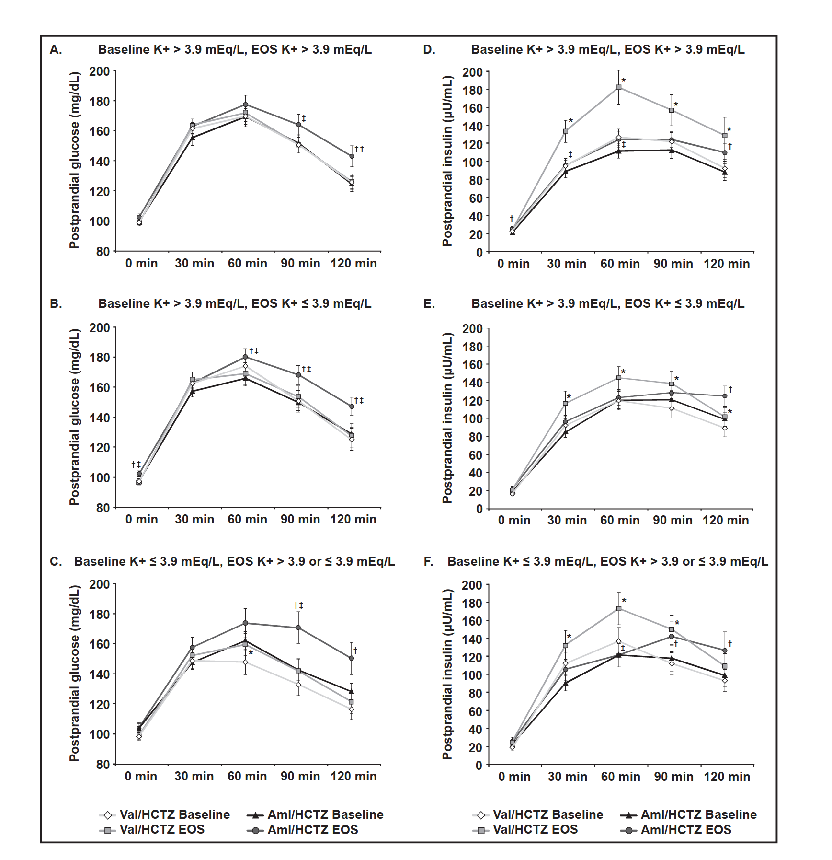
Characteristic | Serum K+ Level and Drug Treatment
 | Baseline: >3.9 mEq/L EOS: >3.9 mEq/L |  | Baseline: >3.9 mEq/L EOS: <3.9 mEq/L |  | Baseline: <3.9 mEq/L EOS: >3.9 or <3.9 mEq/L
 | Val/HCTZ (n=80) | Aml/HCTZ (n=63) | Val/HCTZ (n=63) | Aml/HCTZ (n=87) | Val/HCTZ (n=46) | Aml/HCTZ (n=46)
Age, y, mean (SD) | 58.0 (10.0) | 56.7 (8.4) | 56.4 (7.4) | 55.8 (8.7) | 55.3 (8.3) | 53.9 (8.6)
>65 y, No. (%) | 20 (25) | 12 (19) | 8(13) | 11 (13) | 6(13) | 3(7)
Diabetes status, No. (%)
Normoglycemic3 | 50 (63) | 37 (59) | 44 (70) | 57 (66) | 31 (67) | 26 (57)
Prediabeticb | 27 (34) | 22 (35) | 16 (25) | 25 (29) | 13 (28) | 13 (28)
Diabetic0 | 3(4) | 4(6) | 3(5) | 5(6) | 2(4) | 5(11)
eGFR, mL/min/1.73 m2, mean (SD) | 71.3 (13.9) | 73.4 (13.3) | 72.9 (15.2) | 72.8 (11.5) | 71.9 (11.5) | 72.9 (13.7)
HbA1c, %, mean (SD) | 5.9 (0.4) | 5.9 (0.4) | 5.8 (0.4) | 5.8 (0.4) | 5.8 (0.5) | 5.9 (0.4)
Baseline serum K+, mEq/L
Mean (SD) | 4.5 (0.3) | 4.5 (0.3) | 4.3 (0.3) | 4.4 (0.3) | 3.7 (0.2)d | 3.8 (0.1)
Median | 4.4 | 4.5 | 4.3 | 4.3 | 3.7 | 3.8
EOS serum K+, mEq/L
Mean (SD) | 4.3 (0.3) | 4.3 (0.3) | 3.7 (0.2)d | 3.6 (0.2) | 3.8 (0.3)d | 3.6 (0.4)
Median | 4.2 | 4.2 | 3.8 | 3.6 | 3.9 | 3.6

