22747613
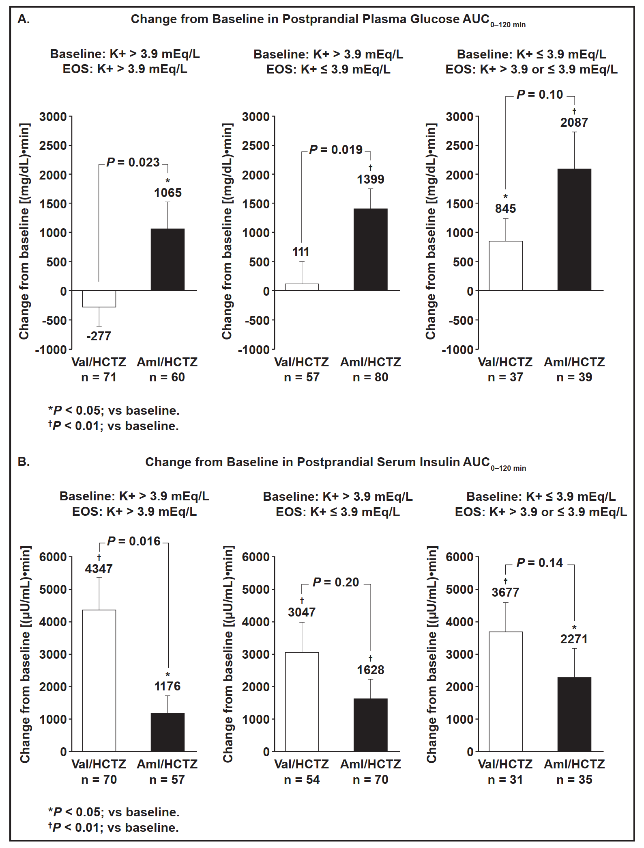
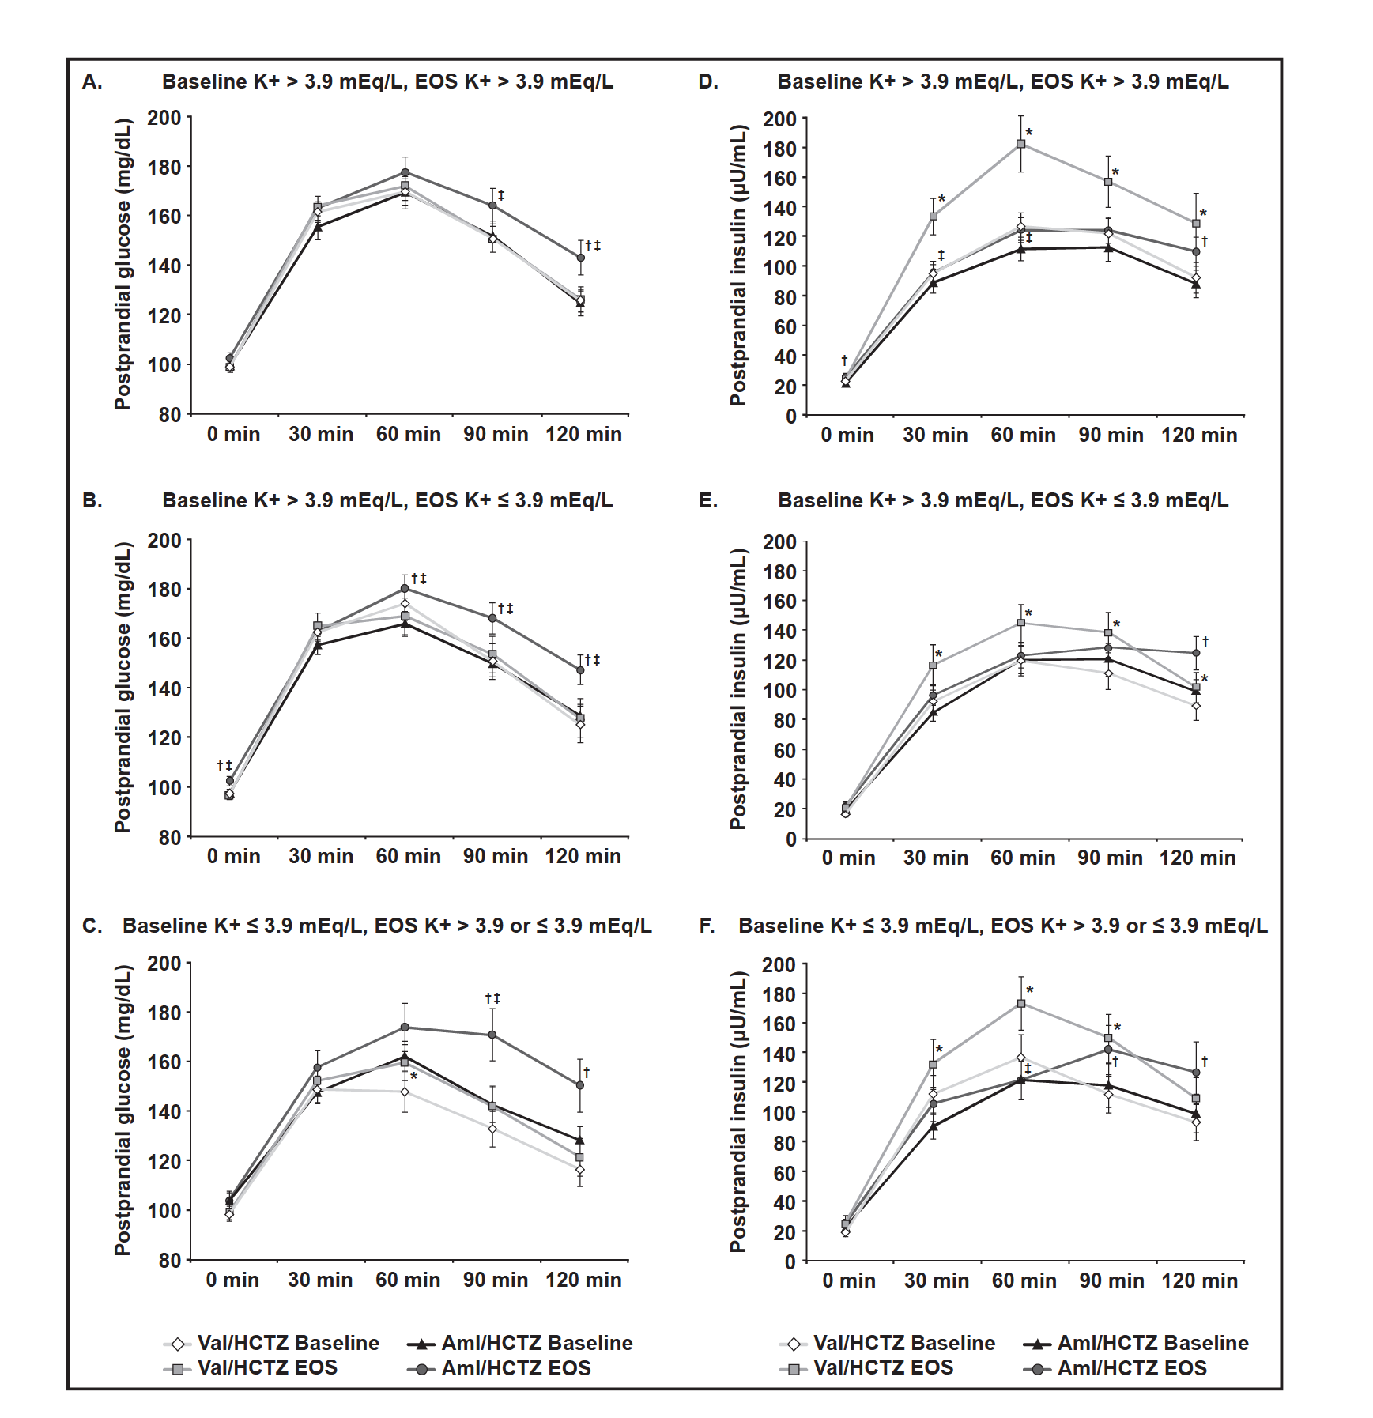
FIGURE 1. Postprandial glucose (A, B, C) and insulin (D, E, F) after oral glucose tolerance test (OGTT) challenge at baseline and at the end of the study (EOS) in patients with baseline potassium (K+) >3.9 mEq ⁄ L and EOS K+ >3.9 mEq ⁄ L; baseline K+ >3.9 mEq ⁄ L and EOS K+ 3.9 mEq ⁄ L; and baseline K+ 3.9 mEq ⁄ L and EOS K+ >3.9 or 3.9 mEq ⁄ L, respectively. Aml indicates amlodipine; HCTZ, hydrochlorothiazide; Val, valsartan. Error bars represent standard error.

