19026303
Figure 3. Percentage of change from treated baseline (BL) in LDL cholesterol at week 6 in prespeciﬁed subgroups treated with ezetimibe added on to atorvastatin 40 mg versus atorvastatin 80 mg (A80).

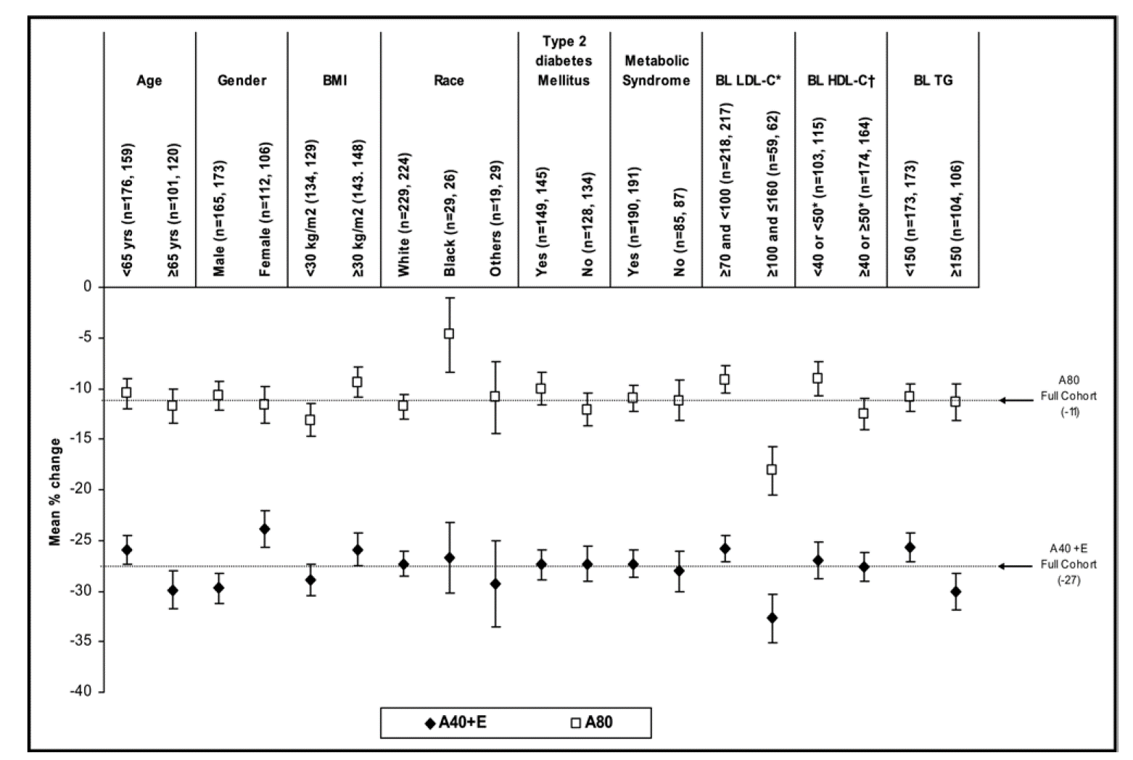

*The 2 substrata with baseline (BL) LDL cholesterol 100 to 130 mg/dl and 130 to 160 mg/dl were combined to make 1 group with BL LDL cholesterol 100 to 160 mg/dl because of small numbers of patients included in the substrata with 130 to 160 mg/dl. †BL HDL cholesterol cutoffs were 40 or 40 mg/dl for men and 50 or 50 mg/dl for women. Bars indicate SE. BMI body mass index; E ezetimibe 10 mg; HDL-C HDL cholesterol; LDL-C LDL cholesterol; TG triglycerides

