24063830
Table 1 Baseline characteristics (all randomized subjects)
Data are presented as n (%) or mean SD. A10/20/40 ¼ atorvastatin 10 mg, 20 mg, or 40 mg; E10 ¼ ezetimibe 10 mg; R10/20 ¼ rosuvastatin 10 mg or 20 mg. * Having 3 of the following 5 characteristics: waist circumference 102 cm for men or 88 cm for women; triglycerides 150 mg/dl; HDL-C <40 mg/dl in men or <50 mg/dl in women; 130 mm Hg systolic blood pressure, 85 mm Hg diastolic blood pressure, or on antihypertensive drug treatment in a subject wit†h a history of hypertension; fasting glucose 100 mg/dl or on drug treatment for elevated glucose. CVD is deﬁned as the National Cholesterol Education Program-Adult Treatment Panel III and American Heart Association/American College of Cardiology guideline deﬁnition of “established atherosclerotic vascular disease.”

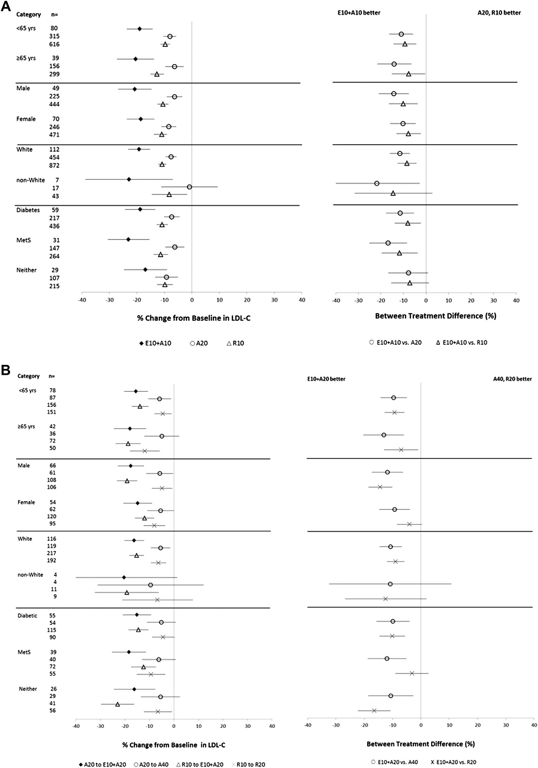
Characteristic |  | Period I
 | E10 + A10 | A20 | R10 | E10 + A10 -
 | (n = 120) | (n = 483) | (n = 944) | E10 + A10
 |  |  |  | (n = 28)
Men | 49 (40.8) | 230 (47.6) | 455 (48.2) | 14 (50.0)
Women | 71 (59.2) | 253 (52.4) | 489 (51.8) | 14 (50.0)
Age (yrs) | 60.4 ± 9.4 | 59.6 ± 10.2 | 59.9 ± 9.7 | 61.9 ± 8.7
Race
American Indian/ | 1 (0.8) | 1 (0.2) | 0 | 0
Alaska Native
Asian | 0 | 0 | 0 | 0
Black | 4 (3.3) | 11 (2.3) | 28 (3.0) | 2 (7.1)
Multiracial | 2 (1.7) | 6 (1.2) | 18 (1.9) | 0
White | 113 (94.2) | 465 (96.3) | 897 (95.0) | 26 (92.9)
Unknown | 0 | 0 | 1 (0.1) | 0
Ethnicity
Hispanic or Latino | 32 (26.7) | 112 (23.2) | 228 (24.2) | 9 (32.1)
Not Hispanic or Latino | 88 (73.3) | 369 (76.4) | 714 (75.6) | 19 (67.9)
Unknown | 0 | 2 (0.4) | 2 (0.2) | 0
Body mass index (kg/m2) | 30.3 ± 5.2 | 29.6 ± 5.0 | 29.6 ± 5.0 | 31.9 ± 5.1
Metabolic syndrome* | 81 (67.5) | 310 (64.2) | 620 (65.7) | 22 (78.6)
CVD
No | 59 (49.2) | 245 (50.7) | 465 (49.3) | 15 (53.6)
Yes | 61 (50.8) | 238 (49.3) | 479 (50.7) | 13 (46.4)
Diabetes mellitus | 60 (50.0) | 222 (46.0) | 451 (47.8) | 11 (39.3)

