24120253
Figure 2 Rate ratios and 95% conﬁdence intervals for reduction of moderate or severe COPD exacerbations in the ITT population and subpopulations. COPD, chronic obstructive pulmonary disease; ICS, inhaled corticosteroid; ITT, intent to treat; LABA, long-acting b2-agonist.

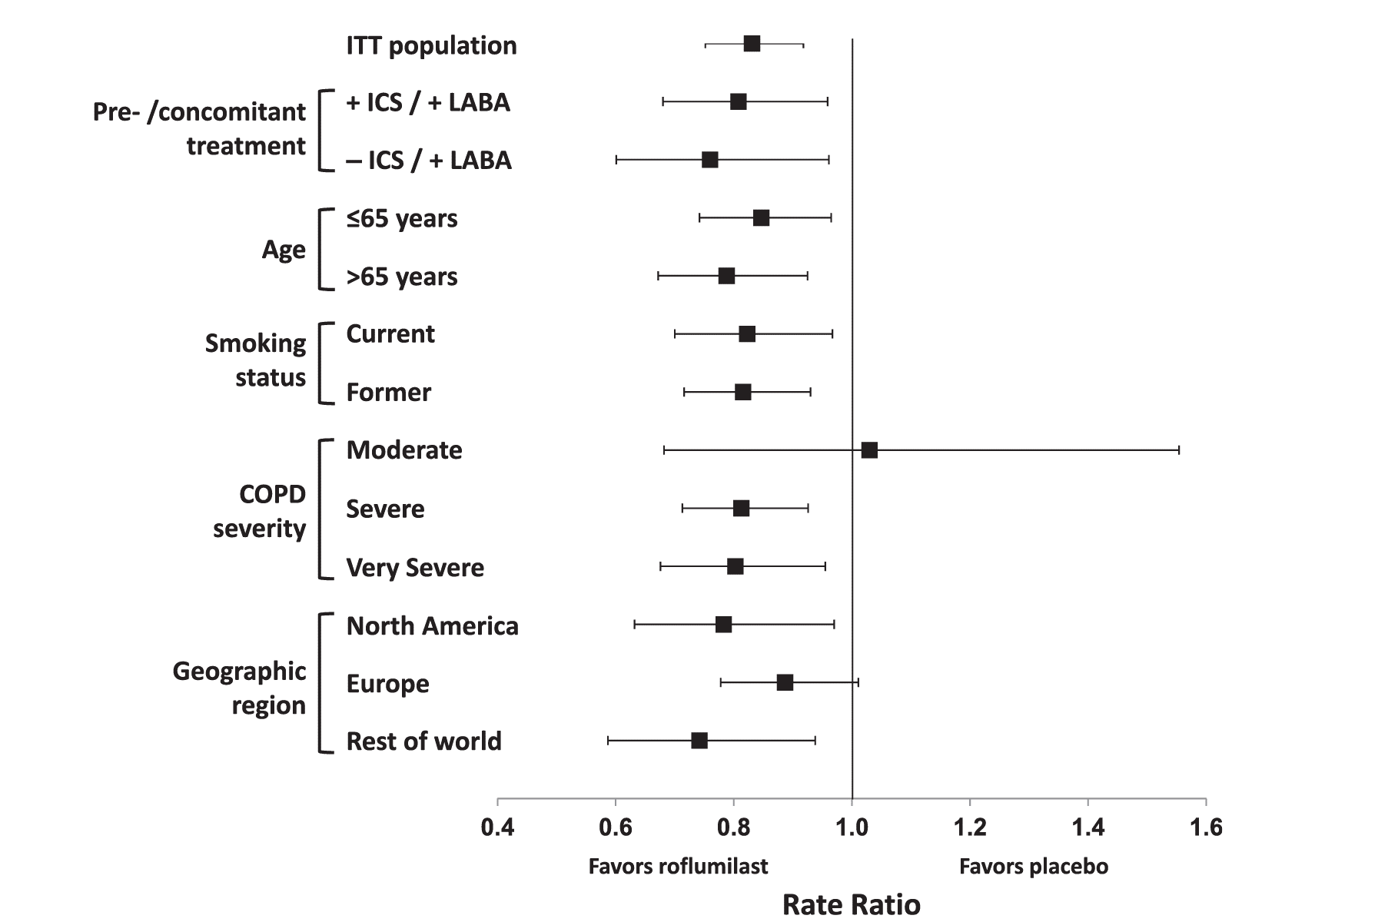
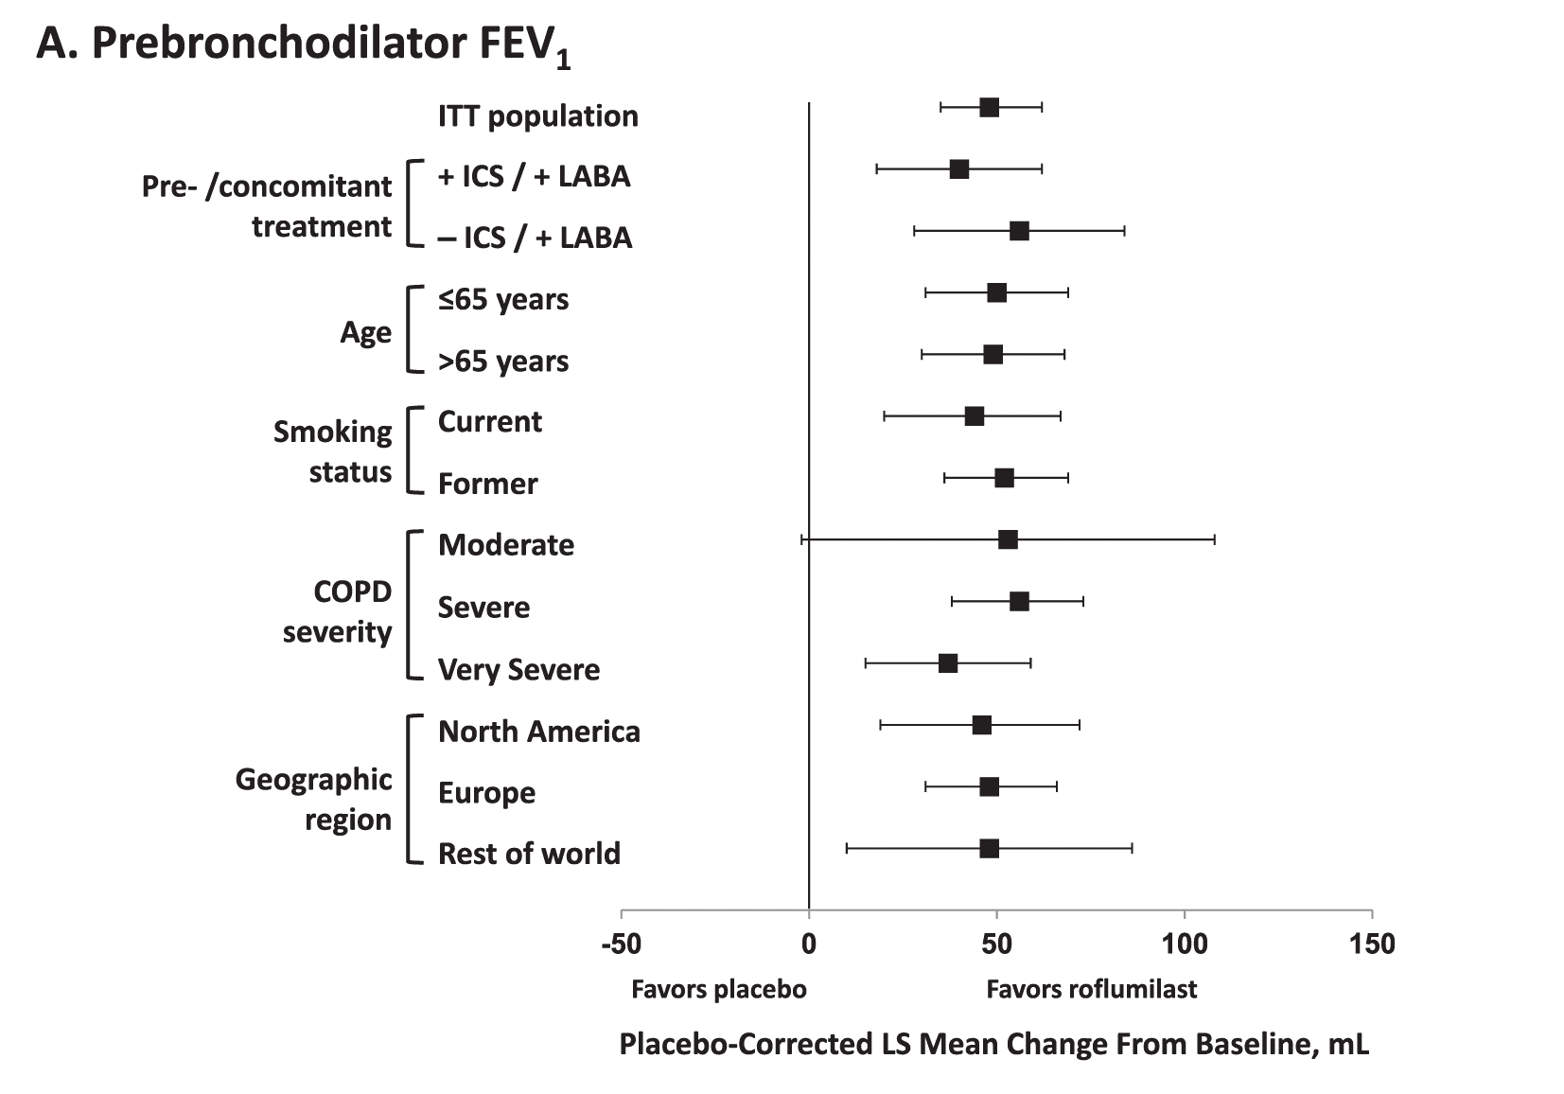

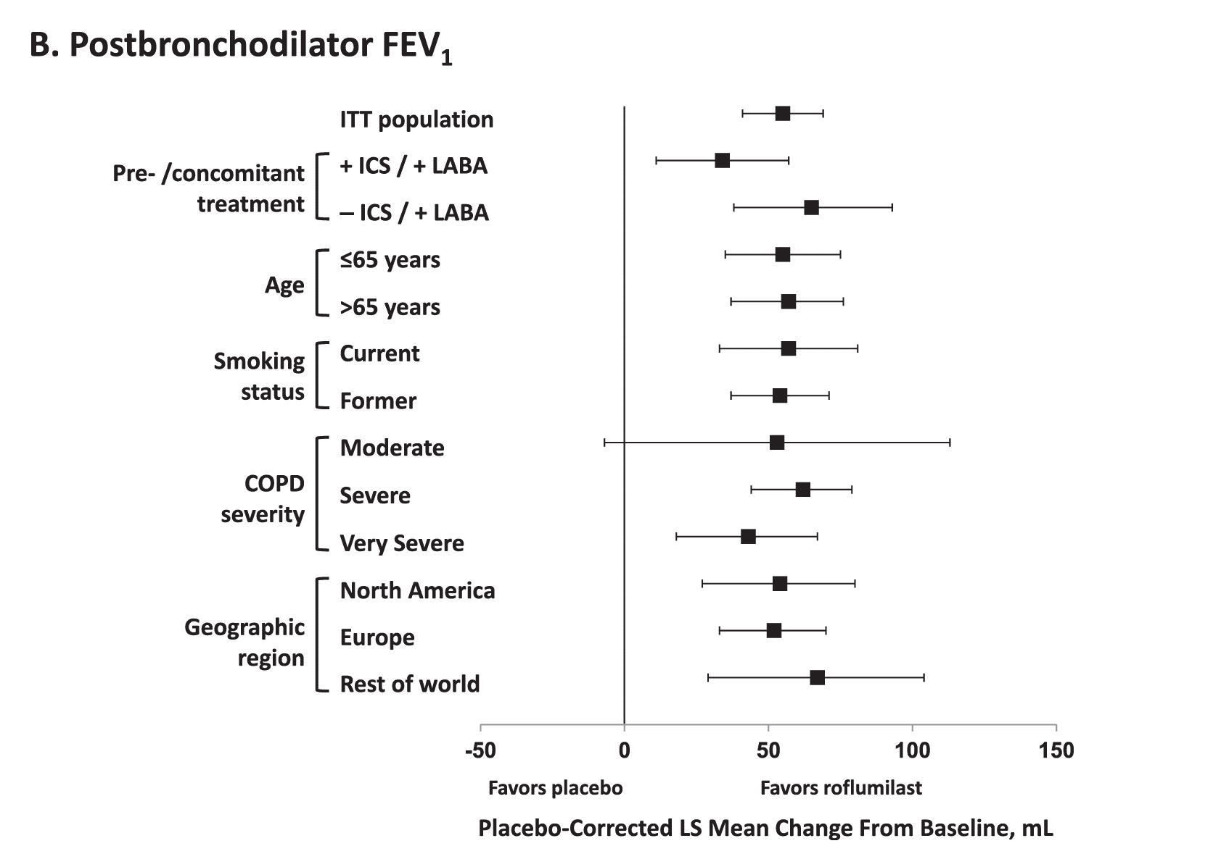

Figure 4 Least squares (LS) mean differences between roﬂumilast and placebo in (A) pre- and (B) postbronchodilator FEV1 in the ITT population and subpopulations. COPD, chronic obstructive pulmonary disease; FEV1, forced expiratory volume in 1 s; ICS, inhaled corticosteroid; ITT, intent to treat; LABA, long-acting b2-agonist.

