27956003
Table 1. Baseline (week O/pretreatment) patient characteristics and lipid/lipoprotein values for the entire randomized population
Apo ¼ apolipoprotein; BQ ¼ beta quantiﬁcation; CHD ¼ coronary heart disease; HDL-C ¼ high-density lipoprotein cholesterol; LDL-C ¼ low-density lipoprotein cholesterol; Non-HDL-C ¼ nonehigh-density lipoprotein cholesterol; SD ¼ standard deviation. * For very high-risk patients, LDL-C goal is <70 mg/dl; high-risk patients, the LDL-C goal is < 100 mg/dl; moderate-risk patients, the LDL-C goal is < 130 mg/dl; and lower risk patients, the LDL-C goal is < 160 mg/dl. † Other lipid-lowering therapies include patients taking statins with niacin, ﬁbrate, or a combination of at least 2 other therapies (e.g., ezetimibe plus ﬁbrate) in addition to statin.

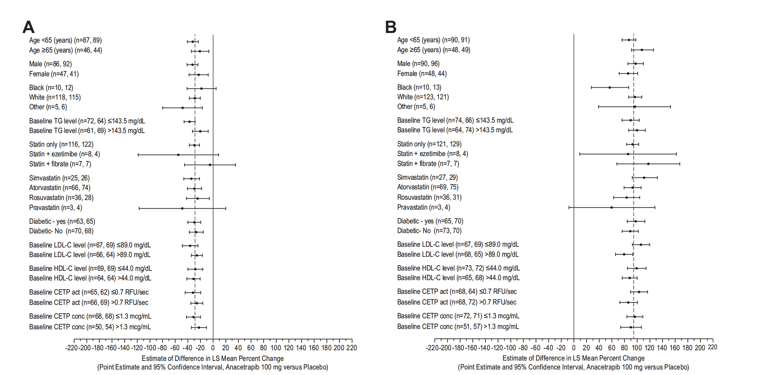
Patient characteristics | Anacetrapib 25 mg (n - 152) | Anacetrapib 100 mg (n - 153) | Placebo (n = 154)
Age (years) - mean ± SD | 61.9 ± 9.1 | 58.7 ± 9.6 | 60.3 ± 8.9
Age <65 years — no. (%) | 85 (55.9%) | 103 (67.3%) | 101 (65.6%)
Sex (male)- no. (%) | 102 (67.1%) | 101 (66.0%) | 108 (70.1%)
Race- no. (%)
American Indian or Alaska Native | 0 (0.0%) | 0 (0.0%) | 0 (0.0%)
Asian | 3 (2.0%) | 1 (0.7%) | 1 (0.6%)
Black or African America | 10 (6.6%) | 13 (8.5%) | 17 (11.0%)
Multi-racial | 7 (4.6%) | 4 (2.6%) | 7 (4.5%)
Native Hawaiian or other Pacific Islander | 0 (0.0%) | 0 (0.0%) | 0 (0.0%)
White | 132 (86.8%) | 135 (88.2%) | 129 (83.8%)
Body mass index (kg/m2) - mean ± SD | 30.8 ± 5.8 | 31.1 ± 5.3 | 31.0 ± 5.5
CHD Risk- no. (%)
Very high risk | 66 (43.4%) | 59 (38.6%) | 65 (42.2%)
High risk | 60 (39.5%) | 63 (41.2%) | 60 (39.0%)
Moderate risk | 19 (12.5%) | 25 (16.3%) | 34 (15.6%)
Lower risk | 7 (4.6%) | 6 (3.9%) | 5 (3.2%)
At LDL-C (BQ) goal* at baseline- no. (%)
Yes | 67 (44.1%) | 66 (43.1%) | 67 (43.5%)
No | 78 (51.3%) | 84 (54.9%) | 80 (51.9%)
Missing | 7 (4.6%) | 3 (2.0%) | 7 (4.5%)
Prior Diagnosis- no. (%)
Diabetes | 89 (58.6%) | 74 (48.4%) | 78 (50.6%)
Coronary Artery Disease | 33 (21.7%) | 26 (17.0%) | 17 (11.0%)
Myocardial Infarction | 27 (17.8%) | 35 (22.9%) | 24 (15.6%)
Hypertension | 107 (70.4%) | 110 (71.9%) | 114 (74.0%)
Use of concomitant lipid-lowering therapy- no. (%)
Statin only | 135 (88.8%) | 135 (88.2%) | 140 (90.9%)
Statin with ezetimibe | 4 (2.6%) | 8 (5.2%) | 6 (3.9%)
Statin with niacin | 1 (0.7%) | 1 (0.7%) | 1 (0.6%)
Statin with fibrate | 10 (6.6%) | 7 (4.6%) | 7 (4.5%)
Other1 | 2 (1.3%) | 2 (1.3%) | 0 (0.0%)
Type of concomitant statin by daily dose- no. (%)
Atorvastatin 20 mg | 35 (23.0%) | 32 (20.9%) | 35 (22.7%)
Atorvastatin 30 mg | 1 (0.7%) | 1 (0.7%) | 0
Atorvastatin 40 mg | 21 (13.8%) | 20 (13.1%) | 32 (20.8%)
Atorvastatin 60 mg | 0 | 1 (0.7%) | 1 (0.6%)
Atorvastatin 80 mg | 14 (9.2%) | 18 (11.8%) | 12 (7.8%)
Lovastatin 80 mg | 0 | 2 (1.3%) | 1 (0.6%)
Pitavastatin 4 mg | 1 (0.7%) | 1 (0.7%) | 0
Pravastatin 40 mg | 0 | 1 (0.7%) | 0
Pravastatin 80 mg | 2 (1.3%) | 3(2.0%) | 5 (3.2%)
Rosuvastatin 5 mg | 5 (3.3%) | 4 (2.6%) | 5 (3.2%)
Rosuvastatin 10 mg | 7 (4.6%) | 11 (7.2%) | 8 (5.2%)
Rosuvastatin 15 mg | 2 (1.3%) | 0 | 0
Rosuvastatin 20 mg | 10 (6.6%) | 19 (12.4%) | 18 (11.7%)
Rosuvastatin 40 mg | 6 (3.9%) | 7 (4.6%) | 4 (2.6%)
Simvastatin 40 mg | 45 (29.6%) | 29 (19.0) | 32 (20.8%)
Simvastatin 60 mg | 0 | 1 (0.7%) | 0
Simvastatin 80 mg | 3 (2.0%) | 3 (2.0%) | 1 (0.6%)
Baseline lipid/lipoprotein values
LDL-C (BQ) (mg/dL) - mean ± SD | 96.9 ± 32.5 (n=145) | 95.7 ± 33.6 (n=150) | 93.0 ± 29.4 (n=147)
HDL-C (mg/dL) - mean ± SD | 45.3 ± 12.3 (n=152) | 46.2 ± 12.6 (n=153) | 47.7 ± 14.2 (n=154)
Non-HDL-C (mg/dL)- mean ± SD | 128.4 ± 40.0 (n=149) | 128.7 ± 40.6 (n=153) | 124.0 ± 35.8 (n=151)
Apo B (mg/dL) - mean ± SD | 90.1 ± 24.4 (n=150) | 89.0 ± 24.4 (n=153) | 86.6 ± 20.5 (n=151)
Apo A-l (mg/dL) - mean ± SD | 135.3 ± 26.5 (n=150) | 136.3 ± 25.6 (n=153) | 138.0 ± 26.0 (n=151)

