28236727
Table 4 Percentage of patients with improvement in QOLIE-31-P scores beyond the Minimal Important Change threshold from baseline to week 12 or early discontinuation (ITT population).
BRV, brivaracetam; ITT, intent-to-treat; QOLIE-31-P, Patient-Weighted Quality of Life in Epilepsy Questionnaire. a Borghs, et al. (2012) [13].

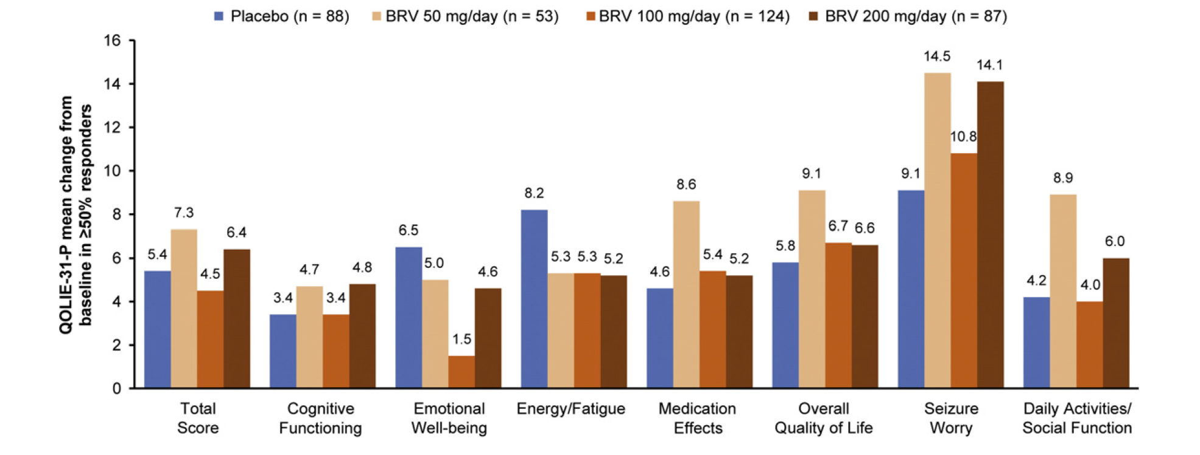
Patients with minimal important change in QOLIE-31-P (%) | Overall population |  |  |  | Minimal important change threshold (improvement)a | >50% focal seizure frequency responders
 | Placebo (n = 455) | BRV 50 mg/day (n = 200) | BRV 100 mg/day (n = 352) | BRV 200 mg/day (n = 249) |  | Placebo (n = 88) | BRV 50 mg/day (n = 53) | BRV 100 mg/day (n = 124) | BRV 200 mg/day (n = 87)
Total score | 38.6 | 43.6 | 41.7 | 36.6 | 5.19 | 46.6 | 54.7 | 49.2 | 48.3
Cognitive Functioning | 39.9 | 42.3 | 42.2 | 40.0 | 5.34 | 43.8 | 53.7 | 49.6 | 43.3
Emotional Well-being | 35.7 | 38.8 | 33.6 | 35.4 | 4.76 | 50.6 | 44.4 | 35.4 | 42.2
Energy/Fatigue | 37.7 | 39.8 | 36.2 | 29.7 | 5.25 | 45.5 | 39.6 | 43.8 | 37.8
Medication Effects | 40.8 | 42.3 | 45.5 | 42.3 | 5.00 | 44.9 | 50 | 50.8 | 41.6
Overall Quality of life | 35.7 | 36.3 | 37.8 | 31.5 | 6.42 | 44.9 | 46.3 | 46.9 | 42.9
Seizure Worry | 41.6 | 40.1 | 46.2 | 47.7 | 7.42 | 49.4 | 61.1 | 50.8 | 57.3
Daily Activities/Social Functioning | 49.0 | 48.6 | 47.9 | 47.7 | 3.95 | 55.1 | 63 | 53.5 | 48.9

