20925544
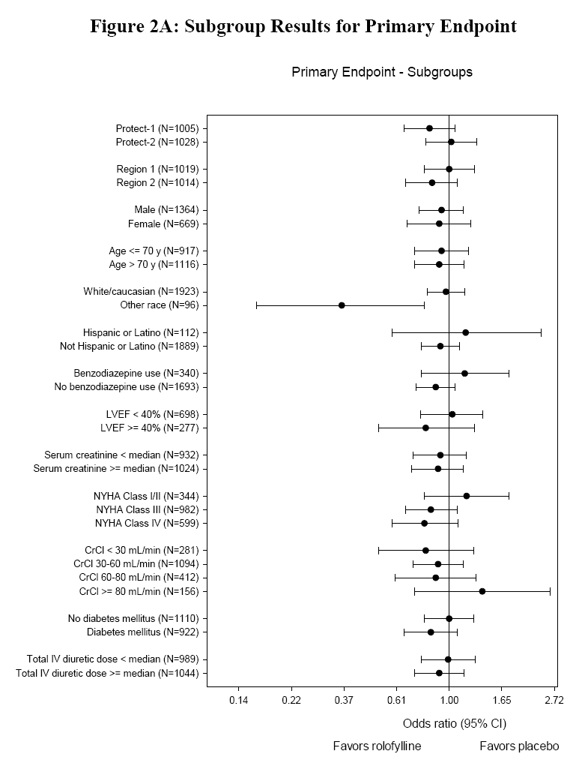
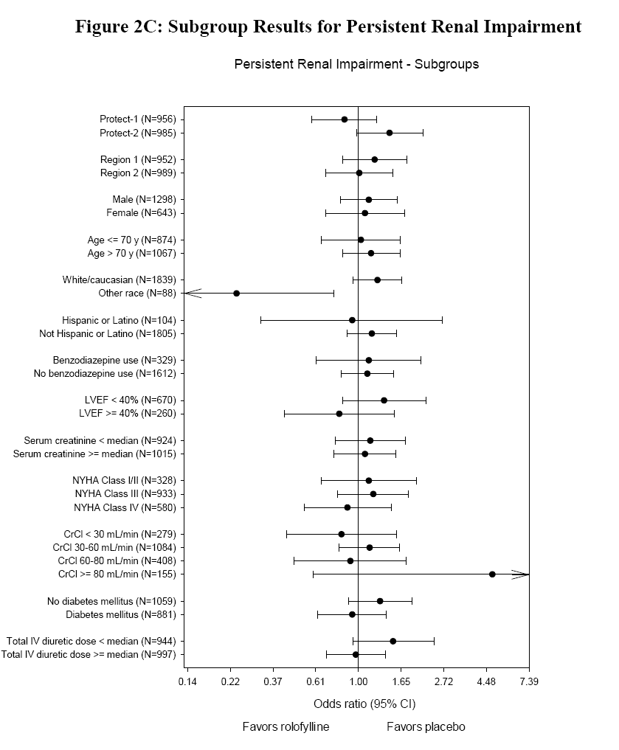
Figure 2B: Subgroup Results for Death or Cardiovascular or Renal Rehospitalizatiou

