23500237
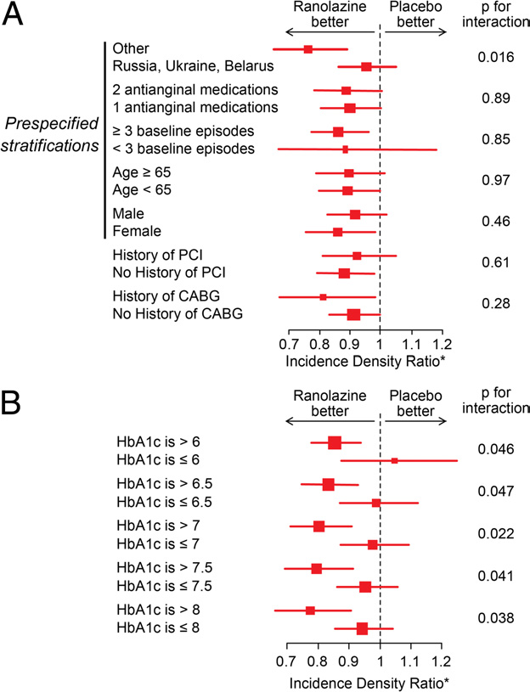
Figure 3 Subgroup Analyses of the Primary Endpoint of Weekly Angina Frequency
Incidence density ratio (*) (or the relative difference in the incidence rates) of weekly angina frequency, according to the generalized linear model with nega-tive binomial distribution, within pre-speciﬁed stratiﬁcations and categorical subgroups (A). B shows the exploratory analysis of subgroups of HbA1c by var-ious thresholds. CABG coronary artery bypass graft surgery; PCI percuta-neous coronary intervention.

