25282519
Table 1: Baseline characteristics
Data are mean (SD), n (%), or median (IQR). hsCRP=high-sensitivity C-reactive protein. PCSK9=proprotein convertase subtilisin/kexin type 9. 'Established by the Friedewald formula with reflexive testing through preparative ultracentrifugation when calculated LDL cholesterol was sl-0 mmol/L or triglyceride concentrations were >4 5 mmol/L.

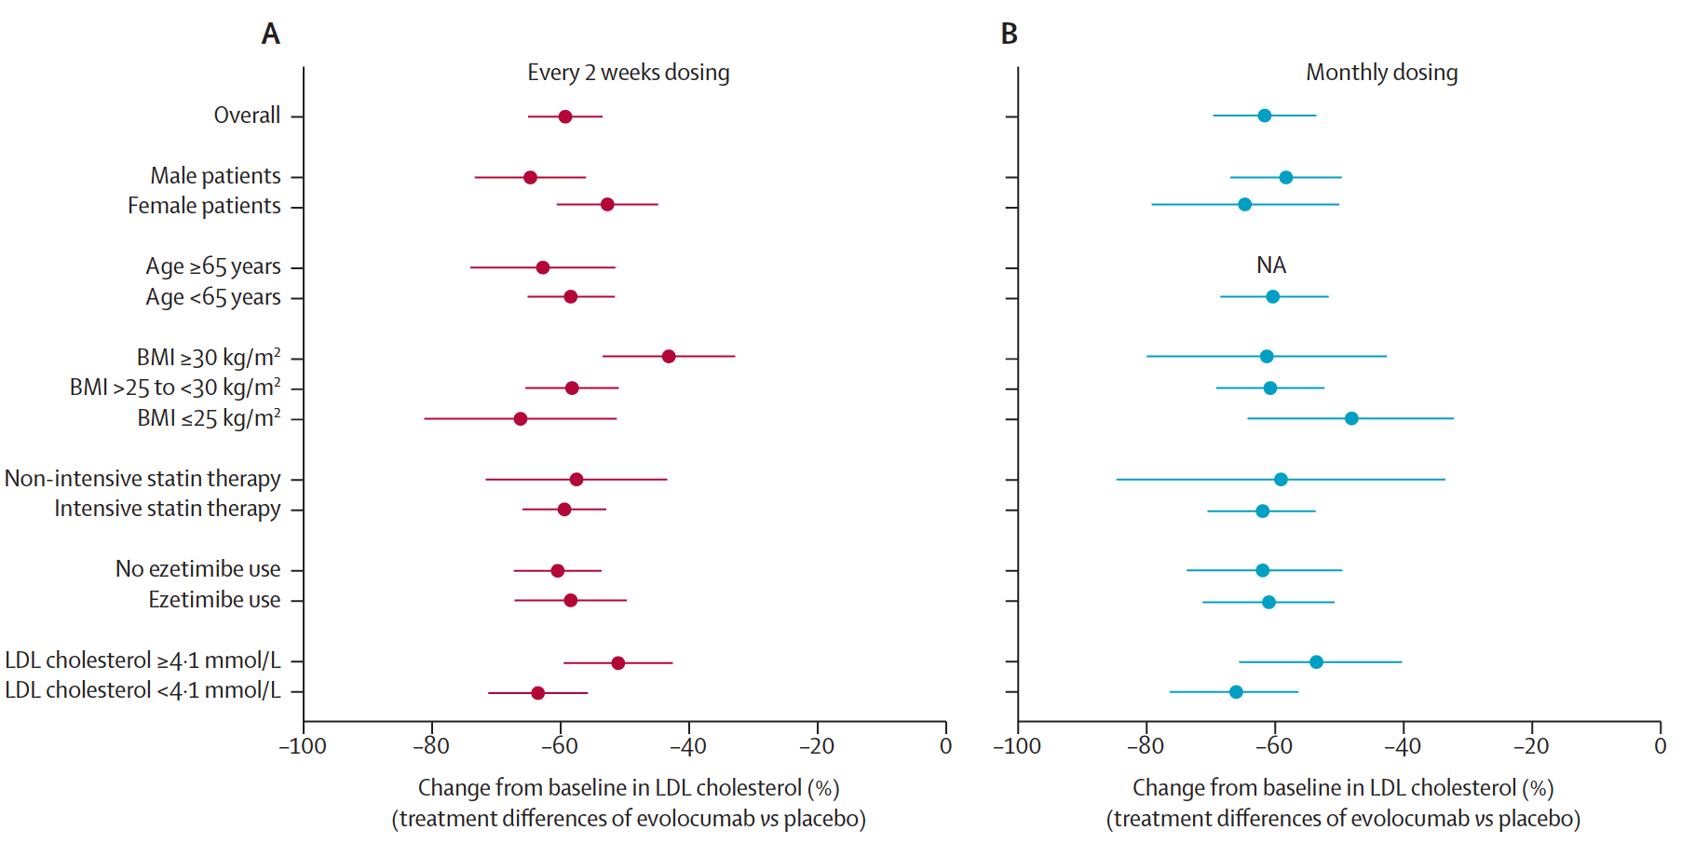
 | Placebo every 2 weeks (n=54) | Evolocumab 140 mg every 2weeks(n=110) | Placebo monthly (n=55) | Evolocumab 420 mg monthly (n=110)
Age (years) | 51-1 (14-2) | 52-6 (12-3) | 46-8 (12-1) | 51-9 (12-0)
Female sex | 25 (46%) | 44(40%) | 24(44%) | 46 (42%)
Coronary artery disease | 16 (30%) | 38 (35%) | 10 (18%) | 39(35%)
LDL cholesterol at baseline (mmol/L)* LDL cholesterol at screening | 3-9 (0-9) | 4-2 (1-3) | 3-9(11) | 4-0(11)
<4-1 mmol/L | 35 (65%) | 70 (64%) | 35(64%) | 70(64%)
>4-1 mmol/L | 19 (35%) | 40 (36%) | 20 (36%) | 40(36%)
Other lipid parameters
Apolipoprotein B (g/L) | 11(0-3) | 1-2 (0-3) | 1-1 (0-2) | 1-1(03)
HDL cholesterol (mmol/L) | 1-4 (0-4) | 1-3 (0-4) | 1-3(03) | 1-3 (0-4)
Apolipoprotein A1 (g/L) | 1-5(0 3) | 1-4 (0-3) | 13(0-2) | 1-4(03)
Triglycerides (mmol/L) | 1-1 (O-8-1-6) | 1-3 (10-1-8) | 1-2 (O-9-1-7) | 1-3 (10-1-8)
Lipoprotein(a) (nmol/L) | 44-0 (24-0-105-0) | 77-5 (29-0-205-5) | 87-0 (36-0-219-0) | 61-0 (17-0-194-0)
hsCRP (nmol/L) | 6-5 (3-8-14-1) | 8-8 (5-0-18-2) | 11-1 (5-0-21-0) | 9-9 (5-8-21-7)
Unbound PCSK9 (nmol/L) | 60(1-7) | 6-4(2 0) | 6-1 (2-0) | 61(1-9)

