26121561
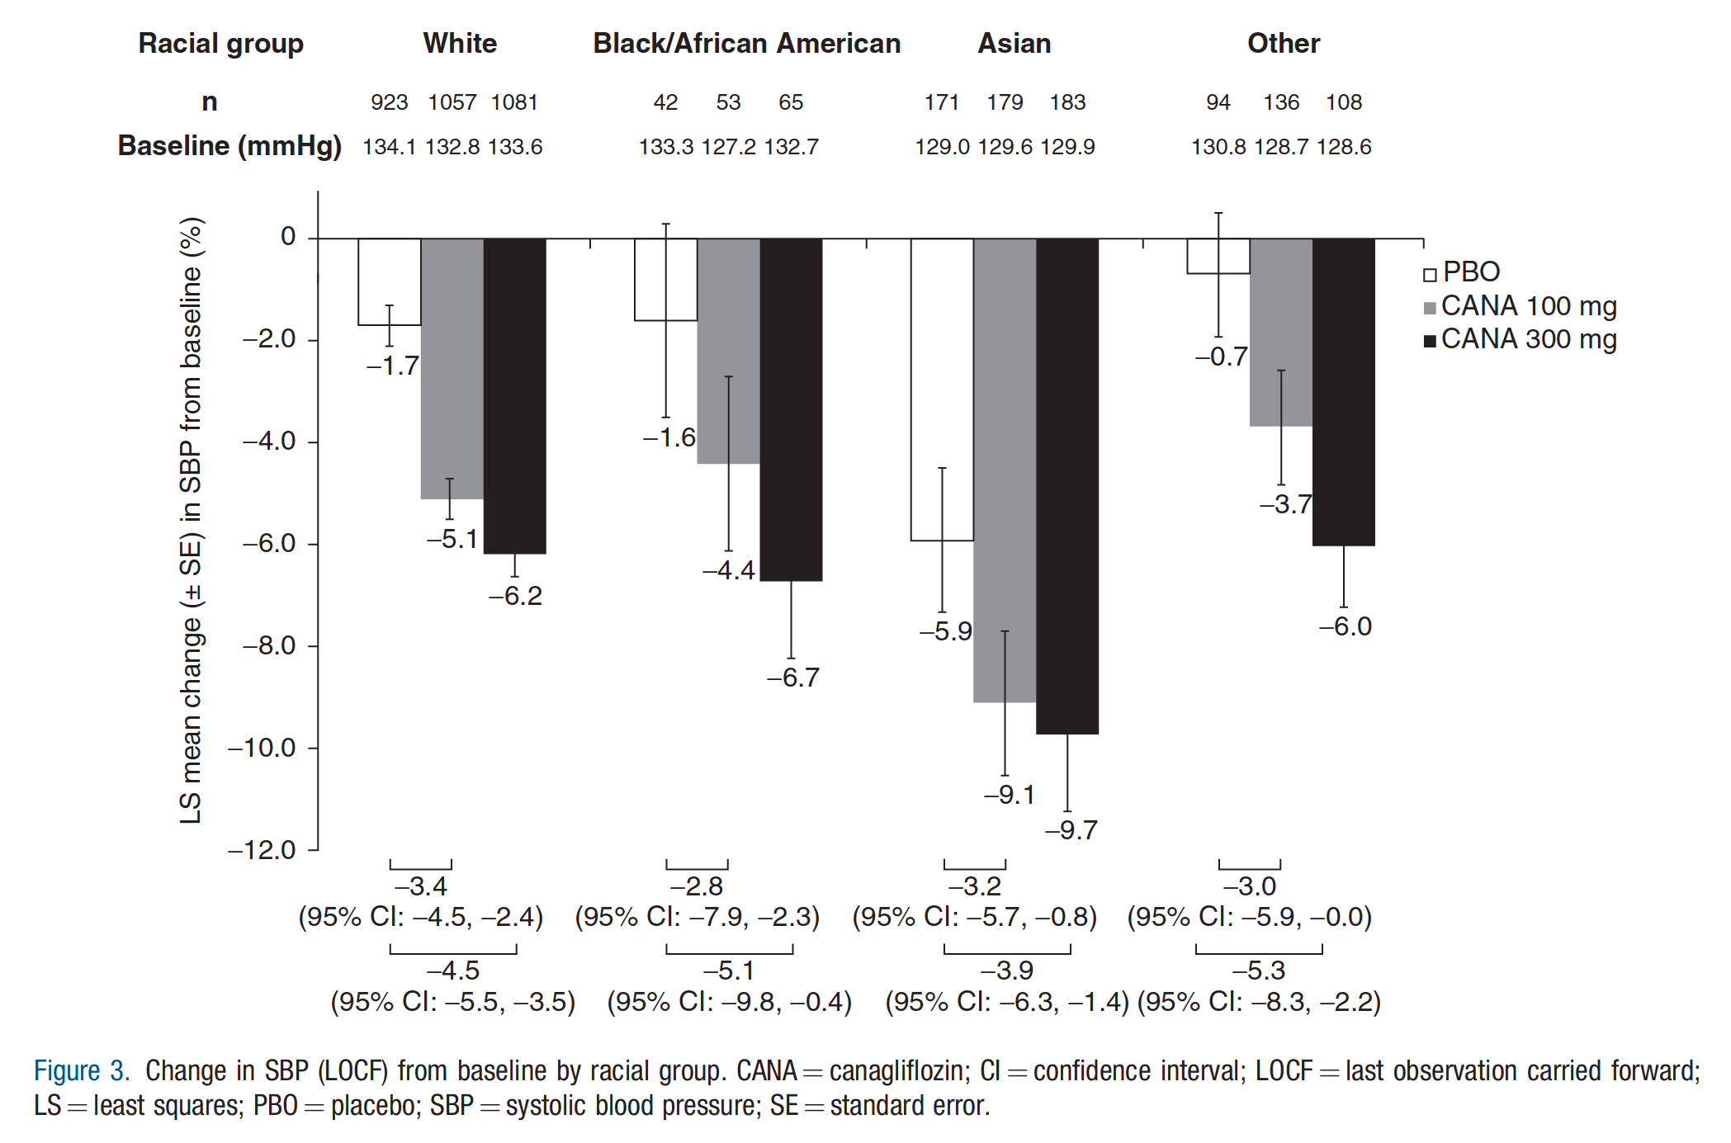
Table 1. Baseline demographics and disease characteristics of the pooled population.
*‘Other’ includes American Indian, Alaskan Native, mixed race, Native Hawaiian or other Pacific Islander, not reported, and unknown. yPercentages are based on overall N for each treatment group, except for male/female, where percentages are based on total N within each racial cohort. CANA ¼ canagliflozin; eGFR ¼ estimated glomerular filtration rate; HbA1c ¼ hemoglobin A1c; SBP ¼ systolic blood pressure; SD ¼ standard deviation.

Characteristic | Placebo (n = 1256) | CANA 100 mg (n = 1441) | CANA 300mg (n=1461) | Total (N=4158)
Race, n (%)
White | 943 (75.1) | 1066 (74.0) | 1099 (75.2) | 3108 (74.7)
Black/African American | 44 (3.5) | 54 (3.8) | 67 (4.6) | 165 (4.0)
Asian | 174 (13.9) | 184 (12.8) | 186 (12.7) | 544 (13.1)
Other* | 95 (7.6) | 137 (9.5) | 109 (7.5) | 341 (8.2)
Age, mean = SD, years | 59.4 = 9.3 | 58.7 = 9.8 | 59.1 = 9.6 | 59.0 = 9.6
White | 60.3 = 9.1 | 59.8 = 9.6 | 60.1 = 9.3 | 60.1 = 9.3
Black/African American | 57.2 = 10.0 | 54.8 = 9.9 | 54.9 = 9.6 | 55.5 = 9.8
Asian | 55.9 = 9.0 | 56.0 = 8.9 | 56.5 = 9.3 | 56.2 = 9.0
Other* | 56.9 = 9.8 | 55.9 = 10.5 | 55.9 = 10.6 | 56.2 = 10.3
Male, n (%) | 740 (58.9) | 811 (56.3) | 810 (55.4) | 2361 (56.8)
White | 560 (59.4)y | 620 (58.2)y | 635 (57.8)y | 1815 (58.4)y
Black/African American | 26 (59.1)y | 16 (29.6)y | 33 (49.3)y | 75 (45.5)y
Asian | 108 (62.1)y | 113 (61.4)y | 101 (54.3)y | 322 (59.2)y
Other* | 46 (48.4)y | 62 (45.3)y | 41 (37.6)y | 149 (43.7)y
Female, n (%) | 516 (41.1) | 630 (43.7) | 651 (44.6) | 1797 (43.2)
White | 383 (40.6)y | 446 (41.8)y | 464 (42.2)y | 1293 (41.6)y
Black/African American | 18 (40.9)y | 38 (70.4)y | 34 (50.7)y | 90 (54.5)y
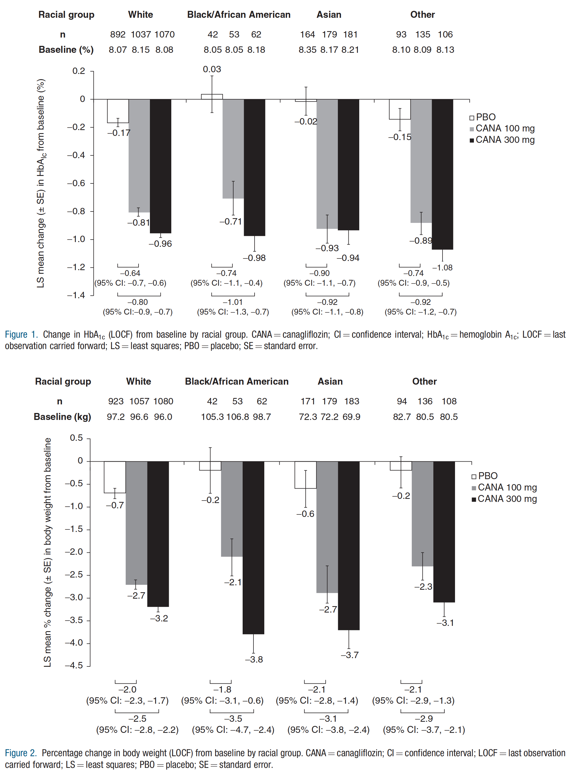
Asian | 66 (37.9)y | 71 (38.6)y | 85 (45.7)y | 222 (40.8)y
Other* | 49 (51.6)y | 75 (54.7)y | 68 (62.4)y | 192 (56.3)y
HbA1c, mean = SD, % | 8.1 = 0.9 | 8.1 = 0.9 | 8.1 = 0.9 | 8.1 = 0.9
White | 8.1 = 0.9 | 8.2 = 0.9 | 8.1 = 0.9 | 8.1 = 0.9
Black/African American | 8.1 = 1.0 | 8.1 = 0.9 | 8.2 = 1.0 | 8.1 = 1.0
Asian | 8.4 = 1.1 | 8.2 = 0.9 | 8.2 = 1.0 | 8.2 = 1.0
Other* | 8.1 = 1.0 | 8.1 = 1.0 | 8.1 = 0.9 | 8.1 = 0.9
Body weight, mean = SD, kg | 92.8 = 22.2 | 92.3 = 22.0 | 91.6 = 21.8 | 92.2 = 22.0
White | 97.1 = 21.1 | 96.7 = 20.9 | 95.9 = 20.6 | 96.5 = 20.9
Black/African American | 105.0 = 25.8 | 106.3 = 23.6 | 98.8 = 21.6 | 102.9 = 23.6
Asian | 72.3 = 12.2 | 72.2 = 13.8 | 69.9 = 12.3 | 71.5 = 12.8
Other* | 82.9 = 21.0 | 80.3 = 17.7 | 80.5 = 20.8 | 81.1 = 19.7
SBP, mean = SD, mmHg | 133.1 = 15.4 | 131.9 = 15.2 | 132.6 = 15.3 | 132.5 = 15.3
White | 134.1 = 15.5 | 132.8 = 15.3 | 133.5 = 14.9 | 133.5 = 15.2
Black/African American | 133.6 = 16.2 | 127.6 = 13.6 | 132.6 = 17.6 | 131.2 = 16.1
Asian | 128.9 = 14.0 | 129.4 = 12.9 | 129.9 = 14.8 | 129.4 = 13.9
Other* | 130.9 = 14.8 | 129.2 = 17.5 | 128.4 = 17.1 | 129.4 = 16.6
eGFR, mean = SD, mL/min/1.73 m2 | 80.7 = 20.6 | 83.2 = 19.8 | 82.2 = 20.3 | 82.1 = 20.3
White | 78.5 = 19.2 | 81.3 = 19.4 | 80.8 = 19.5 | 80.3 = 19.42
Black/African American | 89.0 = 26.4 | 97.6 = 21.9 | 89.9 = 25.6 | 92.2 = 24.8
Asian | 85.3 = 24.2 | 83.4 = 17.9 | 81.8 = 20.1 | 83.4 = 20.9
Other* | 90.1 = 19.1 | 92.0 = 20.1 | 91.8 = 22.1 | 91.4 = 20.5

